INTRODUCTION
Area Manager Awareness Programme
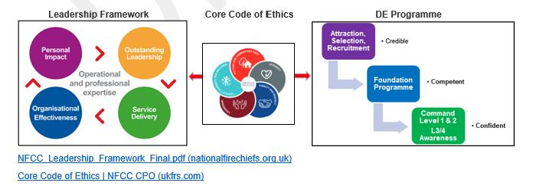 Introduction The aim of this document is to set out the broad details in how the Direct Entry Development Programme will cover the transition from a non-operational direct entrant to a competent, confident and credible operational area manager. The Operational Awareness Programme (OWP) and the Professional Development Programme (PDP) are a comprehensive set of programmes that will provide an understanding to begin their training and development in leadership and command development within the sector. Aim The PDP will cover a range of critical elements that make up an efficient and effective fire & rescue service, providing the candidate with sufficient understanding to participate in a range of activities, for example shadowing CFP audits, assisting in the completion Safe & Well Checks, political scrutiny and governance along liaising with key partners. The OWP will then develop into providing operational context providing a comprehensive understanding of safe systems of work. The OFP will be National Operational Guidance compliant, creating flexibility at a service level, ensuring candidates have the skills and ability to: • Observe the challenges of being part of a crew to enhance their understanding at an operational level by witnessing the dynamics of crew decision making at first hand, • Observe and Experience the role of commanders by conducting shadowing and professional discussions, • Experience the JESIP learning by observing the audit trail of improvements, • Experience the delivery of the Operational Response Strategy in support of the service CRMP, The OWP has been designed to ensure the candidates have a range of skills an understanding that will enhance their working knowledge in ensuring they have an appreciation of the rigours and stresses of firefighting operations and core skills. This awareness will underpin the process of ensuring the candidates have the requisite expertise to take on both command responsibilities and the broader role of an

