Front Cover
SCHEDULE OF WORKS
Regal Theatre, 49 Teme St, Tenbury Wells, WR15 8AE

FOR WORKS AT:
Regal Theatre, 49 Teme St, Tenbury Wells, WR15 8AE

Reference 01/NC/REGALROOF2024

SCHEDULE OF WORKS

Buildings of Historical interest - Main Roof Repairs to Regal Theatre, 49 Teme St, Tenbury Wells, WR15 8AE
V 1

Date : July 2024
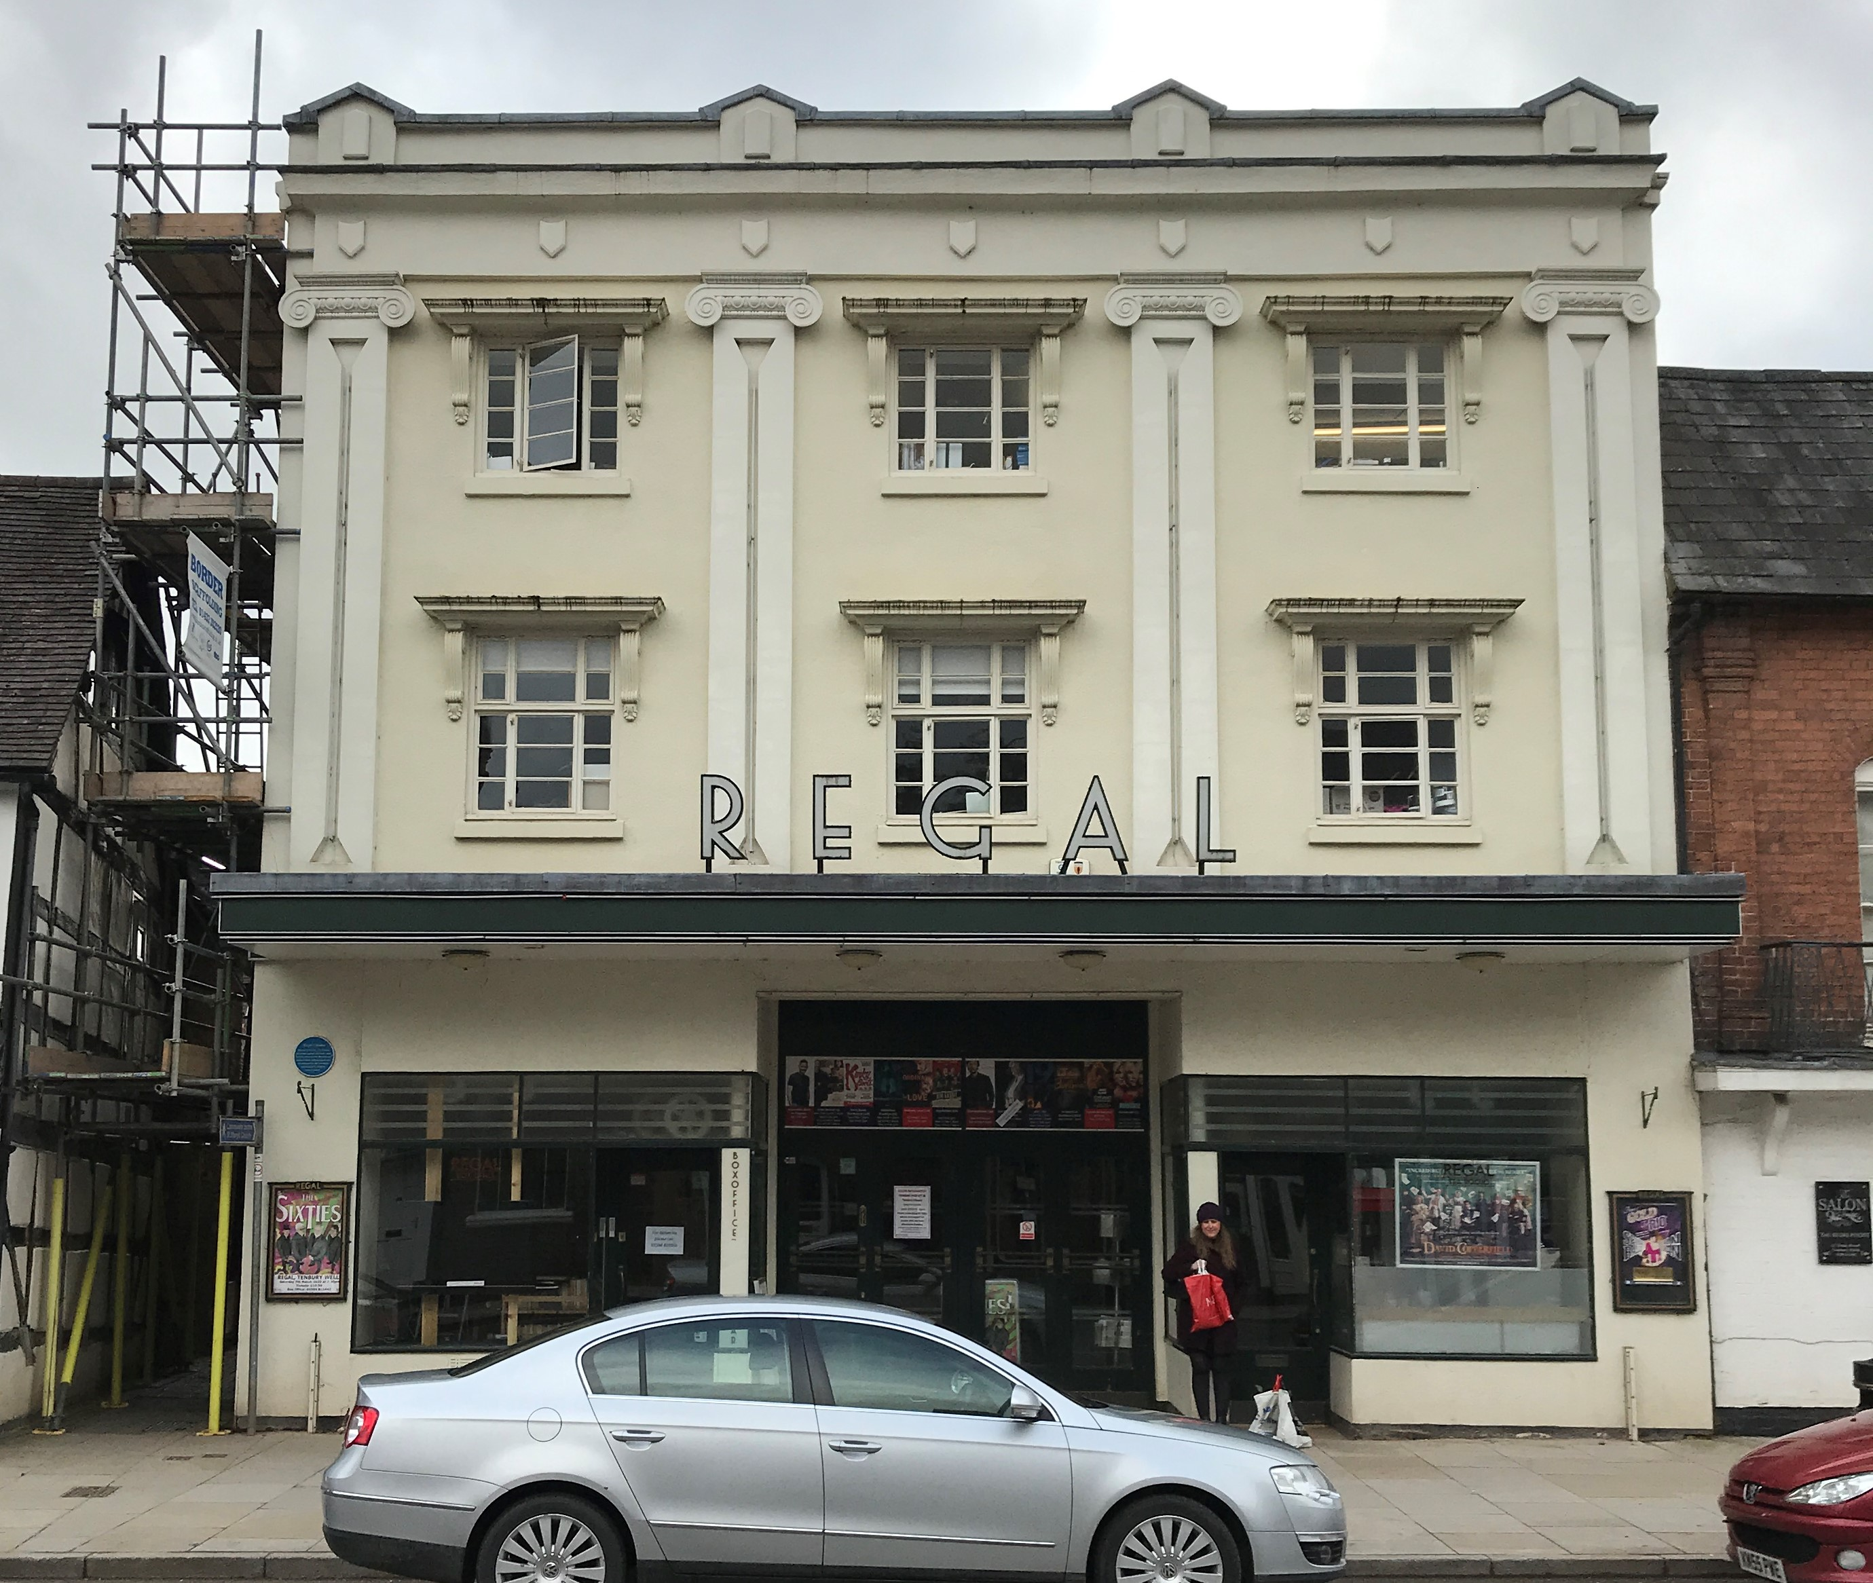

This schedule may not used by a third party for any purpose without the written consent of Ionic Surveying Consultants Limited.

Ionic Surveying Consultants Limited

