Weighting and Scoring
 | Framework Title: Renal Replacement Therapies Services, Technologies, and Consumables
 | NHS Supply Chain - Further Competition
 | 2019/S 205-499640

Doncaster and Bassetlaw Teaching Hospitals NHS Foundation Trust | Scoring Methodology

The responses will be scored as follows:
NB Scoring entered below will auto-fill into the 'Qualitative' tab

Section | Sub Section | Score | Total
Mandatory Requirements | N/a | Pass/Fail | Failure to meet the mandatory requirements will result in the supplier's bid being excluded from the further competition process.
Qualitative Requirements | General Requirements | 10.00%
 | Workforce | 10.00%
 | Performance | 5.00%
 | Corporate Social Responsibilty | 10.00%
 | Communication and engagement | 5.00% | 50%
 | Additional Services, Ie I&MT | 5.00%
 | Operational Service Delivery | 5.00%
Financial Requirements | N/a | 50.00% | 50%
 |  | Total | 100%

Example Process Map, amend as appropriate

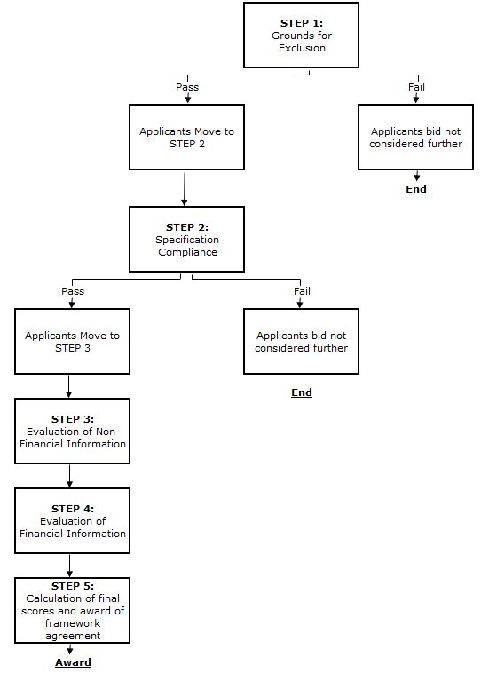

Qualitative
 |  | Framework Title: Renal Replacement Therapies Services, Technologies, and Consumables
 |  | NHS Supply Chain - Further Competition
 |  | 2019/S 205-499640

 | Doncaster and Bassetlaw Teaching Hospitals NHS Foundation Trust | Qualtitative Requirements and Scoring
 | Tender weighting | 50%

 | Scoring Methodology
 | Responses will be assessed based upon the following methodology:

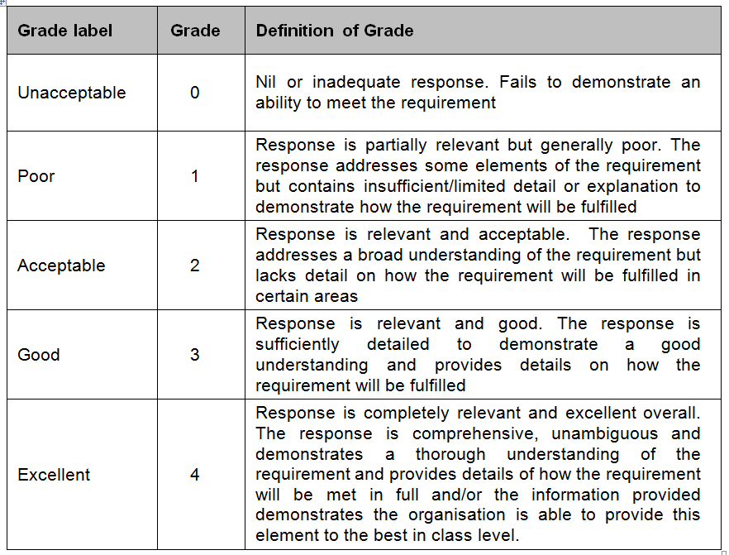

 | NB Criteria and weighting will auto-populate based on the 'Weighting and Scoring' tab
 | Criteria | Weighting | Requirement | Sub-weighting | Response | Further Guidance | Score check - delete before sending
Q 1.1 | General Requirements | 10% | Q 1.1 Please describe how you will propose to deliver the service as described in Section 3 of the Service Specification. Your response should include, but not be limited to: • Clinical leadership (within your response you should outline the following key staff- • Clinical Manager Deputy Clinic Manager • Professionals available within the service (within your response you should outline the following key staff) • Information Governance lead • Caldicott Guardian • Senior Information Risk Owner • Accountable Emergency Officer • Safeguarding Lead • Mental Capacity and Deprivation of Liberty Lead • Prevent Lead • Relationships with supporting organisations • Access to the service for patients and health professionals • How you will ensure provision to cover the operational hours set out in the Service Specification • Managing and reducing barriers and preventing inequalities in service provision • Meeting the obligations under Service Condition 13 – Equality of Access and Equality and Non-Discrimination • Ensuring service users, carers and legal guardians who do not speak, read or write English or who have communication difficulties (including hearing, oral or learning impairments) needs will be met • Provision of haemodialysis services in satellite units • Technical Services • Supporting Services • Business Continuity • Bidder’s must provide their Business Continuity Plan | 2.00%
Q 1.2 |  |  | Please describe how clinical governance (CG) is core to your business and governance arrangements.Your response should include, but not be limited to: • Framework of Integrated Governance that includes CG and the medical leadership roles • Approach to staff competency, training and development • Understanding and clarity of approach to patient safety • Systems of clinical risk assessment, risk reduction and implementation of lessons learned to improve patient safety and quality of care • Process for integrating evidence based practice • Overall approach to integration of multiple locations and service delivery | 2.00%
Q 1.3 |  |  | Please specify any areas or elements for which you wish to use a subcontractor and provide the following details: • which subcontractor you wish to use and for what elements; • what reasons you have for such subcontracting; • why particular third parties would be chosen; • any existing relationship with each such subcontractor; and • how you would ensure that appropriate management controls would be put in place. • How you will ensure your obligations to the Authority will adequately flow down to the subcontractor(s) | 2.00%
Q 1.4 |  |  | Please describe how you will ensure that all equipment provides all technical capabilities and interfaces required as stated in Section 3.3 of the Service Specification. Your response should include, but not be limited to: • How equipment conforms to council directive 93/42/EEC • BS EN 60601-2-16:1998- Medical electrical equipment. Particular requirements for electrical safety, specifications for dialysis machines requirements. • BS EN 60601-2-16:2008 – Particular requirements for safety and essential performance of haemodialysis, haemodiafiltration and haemofiltration equipment. • How you will ensure all equipment is maintained and replaced to appropriate standards within recommended timescales • How you will ensure technicians are trained to repair and maintain all plant and equipment | 2.00%
Q 1.5 |  |  | Please describe how you will ensure your services meet all relevant clinical guideline requirements and applicable service standards as detailed in Section 8 of the Service Specification. Your response should include, but not be limited to: • NHS England guidelines • NICE guidelines • Renal Association guidelines, including those relating to water treatment • Infection control • How any updates will be implemented in the future • Care Quality Commission fundamental standards | 2.00% |  |  | 10.00%
Q 2.1 | Workforce | 10% | The Bidder must describe how they will ensure that all staff remain appropriately skilled, trained and competent to carry out the roles required of them for the term of the Contract and that all Clinical Staff receive appropriate Continual Professional Development as specified by their statutory and professional bodies. Your response should include, but not be limited to: • How you will deliver the Services consistently within the regulations of the Care Quality Commission and relevant employee legislation • ensure staff are prepared and competent to carry out safe, correct and up-to-date operation of all systems, processes, procedures and equipment used • promote the dignity and respect of patients, and the quality of care. • respond to individual professional development needs of the Staff arising from performance appraisal and supervision • meet any requirements for re-registration and re-validation • meet statutory and mandatory training requirements | 2.50%
Q 2.2 |  |  | Please describe how you will ensure that all proposed workforce policies, processes and practices comply with all relevant employment legislation and codes of practice applicable in the UK. Your response should include, but not be limited to: • The NHS Employment Check Standards (April 2016) • Health and Social Care Act 2008 (Regulated Activities) Regulations 2014 as amended: Care Quality Commission (Registration) Regulations 2009 as amended; and Guidance for Providers on Meeting the Regulations March 2015. • How policies will be kept up to date with current applicable UK employment legislation and codes of practice • How you will ensure your processes promote anti discriminatory practice and equal opportunities • How your recruitment processes will assess the values, behaviours and attributes of applicants towards the well-being of patients and delivery of their care needs • How your retention strategies will ensure a skilled and competent workforce will be retained | 2.50%
Q 2.3 |  |  | Bidders must explain how they propose to achieve and maintain a positive employee relations environment. Your response should include, but not be limited to: • Arrangements for a potential TUPE transfer of existing staff in accordance with legislative requirements, and including consultation and communication plans. • Arrangements for working with existing and proposed Trade Union Representatives. • How they would deal with any disciplinary issues and/or complaints of bullying, and harassment, any grievances, capability or performance issues, including absence management. • Details of how staff access support services and are supported. • Their approach to staff engagement and processes in place for measuring, monitoring and improving levels of staff satisfaction. | 2.50%
Q 2.4 |  |  | Bidders must describe and confirm that they have, or how they will generate, sufficient capacity to deliver the services including a detailed staffing/resource plan that describes the staffing /resource arrangements that will enable the delivery of the services for the duration of the Contract. Your response should include, but not be limited to: • Key managerial roles and responsibilities, clinical leadership, reporting relationships and accountabilities • Proposed arrangements for staff management and leadership • How you will ensure there are safe staffing levels in place at all times as referenced in Section 3.2 of the Service Specification • How you will ensure safe and appropriate staffing levels will be provided via elements of the service that are subcontracted to other providers as referenced in Section 3.2 of the Service Specification • Your contingency arrangements to cover for planned and unplanned increases in workload and/or staff absences including specific arrangements for meeting statutory requirements | 2.50% |  |  | 0.1
Q 3.1 | Performance | 5% | Please provide details of how the Contract will be managed in accordance with the relevant Quality Standards and Requirements contained in Schedule 6 of the Contract Particulars. Your response should include, but not be limited to: • Statutory obligations that are mandatory and legally binding • Those issued by any relevant professional body and agreed with the trust • Local policy as determined by the Trust • Any standards resulting from audit • Any standards resulting from Serious Untoward Incident or Adverse Incident reporting • How you will achieve and monitor performance against EACH of the Local Quality Requirements contained in Appendix 5 - Local Quality Requirements. • Any external accreditation to give additional quality assurance | 1.67%
Q 3.2 |  |  | Please describe your proposed models for delivering the Friends and Family Test and the Service User survey as required in Schedule 6 of the Contract Particulars attached at Appendix 15 Your response should include, but not be limited to: • How you will ensure engagement • How you will monitor feedback • How this information will be used | 1.67%
Q 3.3 |  |  | Please describe your proposed complaints procedure/policy Your response should include, but not be limited to: • How your complaints procedure will be promoted to service users (Service Condition SC16) • How you will you monitor complaints, feedback and satisfaction levels • How this information will be used | 1.67% |  |  | 0.05
Q 4.1 | Corporate Social Responsibilty | 10% | Please describe and provide evidence of how you provide or are developing and practising robust and fair policies on all aspects of sustainable development and Corporate Social Responsibility. Your response should include, but not be limited to: • Effective protection of the environment • Prudent use of natural resources | 10.00%
Q 5.1 | Additional Services, Ie I&MT | 5.00% | Please provide a detailed description of the IT systems you will utilise for this service to keep accurate and auditable records, performance and management information. Bidders must evidence they have completed the NHS Information Governance Toolkit to a satisfactory level (level 2) https://digital.nhs.uk/data-and-information/looking-after-information/data-security-and-information-governance/data-security-and-protection-toolkit . This must include conformance with the Information Governance Statement of Compliance requirements and the NHS Patient Care Record Guarantee in processing and sharing of any electronic patient records, or provide details of plans in place to achieve completion. Your response should include but not be limited to: • The interfaces between the systems used, including access to other shared clinical records and the sharing of patient records • How electronic communications will be managed, both transmission and receipt • How you will ensure access to the Trust systems, including the Patient Administration System (PAS) / Electronic Patient Record (EPR) at all satellite units • How you will ensure effective patient management and sharing of vital patient information • If any patient identifiable data is to be transferred outside the European Economic Area (EEA) | 2.50%
Q 5.2 |  |  | Please provide a detailed description of the IMT support arrangements for this service as detailed in Sections 3 and 6 of the Service Specification. Your response should include, but not be limited to: • IT technical support • Application support, including training, configuration and Registration Authority • Availability and access to support, including response times • Information Governance and IT Security advice • Disaster Recovery Plan | 2.50%
Q 6.1 | Operational Service Delivery | 5% | Please provide a transition plan or timeline chart outlining key tasks and milestones in the period between Contract Award and six months post Service Commencement. Your response should include, but not be limited to: • The transition and mobilisation process from the incumbent provider to your proposed new service model • Detailed descriptions of key tasks and milestones • Detailed descriptions of how key tasks and milestones will be achieved and implemented in the identified timescales • Details of communications to patients/service users/referrers/existing providers • Continuity of clinical services • Migration of patient’s treatment without disruption • The phasing of removal and installation of clinical equipment • Staff transfers | 2.50%
Q 6.2 |  |  | Please describe how you will ensure sufficient capacity is provided throughout the life of the Contract. Your response should include, but not be limited to: • The forecast capacity requirements for the life of the Contract • Any assumptions that have been made • Any amendments or additions to the current facilities or locations | 2.50%
Q 7.1 | Communication and engagement | 5% | Please describe your communication strategy. Your response should include, but not be limited to: • How you will communicate with patients and other stakeholders • How you will communicate with patients and other stakeholders who have communication difficulties (including hearing, oral or learning impairment(s), or those with a mental health need) • How you will communicate with patients and other stake holders who do not speak, read or write English • All communication methods you propose to use | 2.50% |  |  | 0.025
...

