Cover
 | SPECIFICATION & PRICING DOCUMENT

 | REFURBISHMENT OF COCKERCOMBE OFFICE

 | for

 | THE FORESTRY COMMISSION

 | 13th December 2017
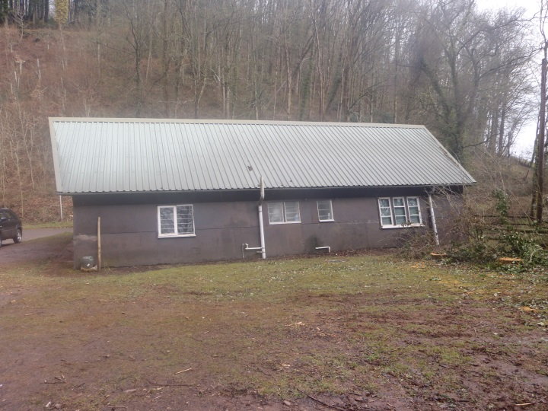

Ref: BK Re Schedule of Works-Sept17.xlsx

