2 Supply Regions
Supplier Name |  |  | PLEASE COMPLETE ALL YELLOW BOXES. PLEASE COMPLETE THIS FORM IN ALIGNMENT WITH YOUR CURRENT SUPPLY ABILITY, THE FORM WILL BE REVIEWED ON AN ANNUAL BASIS ALLOWING FOR SUPPLIER EXPANSION. YOU DO NOT NEED TO BE ABLE TO SUPPLY TO ALL COUNTIES WITHIN A REGION TO ANSWER 'YES'.
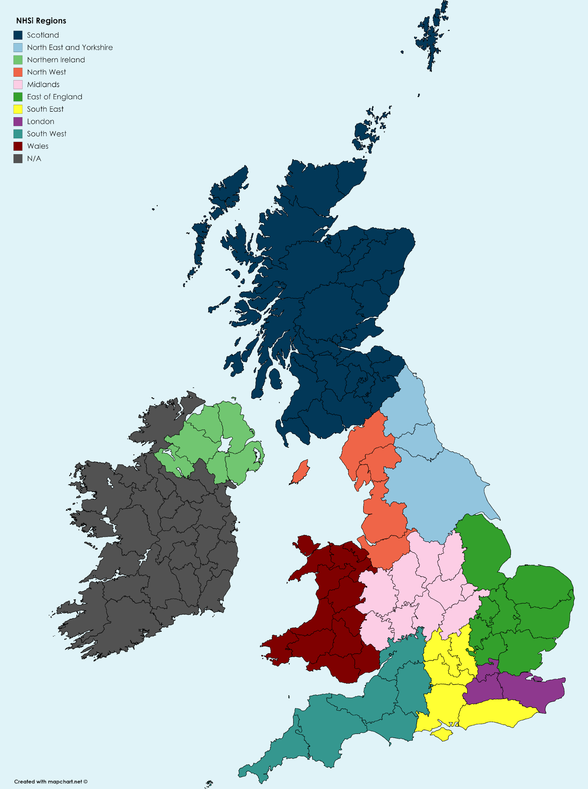
NHS Regions
This sheet provides details of the counties that are covered by each of the NHS regions |  | Able to supply, enter yes or no by each region.

REGION | COUNTY
1. Scotland | All of Scotland

4. Northern Ireland | All of Northern Ireland

5. Wales | All of Wales

2. North West | Merseyside
 | Greater Manchester
 | Cumbria
 | Cheshire
 | Lancashire

3. North East and Yorkshire | North Yorkshire
 | West Yorkshire
 | South Yorkshire
 | Northumberland
 | Durham
 | East Riding of Yorkshire
 | Tyne and Wear

6. Midlands | Lincolnshire
 | Staffordshire
 | Northamptonshire
 | Shropshire
 | West Midlands
 | Derbyshire
 | Warwickshire
 | Nottinghamshire
 | Worcestershire
 | Leicestershire
 | Herefordshire
 | Rutland

7. East of England | Bedfordshire
 | Cambridgeshire
 | Essex
 | Hertfordshire
 | Norfolk
 | Suffolk

10. London | Greater London
 | City of London
 | Surrey
 | Kent

8. South West | Cornwall
 | Somerset
 | Devon
 | Gloucestershire
 | Dorset
 | Wiltshire
 | Bristol

9. South East | Hampshire
 | West Sussex
 | Oxfordshire
 | East Sussex
 | Buckinghamshire
 | Berkshire
 | Isle of Wight

