1. Structural
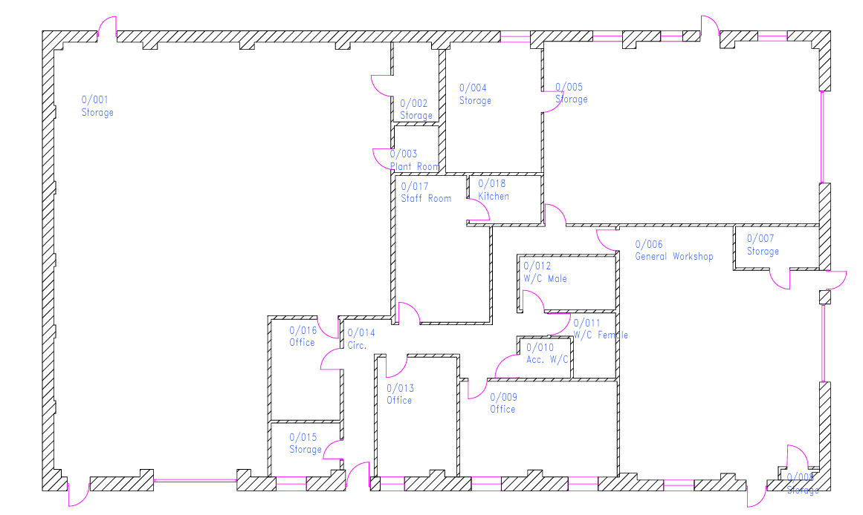

Analytical Lab
&
Met Lab Overspill
A. New single door through
bricked wall
Office
C. Install stud wall over metal fenced wall
B. Install stud wall and door to make enclosed store room

Storage
D. New double door through stud
wall
E. Stud wall in front (Internal) of roller door
 |  |  | Slab | Block | Motar | Labour | Railings/Stairs | Water gate | Sump | Grating
 |  |  | 200/m3 | 3/block
 |  |  | 4275 | 1084 | 500 | 3200 | 2000 | 1000 | 4000 | 1500
 |  |  | 2940 | 859 | 501 | 3200 | 2000 | 1000 | 1000 | 500

Pilot Area
Staff Rest Area & Training
Grind and Sieve

I. Cladding of Lean-to-Extension
G. Sound Proofing

J. Bunding of Lean-to-Extension
(c. 7.5m by 19m)
Locker Room
Shower & Changing
Met Laboratory

Site Managers Office
K. Bunding of Lean-to-Extension
(c. 7.5m by 19m)

Design Office
F. Shower Room
Office

H. Unisex and Disabled Toliet refurb

Costs
 | A
 | B
 | C
 | D
 | E
 | F
 | G
 | H
 | I
 | J
 | K
 | Total | 0

2. Electrics
Fume cupboards to have three pin sockets installed

Fan

Fan
Fan
 |  |  | Standard Three Pin Socket (Duoble)
x2
x2
x2
x2
x4
Office
 |  |  | IP66 Splash Cover Three Pin Socket (Double) 15cm above behch surface
Compressor
Isolator for dishwasher under bench near sink

x4
Isolator for undercounter freezer
 |  |  | Blue Bayonet Three Pin Socket with Isolator (Double)

Analytical Lab
&
Met Lab Overspill
 |  |  | ISOLATOR
x4
 |  |  | ISOLATOR with LOCKOUT
x4
Fan
Pilot Area
Staff Rest Area & Training
x4
Grind & Sieve
 |  |  | Ceiling Light
Additonal sockets outside
 |  |  | Mositure Vent Fan
Met Laboratory

x4
 |  | Notes
Isolator for dishwasher under bench near sink
Locker Room
 |  | 1) Repair external lights
x4
x2
x2
Isolator for undercounter freezer
Site Managers Office
 |  |  | No
 |  |  | 7
x4
x2
Design Office
 |  |  | 79
x2
x2
x2
Office
Fan
 |  |  | 12

Sump Pump
 |  |  | 7

 |  |  | 7

Compressor
 |  |  | 6

 |  |  | 1

 |  | Freezer/washer isolators | 4

 | TOTAL |  | 123

3. Sinks and Showers
 | Sink (Double)
Office
 | Safety Shower
Analytical Lab
&
Met Lab Overspill

Storage
 | Shower

 | Floor Drainage Channel (going to waste capture tank)

Pilot Area
Staff Rest Area & Training
 | Tap Outlet
Grind & Sieve
Met Laboratory
 |  | Unit | Unit
 | No | Material Cost | Install Cost | Total Cost

Locker Room
Shower & Changing
 | 6 | 350 | 200 | 3300
IBC
Container
 | 4 | 1500 | 200 | 6800
Site Managers Office
 | 1 | 5000 | 7000 | 12000
Design Office
 | 1 | 4560 | 4000 | 8560
Sump & Pump
Office
 | 1 | 1420 | 2500 | 3920

TOTAL |  |  |  | 34580
4 inch pipe to allow drainage to exit building into sump

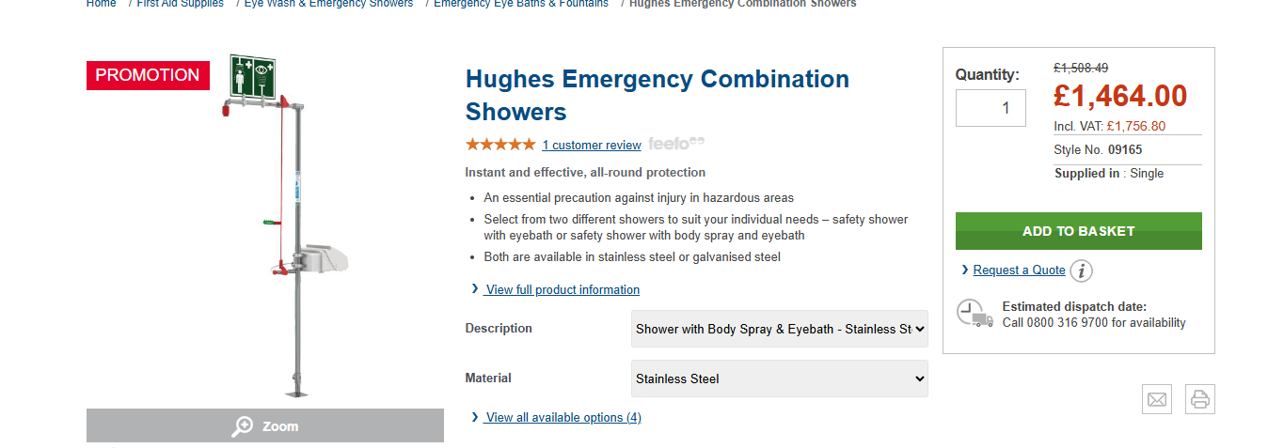

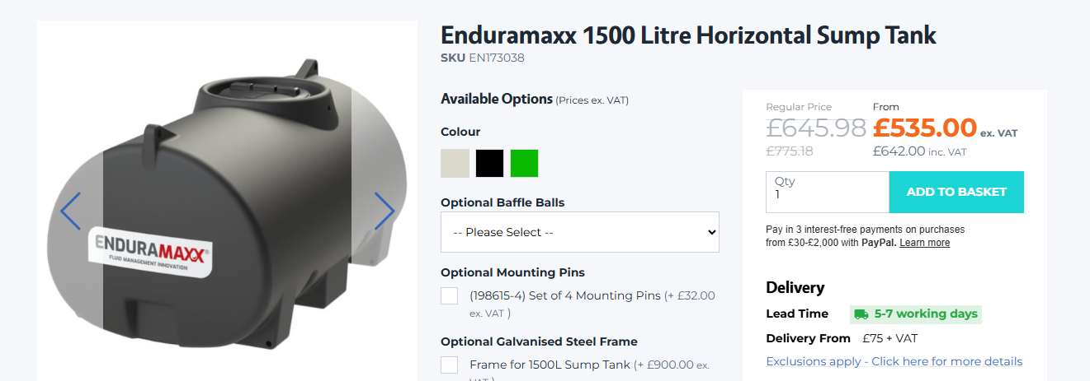
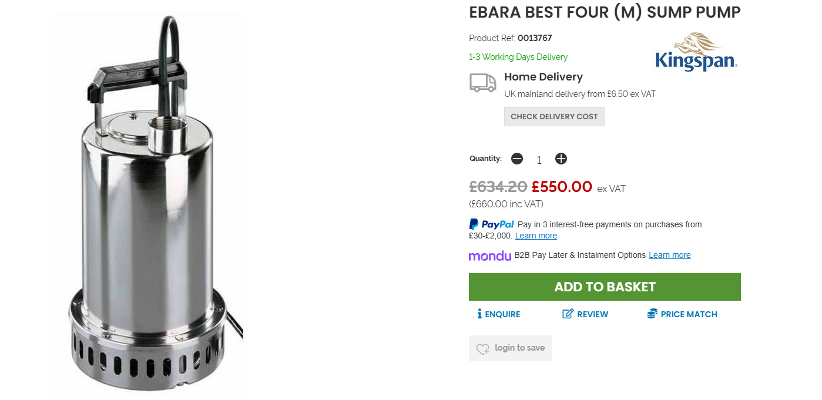

4. Work Surfaces
Bench
8m
Analytical Lab
&
Met Lab Overspill
Storage
Shelves

Table

7m

Pilot Area
4m
Staff Rest Area & Training
6m
Grind & Sieve
No
Met Laboratory
42

Locker Room
10m
-

Table
Site Managers Office
6
Shower & Changing

Design Office
Office

7m

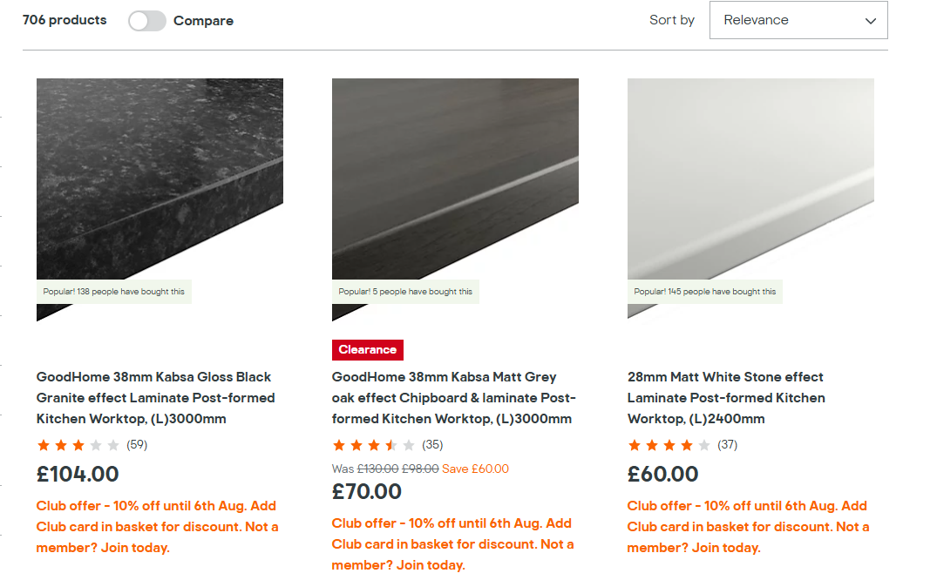

5. LEV
 |  |  | Analytical Lab
 |  |  | Two 1m or 1.5m length fume cupboards
 |  |  | Ext A2 pipe dimater in region of 6 to 8 inch
 |  |  | One hood for AA (0.25 by 0.25m)
External Extractor Fan
 |  |  | Ext A1 pipe dimater in region of 4 inch, 5 m length (max)
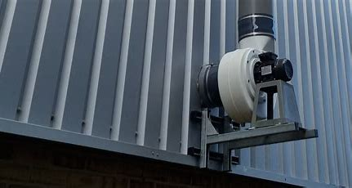
Ext. C
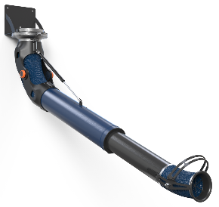

Fume
Ext. A2

Fume Cupboards
External Extractor Fan
Analytical Lab
&
Met Lab Overspill

Storage
ICP

 |  |  |  | External fan | Flexi dust collector arm

Hood
Ext. A1
Pilot Area
Staff Rest Area & Training
Grinding Room
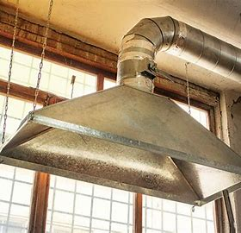
External Extractor Fan
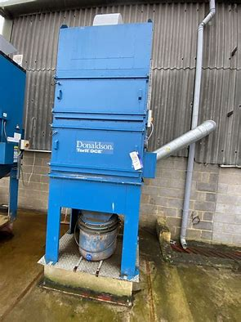

Locker Room
Met Laboratory

Site Managers Office
Shower & Changing
Arm
Ducting

Design Office
Office
Hood
Arm
Hood
Ext. B

 |  |  |  |  | Dust collection hood
External Extractor Fan
or
External Dust Collector

 |  |  | Met Lab
Pilot Plant |  |  | Two 0.5m by 0.5m Hoods
Two 3m flexi arms |  |  | Two 1.5m extention arms | External dust collector
Eight blanks with gates |  |  | Gates on each outlet
Ext C pipe dimater in region of 4 inch |  |  | Two blanks for future expansion
17m length (subject to measuring) |  |  | External pipe diameter in region of 4 inch
 |  |  | 10m length (subject to measuring)

 |  | Cost, £
 | Fume
 | ICP
 | Ducting
 | Dust House
 | Two Ext. Fans
 | Total | 0

6. Gas and Air Pipes
Small vent pipe
(about 1 inch diameter)

Small compressed air pipe
(about 0.5 inch diameter)
Analytical Lab
&
Met Lab Overspill
Office
A

Compressor

C
Storage
Small gas pipe
(about 0.5 inch diameter)

Caged gases

Pilot Area
D
Staff Rest Area & Training
Grinding Room

Locker Room
Met Laboratory

Site Managers Office
Shower & Changing

Design Office
Office

B

Compressor

A
B
C
D
TOTAL | 0

7. Misc
