Annex C
Annex C: Vessel Maintenance Tasks

Annex C |  |  | Description | Qty | DoQ | Description of Service | Acknowledgement / Unit Price | Total Firm Cost

 | Note |  |  |  |  | Where it is stipulated in this Requirement that approved engineers/agents are to be used, the Supplier shall submit details, to include business address and contact details, to the Authority, of these engineers/agents who will carry out the work alongside the formal quotation.
1.0 | Deck. This item not required on this contract.
 | Note |  |  |  |  | Inspect, Test and replace as required Raised Coaming water-tight hatches and replace hatch seals.
 | 1.1 |  | Replace | 1 | Ea. | Hatch Seals on Weather deck Fwd./Lower Deck Fwd. Accommodation. Size of seal is 852mm x 852mm. Total seal length 3,268mm. The seal is 35mm wide and has a depth of 30mm. (The total seal length has been adjusted to account for overlap)
 | 1.2 |  | Replace | 1 | Ea. | Hatch Seals on Weather deck / Waist Main Engine Room Access. Size of seal is 653mm x 662mm. Total seal length 2,472mm. The seal is 35mm wide and has a depth of 30mm. (The total seal length has been adjusted to account for overlap)
 | 1.3 |  | Replace | 1 | Ea. | Hatch Seals on Weather deck / Port Aft Peak Steering Compartment Access. Size of seal is 660mm x 660mm. Total seal length 2,500mm. The seal is 35mm wide and has a depth of 30mm. (The total seal length has been adjusted to account for overlap)
 | 1.4 |  | Replace | 1 | Ea. | Hatch Seals on Weather deck / Stbd Aft Steering Compartment Access. Size of seal is 660mm x 660mm. Total seal length 2,500mm. The seal is 35mm wide and has a depth of 30mm. (The total seal length has been adjusted to account for overlap)
 | 1.5 |  | Test | 4 | Ea. | On completion of all work, function test the hatches to prove security and water-tight integrity.
2.0 | Engine Room Dampers. This item not required on this contract.
 | Note |  |  |  |  | Inspect, Test and Overhaul dampers and Replace seals.
 | 2.1 |  | Replace | 2 | Ea. | Engine room damper seal, port side aft, 2 off. Size of seal to be provided.
 | 2.2 |  | Replace | 1 | Ea. | Engine room damper seal, port side aft off side entrance door, 1 off. Size of seal to be provided.
 | 2.3 |  | Replace | 2 | Ea. | Engine room damper seal, starboard side aft, 2 off. Size of seal to be provided.
 | 2.4 |  | Replace | 1 | Ea. | Engine room damper seal, starboard side aft of sid entrance door, 1 off. Size of seal to be provided.
 | 2.5 |  | Test | 6 | Ea. | On completion of all work, function test the damper to prove security and limit switches operate.
3.0 | Maine Engines: Caterpillar 3516B. This item not required on this contract.
 | Note |  |  |  |  | Main Engine lubrication oil capacity is 405 litres (CRB Multi 15/40), Oil and Filters will be supplied by the Authority. In addition to the work detailed herein, both main engines will be subject to annual maintenance tasks contracted separately by the Authority. Work under this requirement must be chronologically arranged to coincide with both the Supplier and Authority scope of work.
 | 3.1 |  | Change | As | Req. | Change oil and filters on both Port and Stbd Caterpillar 3516B main engines as per lines 3.2 - 3.5.
 | 3.2 |  | Dispose | 900 | Litres | Existing main engine lubrication oil charge is to be pumped out and disposed of in accordance with extant regulations.
 | 3.3 |  | Renew | 6 | Ea. | Renew main engine lubrication oil filter (CAT Part 1R-7026) 3 off and not the auxliary filter and dispose of old filters in accordance with extant regulations.
 | 3.4 |  | Replenish | 900 | Litres | Replenish the lubrication oil charge.
 | 3.5 |  | Change | 10 | Ea. | Renew main engine fuel filter (only change the 5x main filters) [CAT Part 1R-7056] and dispose of in accordance with extant regulations.
4.0 | Main Engine Port and Starboard Reintjes WLS930 Reduction Gearboxes. This item not required on this contract.
 | Note |  |  |  |  | This service is to be completed by an approved Reintjes service agent.
 |  |  |  |  |  | Main Gearbox lubrication oil capacity is 90 litres (Castrol MHP 153), Lube Oil to be supplied by the Authority.
 | 4.1 |  | Inspect | 1 | Ea. | Annual external and internal inspection.
 |  | 4.1.1 | Inspect | 1 | Ea. | Open the Inspection plates and carryout an internal inspection of the pinions and gearwheels in accordance with Reintjes WLS and WVS maintenance service routines.
 |  | 4.1.2 | Test & Adjust | As | Req. | Test all temperature and pressure shut down devices.
 |  | 4.1.3 | Test & Adjust | As | Req. | Test all sensors, inter-switches, and alarm systems for correct operation.
 |  | 4.1.4 | Dispose | 180 | Litres | Existing gearbox lubricating oil charge is to be pumped out and disposed of in accordance with extant regulations.
 |  | 4.1.5 | Renew | 2 | Ea. | Renew the in-use lubricating oil filters (only change the in-use oil filter). To be supplied by approved Reintjes service agent.
 |  | 4.1.6 | Change | 2 | Ea. | Change the sinter filters. To be supplied by approved Reintjes service agent.
 |  | 4.1.7 | Replenish | 180 | Litres | Replenish the lubricating oil charge.
 |  | 4.1.8 | Report | 1 | Ea. | On completion, a Reintjes Service Report is to be provided to the Border Force Overseeing Officer (BFOO) in both hard and electronic copy formats.
5.0 | Steering Gear Installation. This item not required on this contract.
 | Note |  |  |  |  | There are two electronically linked Steering Gear installations each installation has two hydraulic pumps and consequently two starters. Filters to be supplied by the supplier.
 | 5.1 |  | Inspect | 2 | Ea. | Carry out visual and physical inspection of the Port and Starboard steering gear installations.
 |  | 5.1.1 | Check | As | Req. | Hydraulic leaks.
 |  | 5.1.2 | Check | 2 | Ea. | Cylinders and rams for leakage.
 |  | 5.1.3 | Check | As | Req. | Tightness / security of linkages and connection.
 |  | 5.1.4 | Inspect | As | Req. | Inspect tank anti-vibration mounts.
 | 5.2 |  | Replace | 4 | Ea. | Port and Starboard steering system hydraulic filters. Part number Fairey Arlon TXX2-10
 | 5.3 |  | Report | 1 | Ea. | Inspection Report is to be provided to the BFOO in both hard and electronic copy formats.
6.0 | Veth 90 Bow Thruster & Hydraulic System. This item not required on this contract.
 | Note |  |  |  |  | Filters are supplied by the authority
 | 6.1 |  | Survey and Report | 1 | Ea. | Survey the condition of the Bow Thruster flexible coupling element and the mounting bolts and report findings to BFOO.
 |  | 6.1.1 |  |  |  | Drain-down the existing lube oil and dispose of in an environmental facility.
 |  | 6.1.2 |  |  |  | Replace lube oil, ensuring all air pockets are vented.
 |  | 6.1.3 |  |  |  | Replace lube oil filter.
 |  | 6.1.4 |  |  |  | 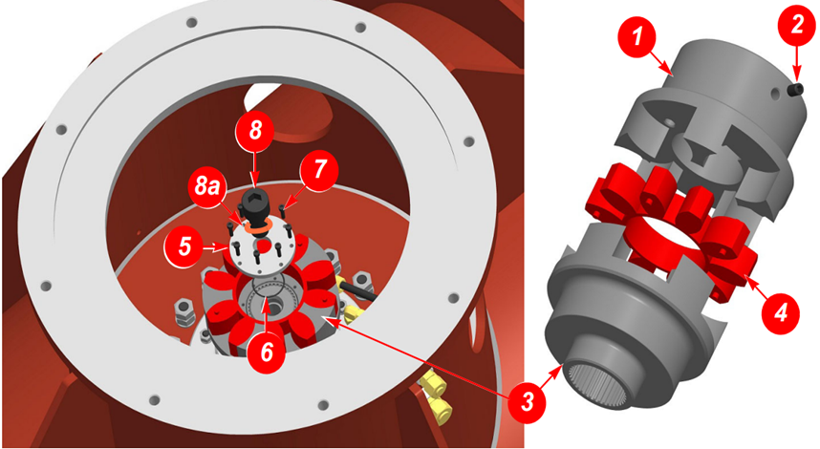 Inspect the drive-coupling between the drive motor and propeller drive shaft. (See ection 6 of the Veth 90 manual)
 |  | 6.1.5 |  |  |  | Clean the electronics control box.
 |  | 6.1.6 |  |  |  | Check the grounding of the electrical components.
 |  | 6.1.7 |  |  |  | Service Report in both hard and electronic copy formats is to be provided to the BFOO along with a working functional demonstration.
 | 6.2 |  |  |  |  | The following Bow Thruster hydraulic power pack hydraulic oil filters are to be changed.
 |  | 6.2.1 | Replace | 1 | Ea. | Circulation Filter Element No RMF offline OL 1-2 series E26 9317578.
 |  | 6.2.2 | Replace | 1 | Ea. | Tank Top Return Filter H33OG20B.
 |  | 6.2.3 | Replace | 1 | Ea. | Radial micro filtration conditioning filter RMF KL120/K121R
 |  | 6.2.4 | Replace | 3 | Ea. | Inline Filter H160R20N.
 | 6.3 | Hydraulic power pack oil heat exchanger.
 |  | 6.3.1 | Remove, Disassemble, Maintain and Inspect | 1 | Ea. | Remove, clean, and inspect hydraulic power pack oil heat exchanger.
 |  | 6.3.2 | Reassemble and Test | 1 | Ea. | Reassemble using new seals, original end plates (end plates to be replaced if worn with agremment of the BFOO) and conduct pressure test at 5bar for 30 minutes.
 |  | 6.3.3 | Refit | 1 | Ea. | Refit heat exchanger.
7.0 | Emergency Fire Pump. This item not required on this contract.
 | Note |  |  |  |  | Service spares are supplied by the Supplier
...

