Lot 1 Evaluated
Lot 1 - Office Furniture (Standard and Government Corporate) - Evaluated
Total Overall Price |  |  |  | £-
See Framework Schedule 1 General Specification: Specific Mandatory Requirements Lot 1 |  |  |  |  |  |  |  |  |  | Supply & Delivery Only |  |  |  |  | Supply, Delivery & Installation
Framework Product Serial No | CCS Product / Service Level Group Level 1 | CCS Product / Service Level Group Level 2 | UNSPSC | Product Description | Power Options | Visual - Please note: Images provided are representative but not exact to the requirement | Dimensions | Variant | Estimated Annual Volume | Unit Cost (£) | Mark Up (£) | Total Unit Cost (Unit Cost + Mark Up) | Total Basket Price (Total Unit Price x Est Annual Volume) | Mark Up (%) | Unit Cost (£) | Mark Up (£) | Total Unit Cost (Unit Cost + Mark Up) | Total Basket Price (Total Unit Price x Est Annual Volume) | Mark Up (%)
THZ-01-MS / S | Accessories | Monitor Arm | 43212002 | Adjustable Monitor Arm White/Black/Metallic Finish Specification Detail: -To be available in single, double, triple or quadruple monitor configurations. Aluminium monitor arms to be fitted to work tops as required. -Fixed to desk via clamp mechanism -Arm rotation to allow for monitor position in landscape and portrait format -Monitors to sit as far back on the desk as possible while still being side by side -Monitor arms to be able to move independently of each other and prevent transference of movement or clashing with neighbouring user equipment, with locking mechanism -Minimum weight per arm of 9kg -No visible logo or branding tags, buttons, or plates to be used in products -Cable management |  | 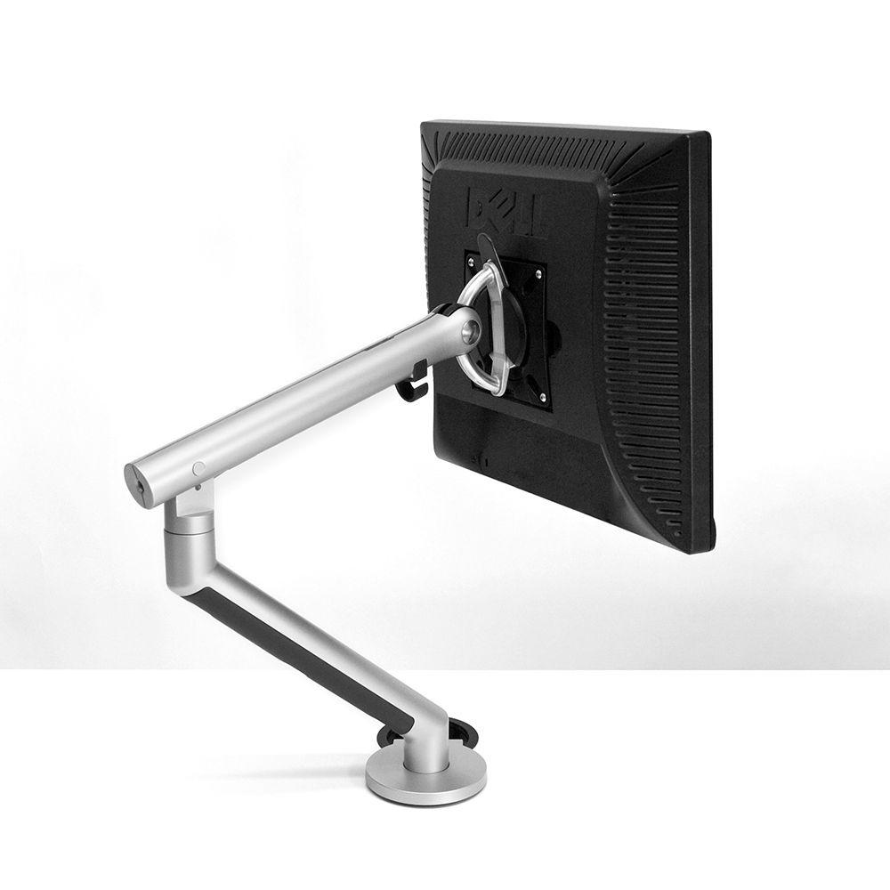 | Arm length: approx. 600mm from centre of arm to centre of monitor Height: approx. 290mm | Single | 80 |  |  | £- | £- | #DIV/0! |  |  | £- | £- | #DIV/0!
THZ-01-MS / D |  |  |  |  |  |  |  | Dual | 1300 |  |  | £- | £- | #DIV/0! |  |  | £- | £- | #DIV/0!
THZ-01-MS / T |  |  |  |  |  |  |  | Triple | 100 |  |  | £- | £- | #DIV/0! |  |  | £- | £- | #DIV/0!
THZ-01-MS / Q |  |  |  |  |  |  |  | Quadruple | 50 |  |  | £- | £- | #DIV/0! |  |  | £- | £- | #DIV/0!
THZ-01-RMC / WP | Storage | Tambour Unit End of Desk | 56101530 | Tambour Unit - End of Desk With or without rigid planter Powder coated white / grey / anthracite / black standard matt finish Specification Detail: -Adjustable levelling feet -Side Tambour Doors with key lock -Planter must be rigid and planter liners to be provided for all planters -Fixings to be provided for back to back units for great stability (to include manufacturers fixing instructions) -All storage units should be within the same design range -Internal components within the storage units to include (but not limited to): plain shelves, combination shelves, pull-out shelves, slotted shelves, lateral rails, lateral shelves, pull-out filing frames, pull-out drawers, drawer dividers -No visible logo or branding tags, buttons, or plates to be used in products |  | 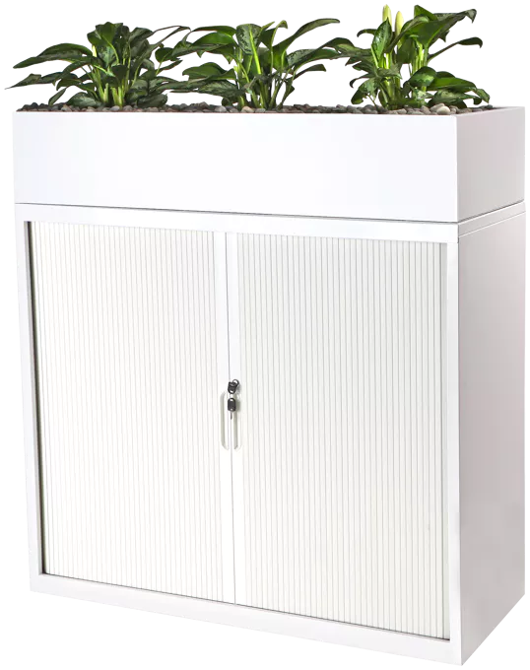 | Tambour Unit Dimensions: Depth: 450-500mm Height: 720mm (Approx) Width: 800 -1000mm Planter Unit Dimensions: Depth: 450-500mm Height: 150mm Width: 800 -1000mm | With rigid planter | 50 |  |  | £- | £- | #DIV/0! |  |  | £- | £- | #DIV/0!
THZ-01-RMC / WOP |  |  |  |  |  |  |  | Without rigid planter | 50 |  |  | £- | £- | #DIV/0! |  |  | £- | £- | #DIV/0!
THZ-01-RMCa / WP | Storage | Tambour Unit Free standing | 56101530 | Tambour Unit - Free Standing With or without planter Powder coated white / grey / anthracite / black standard matt finish Specification Detail: -Side Tambour Doors with key lock -Adjustable levelling feet -Fixings to be provided for back to back units for great stability (to include manufacturers fixing instructions). -Planter liners to be provided to all planters -All storage units should be within the same design range -Internal components within the storage units to include (but not limited to): plain shelves, combination shelves, pull-out shelves, slotted shelves, lateral rails, lateral shelves, pull-out filing frames, pull-out drawers, drawer dividers -No visible logo or branding tags, buttons, or plates to be used in products |  |  | Tambour Unit Dimensions: Depth: 450-500mm Height: 1200mm Approx Width: 800 - 1000mm Planter Unit Dimensions: Depth: 450-500mm Height: 150mm Width: 800 -1000mm | With planter | 50 |  |  | £- | £- | #DIV/0! |  |  | £- | £- | #DIV/0!
THZ-01-RMCa / WOP |  |  |  |  |  |  |  | Without planter | 50 |  |  | £- | £- | #DIV/0! |  |  | £- | £- | #DIV/0!
THZ-01-RMCb | Storage | Tambour Unit Against the wall | 56101530 | Tambour Unit - Against the wall Powder coated white / grey / anthracite / black standard matt finish Specification Detail: -Side Tambour Doors with key lock -Adjustable levelling feet -Fixings to be provided for back to back units for great stability (to include manufacturers fixing instructions). -All storage units should be within the same design range -Internal components within the storage units to include (but not limited to): plain shelves pull-out drawers drawer dividers -No visible logo or branding tags, buttons, or plates to be used in products |  | 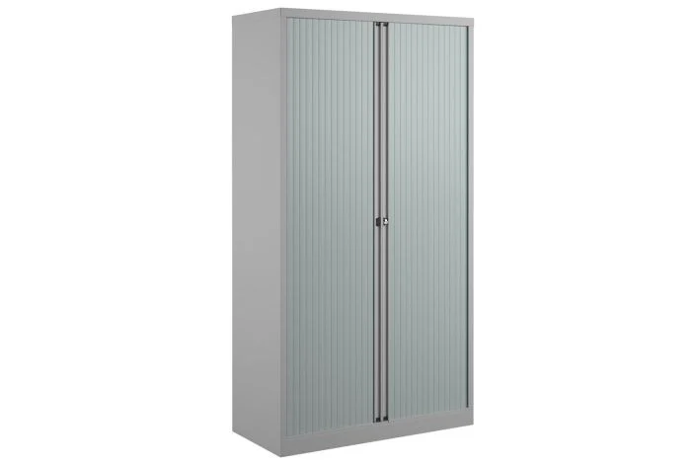 | Tambour Unit Dimensions: Depth: 450-500mm Height: 1800mm (max) Width: 800 -1000mm | N/A | 50 |  |  | £- | £- | #DIV/0! |  |  | £- | £- | #DIV/0!
THZ-01-STC / DONOT-01-STC / INTER-01-STC / B123.5 / WB | Seating | Task Chair Mesh Back | 56101504 | Fully Ergonomic Task Chair - Mesh Back 100,000 rubs (Martindale) Manufacturer fabric bands 1-3 Upholstered seat Colourways: From a range of standard colours (see tables D1 and E1 at the bottom of this price matrix and the GPA Design Guide) Specification Detail: -Mesh back with Lumbar Support – adjustable lumbar pad (100mm of travel) -Lumbar adjustment dial (50mm of travel) -Adjustable seat slide -Upholstered Combustion Modified High Resilience (CMHR) foam seat base -Maximum weight 23.5 stone / 30 stone options -5 star steel base (60mm) -Adjustable arms with 180 degree pad rotation -Black frame and arms -Synchronous and weight balancing action - with locking capability and/or “comfort dial” to adjust the amount of back tension and recline. -All adjustment mechanisms to be easily accessible -No visible logo or branding tags, buttons, or plates to be used in products |  | 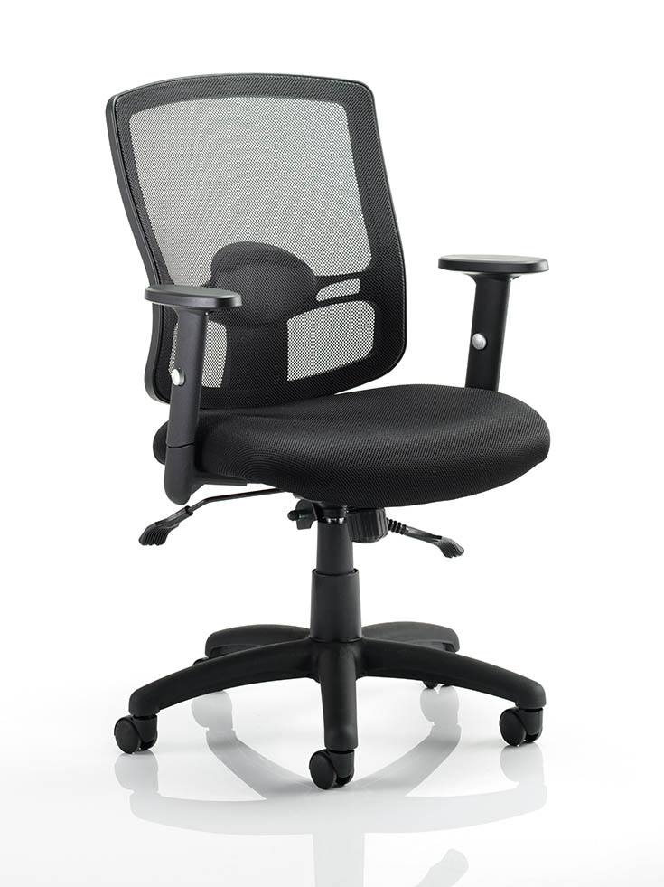 | Adjustable Seat Height: Min 380mm (+/- 5mm) Max 535mm (to comply with HSG57 - Seating at Work document) Adjustable Arm: H: 100mm, W: 35mm | Fabric Band 1 / Up to 23.5 stone / Weight Balancing Option | 110 |  |  | £- | £- | #DIV/0! |  |  | £- | £- | #DIV/0!
THZ-01-STC / DONOT-01-STC / INTER-01-STC / B123.5 / CD |  |  |  |  |  |  |  | Fabric Band 1 / Up to 23.5 stone / Comfort Dial Option | 110 |  |  | £- | £- | #DIV/0! |  |  | £- | £- | #DIV/0!
THZ-01-STC / DONOT-01-STC / INTER-01-STC / B123.5 / WBCD |  |  |  |  |  |  |  | Fabric Band 1 / Up to 23.5 stone / Weight Balancing & Comfort Dial Option | 110 |  |  | £- | £- | #DIV/0! |  |  | £- | £- | #DIV/0!
THZ-01-STC / DONOT-01-STC / INTER-01-STC / B130 / WB |  |  |  |  |  |  |  | Fabric Band 1 / Up to 30 stone / Weight Balancing Option | 30 |  |  | £- | £- | #DIV/0! |  |  | £- | £- | #DIV/0!
THZ-01-STC / DONOT-01-STC / INTER-01-STC / B130 / CD |  |  |  |  |  |  |  | Fabric Band 1 / Up to 30 stone / Comfort Dial Option | 30 |  |  | £- | £- | #DIV/0! |  |  | £- | £- | #DIV/0!
THZ-01-STC / DONOT-01-STC / INTER-01-STC / B130 / WBCD |  |  |  |  |  |  |  | Fabric Band 1 / Up to 30 stone / Weight Balancing & Comfort Dial Option | 30 |  |  | £- | £- | #DIV/0! |  |  | £- | £- | #DIV/0!
THZ-01-STC / DONOT-01-STC / INTER-01-STC / B223.5 / WB |  |  |  |  |  |  |  | Fabric Band 2 / Up to 23.5 stone / Weight Balancing Option | 110 |  |  | £- | £- | #DIV/0! |  |  | £- | £- | #DIV/0!
THZ-01-STC / DONOT-01-STC / INTER-01-STC / B223.5 / CD |  |  |  |  |  |  |  | Fabric Band 2 / Up to 23.5 stone / Comfort Dial Option | 110 |  |  | £- | £- | #DIV/0! |  |  | £- | £- | #DIV/0!
THZ-01-STC / DONOT-01-STC / INTER-01-STC / B223.5 / WBCD |  |  |  |  |  |  |  | Fabric Band 2 / Up to 23.5 stone / Weight Balancing & Comfort Dial Option | 110 |  |  | £- | £- | #DIV/0! |  |  | £- | £- | #DIV/0!
THZ-01-STC / DONOT-01-STC / INTER-01-STC / B230 / WB |  |  |  |  |  |  |  | Fabric Band 2 / Up to 30 stone / Weight Balancing Option | 30 |  |  | £- | £- | #DIV/0! |  |  | £- | £- | #DIV/0!
THZ-01-STC / DONOT-01-STC / INTER-01-STC / B230 / CD |  |  |  |  |  |  |  | Fabric Band 2 / Up to 30 stone / Comfort Dial Option | 30 |  |  | £- | £- | #DIV/0! |  |  | £- | £- | #DIV/0!
THZ-01-STC / DONOT-01-STC / INTER-01-STC / B230 / WBCD |  |  |  |  |  |  |  | Fabric Band 2 / Up to 30 stone / Weight Balancing & Comfort Dial Option | 30 |  |  | £- | £- | #DIV/0! |  |  | £- | £- | #DIV/0!
THZ-01-STC / DONOT-01-STC / INTER-01-STC / B323.5 / WB |  |  |  |  |  |  |  | Fabric Band 3 / Up to 23.5 stone / Weight Balancing Option | 300 |  |  | £- | £- | #DIV/0! |  |  | £- | £- | #DIV/0!
THZ-01-STC / DONOT-01-STC / INTER-01-STC / B323.5 / CD |  |  |  |  |  |  |  | Fabric Band 3 / Up to 23.5 stone / Comfort Dial Option | 300 |  |  | £- | £- | #DIV/0! |  |  | £- | £- | #DIV/0!
THZ-01-STC / DONOT-01-STC / INTER-01-STC / B323.5 / WBCD |  |  |  |  |  |  |  | Fabric Band 3 / Up to 23.5 stone / Weight Balancing & Comfort Dial Option | 300 |  |  | £- | £- | #DIV/0! |  |  | £- | £- | #DIV/0!
THZ-01-STC / DONOT-01-STC / INTER-01-STC / B330 / WB |  |  |  |  |  |  |  | Fabric Band 3 / Up to 30 stone / Weight Balancing Option | 30 |  |  | £- | £- | #DIV/0! |  |  | £- | £- | #DIV/0!
THZ-01-STC / DONOT-01-STC / INTER-01-STC / B330 / CD |  |  |  |  |  |  |  | Fabric Band 3 / Up to 30 stone / Comfort Dial Option | 30 |  |  | £- | £- | #DIV/0! |  |  | £- | £- | #DIV/0!
THZ-01-STC / DONOT-01-STC / INTER-01-STC / B330 / WBCD |  |  |  |  |  |  |  | Fabric Band 3 / Up to 30 stone / Weight Balancing & Comfort Dial Option | 30 |  |  | £- | £- | #DIV/0! |  |  | £- | £- | #DIV/0!
THZ-02-STC / DONOT-02-STC / INTER-02-STC / B123.5 / WB | Seating | Task Chair Foam Back | 56101504 | Fully Ergonomic Task Chair - Upholstered Back. 100,000 rubs (Martindale) Manufacturer fabric bands 1-3 Upholstered seat Colourways: From a range of standard colours (see tables D1 and E1 at the bottom of this price matrix and the GPA Design Guide) Specification Detail: -Upholstered back with Lumbar Support – adjustable lumbar pad (100mm of travel) -Adjustable seat slide -Upholstered Combustion Modified High Resilience (CMHR) foam seat base -Maximum weight 23.5 stone / 30 stone options -5 star steel base (60mm) -Adjustable arms with 180 degree pad rotation -Black frame and arms -Synchronous and weight balancing action with locking capability and/or “comfort dial” to adjust the amount of back tension and recline -All adjustment mechanisms to be easily accessible -No visible logo or branding tags, buttons, or plates to be used in products |  | 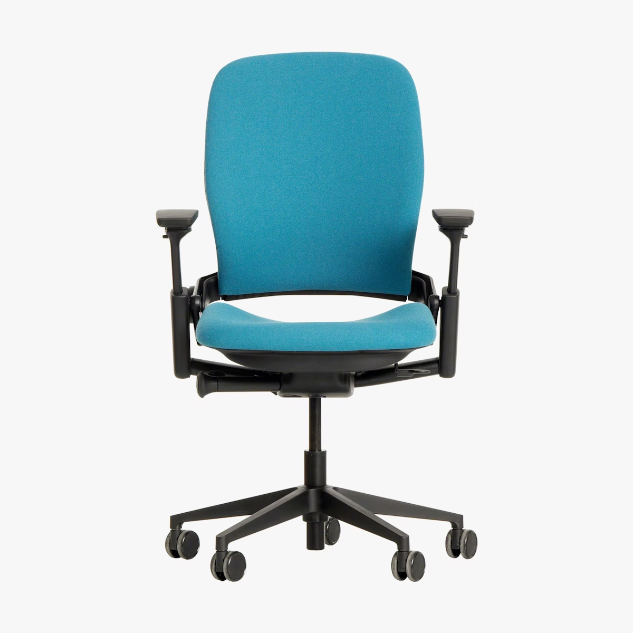 | Adjustable Seat Height: Min 380mm (+/- 5mm) Max 535mm (to comply with HSG57 - Seating at Work document) Adjustable Arm: H: 100mm, W: 35mm | Fabric Band 1 / Up to 23.5 stone / Weight Balancing Option | 110 |  |  | £- | £- | #DIV/0! |  |  | £- | £- | #DIV/0!
THZ-02-STC / DONOT-02-STC / INTER-02-STC / B123.5 / CD |  |  |  |  |  |  |  | Fabric Band 1 / Up to 23.5 stone / Comfort Dial Option | 110 |  |  | £- | £- | #DIV/0! |  |  | £- | £- | #DIV/0!
THZ-02-STC / DONOT-02-STC / INTER-02-STC / B123.5 / WBCD |  |  |  |  |  |  |  | Fabric Band 1 / Up to 23.5 stone / Weight Balancing & Comfort Dial Option | 110 |  |  | £- | £- | #DIV/0! |  |  | £- | £- | #DIV/0!
THZ-02-STC / DONOT-02-STC / INTER-02-STC / B130 / WB |  |  |  |  |  |  |  | Fabric Band 1 / Up to 30 stone / Weight Balancing Option | 30 |  |  | £- | £- | #DIV/0! |  |  | £- | £- | #DIV/0!
THZ-02-STC / DONOT-02-STC / INTER-02-STC / B130 / CD |  |  |  |  |  |  |  | Fabric Band 1 / Up to 30 stone / Comfort Dial Option | 30 |  |  | £- | £- | #DIV/0! |  |  | £- | £- | #DIV/0!
THZ-02-STC / DONOT-02-STC / INTER-02-STC / B130 / WBCD |  |  |  |  |  |  |  | Fabric Band 1 / Up to 30 stone / Weight Balancing & Comfort Dial Option | 30 |  |  | £- | £- | #DIV/0! |  |  | £- | £- | #DIV/0!
THZ-02-STC / DONOT-02-STC / INTER-02-STC / B223.5 / WB |  |  |  |  |  |  |  | Fabric Band 2 / Up to 23.5 stone / Weight Balancing Option | 110 |  |  | £- | £- | #DIV/0! |  |  | £- | £- | #DIV/0!
THZ-02-STC / DONOT-02-STC / INTER-02-STC / B223.5 / CD |  |  |  |  |  |  |  | Fabric Band 2 / Up to 23.5 stone / Comfort Dial Option | 110 |  |  | £- | £- | #DIV/0! |  |  | £- | £- | #DIV/0!
THZ-02-STC / DONOT-02-STC / INTER-02-STC / B223.5 / WBCD |  |  |  |  |  |  |  | Fabric Band 2 / Up to 23.5 stone / Weight Balancing & Comfort Dial Option | 110 |  |  | £- | £- | #DIV/0! |  |  | £- | £- | #DIV/0!
THZ-02-STC / DONOT-02-STC / INTER-02-STC / B230 / WB |  |  |  |  |  |  |  | Fabric Band 2 / Up to 30 stone / Weight Balancing Option | 30 |  |  | £- | £- | #DIV/0! |  |  | £- | £- | #DIV/0!
THZ-02-STC / DONOT-02-STC / INTER-02-STC / B230 / CD |  |  |  |  |  |  |  | Fabric Band 2 / Up to 30 stone / Comfort Dial Option | 30 |  |  | £- | £- | #DIV/0! |  |  | £- | £- | #DIV/0!
THZ-02-STC / DONOT-02-STC / INTER-02-STC / B230 / WBCD |  |  |  |  |  |  |  | Fabric Band 2 / Up to 30 stone / Weight Balancing & Comfort Dial Option | 30 |  |  | £- | £- | #DIV/0! |  |  | £- | £- | #DIV/0!
THZ-02-STC / DONOT-02-STC / INTER-02-STC / B323.5 / WB |  |  |  |  |  |  |  | Fabric Band 3 / Up to 23.5 stone / Weight Balancing Option | 300 |  |  | £- | £- | #DIV/0! |  |  | £- | £- | #DIV/0!
THZ-02-STC / DONOT-02-STC / INTER-02-STC / B323.5 / CD |  |  |  |  |  |  |  | Fabric Band 3 / Up to 23.5 stone / Comfort Dial Option | 300 |  |  | £- | £- | #DIV/0! |  |  | £- | £- | #DIV/0!
THZ-02-STC / DONOT-02-STC / INTER-02-STC / B323.5 / WBCD |  |  |  |  |  |  |  | Fabric Band 3 / Up to 23.5 stone / Weight Balancing & Comfort Dial Option | 300 |  |  | £- | £- | #DIV/0! |  |  | £- | £- | #DIV/0!
THZ-02-STC / DONOT-02-STC / INTER-02-STC / B330 / WB |  |  |  |  |  |  |  | Fabric Band 3 / Up to 30 stone / Weight Balancing Option | 30 |  |  | £- | £- | #DIV/0! |  |  | £- | £- | #DIV/0!
THZ-02-STC / DONOT-02-STC / INTER-02-STC / B330 / CD |  |  |  |  |  |  |  | Fabric Band 3 / Up to 30 stone / Comfort Dial Option | 30 |  |  | £- | £- | #DIV/0! |  |  | £- | £- | #DIV/0!
THZ-02-STC / DONOT-02-STC / INTER-02-STC / B330 / WBCD |  |  |  |  |  |  |  | Fabric Band 3 / Up to 30 stone / Weight Balancing & Comfort Dial Option | 30 |  |  | £- | £- | #DIV/0! |  |  | £- | £- | #DIV/0!
THZ-01-TWB / DONOT-01-TWB / 1200 | Desking | Fixed Workstation | 56111500 | Fixed Workstation Top Material Finish: Light Grey RAL 9002 (or equivalent), White, Yellow, Baby Blue, Light Oak MFC to Sustainability requirements - see Framework Specification. Desking Frame: Powder coated white / anthracite / black standard matt finish Specification Detail: -Adjustable levelling feet -To include vertical cable management (vertical cable distribution shall allow for flexible, concealed and protect connection from floor box/grommet to horizontal cable management with segregated distribution) -To include horizontal cable management (1 x upper level cable tray – and 1 x lower level cable tray) 4 Gang UK socket to be included to connect above desking equipment to Cat B interface. -The top horizontal cable tray must have a minimum overall depth of 120mm from underside of desk surface to base of tray, and a clear access from the side of the tray of 80mm. -Cable basket/tray underneath of each bench surface for horizontal cable management -Workstation to allow integration of table top power and with monitor arms -Workstation to allow for integration of acoustic and privacy divider screens -Protective edge-banding -Power Module: See product CCS-13 within this price matrix. -No visible logo or branding tags, buttons, or plates to be used in products | 4 gang power in Cable Management per position Desktop Power module | 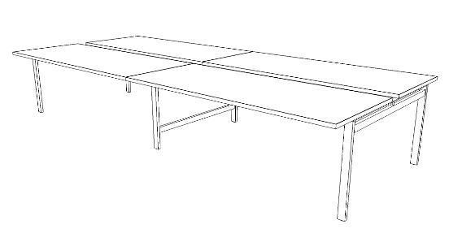 | Width: 1200/1400/1600mm Depth: 800mm Height: 730mm with +10mm tolerance (700mm minimum clearance) | Width: 1200mm | 50 |  |  | £- | £- | #DIV/0! |  |  | £- | £- | #DIV/0!
THZ-01-TWB / DONOT-01-TWB / 1400 |  |  |  |  |  |  |  | Width: 1400mm | 50 |  |  | £- | £- | #DIV/0! |  |  | £- | £- | #DIV/0!
THZ-01-TWB / DONOT-01-TWB / 1600 |  |  |  |  |  |  |  | Width: 1600mm | 50 |  |  | £- | £- | #DIV/0! |  |  | £- | £- | #DIV/0!
THZ-01-TWD / DONOT-02-TWD / 1200 | Desking | Height Adjustable Workstation | 56101703 | Height Adjustable Workstation Top Material Finish: Light Grey RAL 9002 (or equivalent), White, Yellow, Baby Blue, Light Oak MFC to Sustainability requirements - see Framework Specification. Desking Frame: Powder coated white / anthracite / black standard matt finish Specification Detail: -Frame to coordinate with height adjustable workstation -Adjustable levelling feet -Electronic push pad to adjust the height. (Location and size of operation buttons to be inclusive) -Percentage of Height Adjustable Workstations to Fixed Work Bench (minimum 50%) -To include vertical cable management (vertical cable distribution shall allow for flexible, concealed and protect connection from floor box/grommet to horizontal cable management with segregated distribution) -To include horizontal cable management (1 x upper level cable tray – and 1 x lower level cable tray) 4 Gang UK socket to be included to connect above desking equipment to Cat B interface. -The top horizontal cable tray must have a minimum overall depth of 120mm from underside of desk surface to base of tray, and a clear access from the side of the tray of 80mm. -The lower horizontal cable tray must have a dust cover and an adequately sized aperture to accommodate adequate cables/equipment as per project requirements -Cantilevered bench surface to allow for free movement of user without knee clashes – to include anti clash mechanism -Back-to-back module as standard and single unit as required -Workstation to allow integration of table top power and with monitor arms -Workstation to allow for integration of future privacy and acoustic divider screens -Protective edge-banding -Power Module: See product CCS-13 within this price matrix. -No visible logo or branding tags, buttons, or plates to be used in products | 4 gang power in Cable Management per position Desktop Power module | 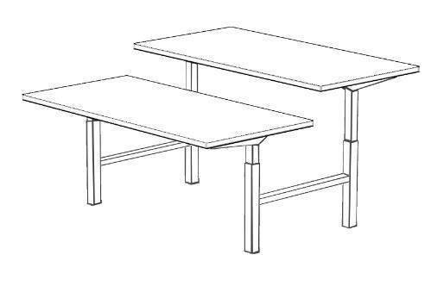 | Width: 1200/1400/1600mm Depth: 800mm Height: 650-1250mm | Width: 1200mm | 50 |  |  | £- | £- | #DIV/0! |  |  | £- | £- | #DIV/0!
THZ-01-TWD / DONOT-02-TWD / 1400 |  |  |  |  |  |  |  | Width: 1400mm | 50 |  |  | £- | £- | #DIV/0! |  |  | £- | £- | #DIV/0!
THZ-01-TWD / DONOT-02-TWD / 1600 |  |  |  |  |  |  |  | Width: 1600mm | 50 |  |  | £- | £- | #DIV/0! |  |  | £- | £- | #DIV/0!
DONOT-01-RMC / MFC1400 | Storage | Library Bookshevles | 56101530 | Library Bookshelves Adjustable shelving MFC (Colourways: From a range of standard colours (see table D1 at the bottom of this price matrix and the GPA Design Guide)) or Timber Specification Detail: -All storage to be at a maximum height of 1600mm where required in open plan office areas -All storage units should be within the same design range -No visible logo or branding tags, buttons, or plates to be used in products |  | 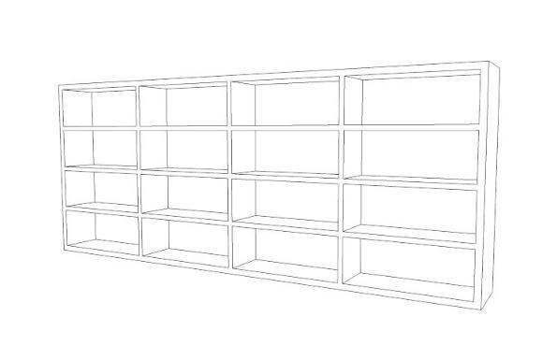 | Height 1400 x W1000 x D500 Height 1600 x W1000 x D500 | MFC 1400mm Height | 10 |  |  | £- | £- | #DIV/0! |  |  | £- | £- | #DIV/0!
DONOT-01-RMC / T1400 |  |  |  |  |  |  |  | Timber 1400mm Height | 10 |  |  | £- | £- | #DIV/0! |  |  | £- | £- | #DIV/0!
DONOT-01-RMC / MFC1600 |  |  |  |  |  |  |  | MFC 1600mm Height | 10 |  |  | £- | £- | #DIV/0! |  |  | £- | £- | #DIV/0!
DONOT-01-RMC / T1600 |  |  |  |  |  |  |  | Timber 1600mm Height | 10 |  |  | £- | £- | #DIV/0! |  |  | £- | £- | #DIV/0!
DONOT-01-SSO | Seating | High Wing Back Acoustic Chair | 56112100 | High Wing Back Acoustic Chair Fully upholstered high wing back acoustic chair Colourways: From a range of standard colours (see tables D1 and E1 at the bottom of this price matrix and the GPA Design Guide) 60,000 rubs (Martindale) Manufacturer fabric band 3 Specification Detail: -Seat height should be appropriate for the selected activity function -No visible logo or branding tags, buttons, or plates to be used in products | Power option with integrated power module on the side/front of the chair (1x power plug and 2x USB) or pose unit - to be accessible and visible when chair is in use | 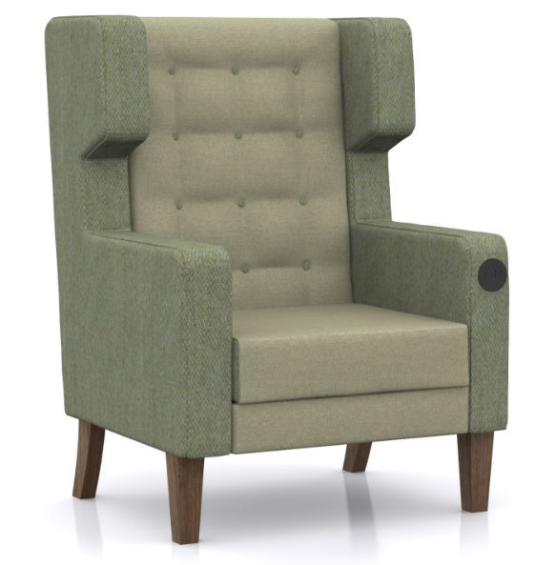 | Arm Height: 650mm Chair Height: 1110mm approx Seat Height: 420-500mm | N/A | 25 |  |  | £- | £- | #DIV/0! |  |  | £- | £- | #DIV/0!
DONOT-01-TCE / INTER-01-TCE / MFC | Desking | Laptop Table | 56101719 | Laptop Table Laptop table for use with soft seating Top Material Finish: MFC and/or HPL Base Material Finish: Metal/powder coated Flat base preferable (Bidders should price for flat base) Specification Detail: -Base to allow laptop use with soft seating -No visible logo or branding tags, buttons, or plates to be used in products -Preferred shape to suit laptop use |  | 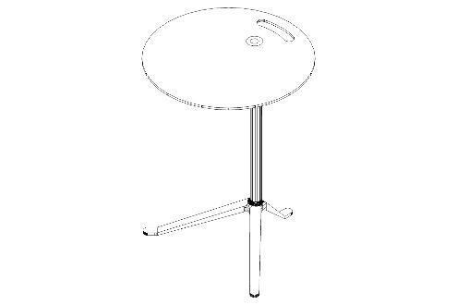 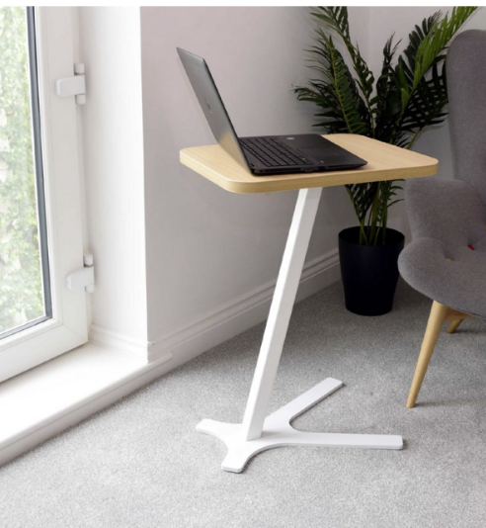 | Height: 650 minimum 750mm maximum Width: 500mm approx Depth: 400mm approx | MFC | 15 |  |  | £- | £- | #DIV/0! |  |  | £- | £- | #DIV/0!
DONOT-01-TCE / INTER-01-TCE / HPL |  |  |  |  |  |  |  | HPL | 15 |  |  | £- | £- | #DIV/0! |  |  | £- | £- | #DIV/0!
DONOT-02-TCE / INTER-01-TCEa / MFC | Desking | Height Adjustable Laptop Table | 56101719 | Height Adjustable Laptop table Height Adjustable Laptop table for use with soft seating Top Material Finish: MFC and/or HPL Base Material Finish: Metal/powder coated Flat base preferable (Bidders hould price for flat base) Specification Detail: -Base to allow laptop use with soft seating -Gas lift -No visible logo or branding tags, buttons, or plates to be used in products -Preferred shape to suit laptop use |  |  | Height: Adjustable 650mm-750mm as a minimum Width: 500mm approx Depth: 400mm approx | MFC | 15 |  |  | £- | £- | #DIV/0! |  |  | £- | £- | #DIV/0!
DONOT-02-TCE / INTER-01-TCEa / HPL |  |  |  |  |  |  |  | HPL | 15 |  |  | £- | £- | #DIV/0! |  |  | £- | £- | #DIV/0!
DONOT-01-TWD / B2FD | Seating | Work Booth (1 person) | 56101900 | Work Booth (1 person) Acoustic work booth with integrated working height desk for single occupant Finish: Integrated table in Light Oak, White, Yellow, Baby Blue, Stone Grey MFC Fabric Details: Upholstered Manufacturer fabric bands 2 or 3 Colourways: From a range of standard colours (see tables D1 and E1 at the bottom of this price matrix and the GPA Design Guide) Specification Details: -Partially enclosed with accessible entrance -Table with power and data desktop access -Option for Height Adjustable Table -Option to install a clamped monitor arm at the back slot of the table top. -Option for a lamp -No visible logo or branding tags, buttons, or plates to be used in products | 4 gang power in Cable Management per position Desktop Power module | 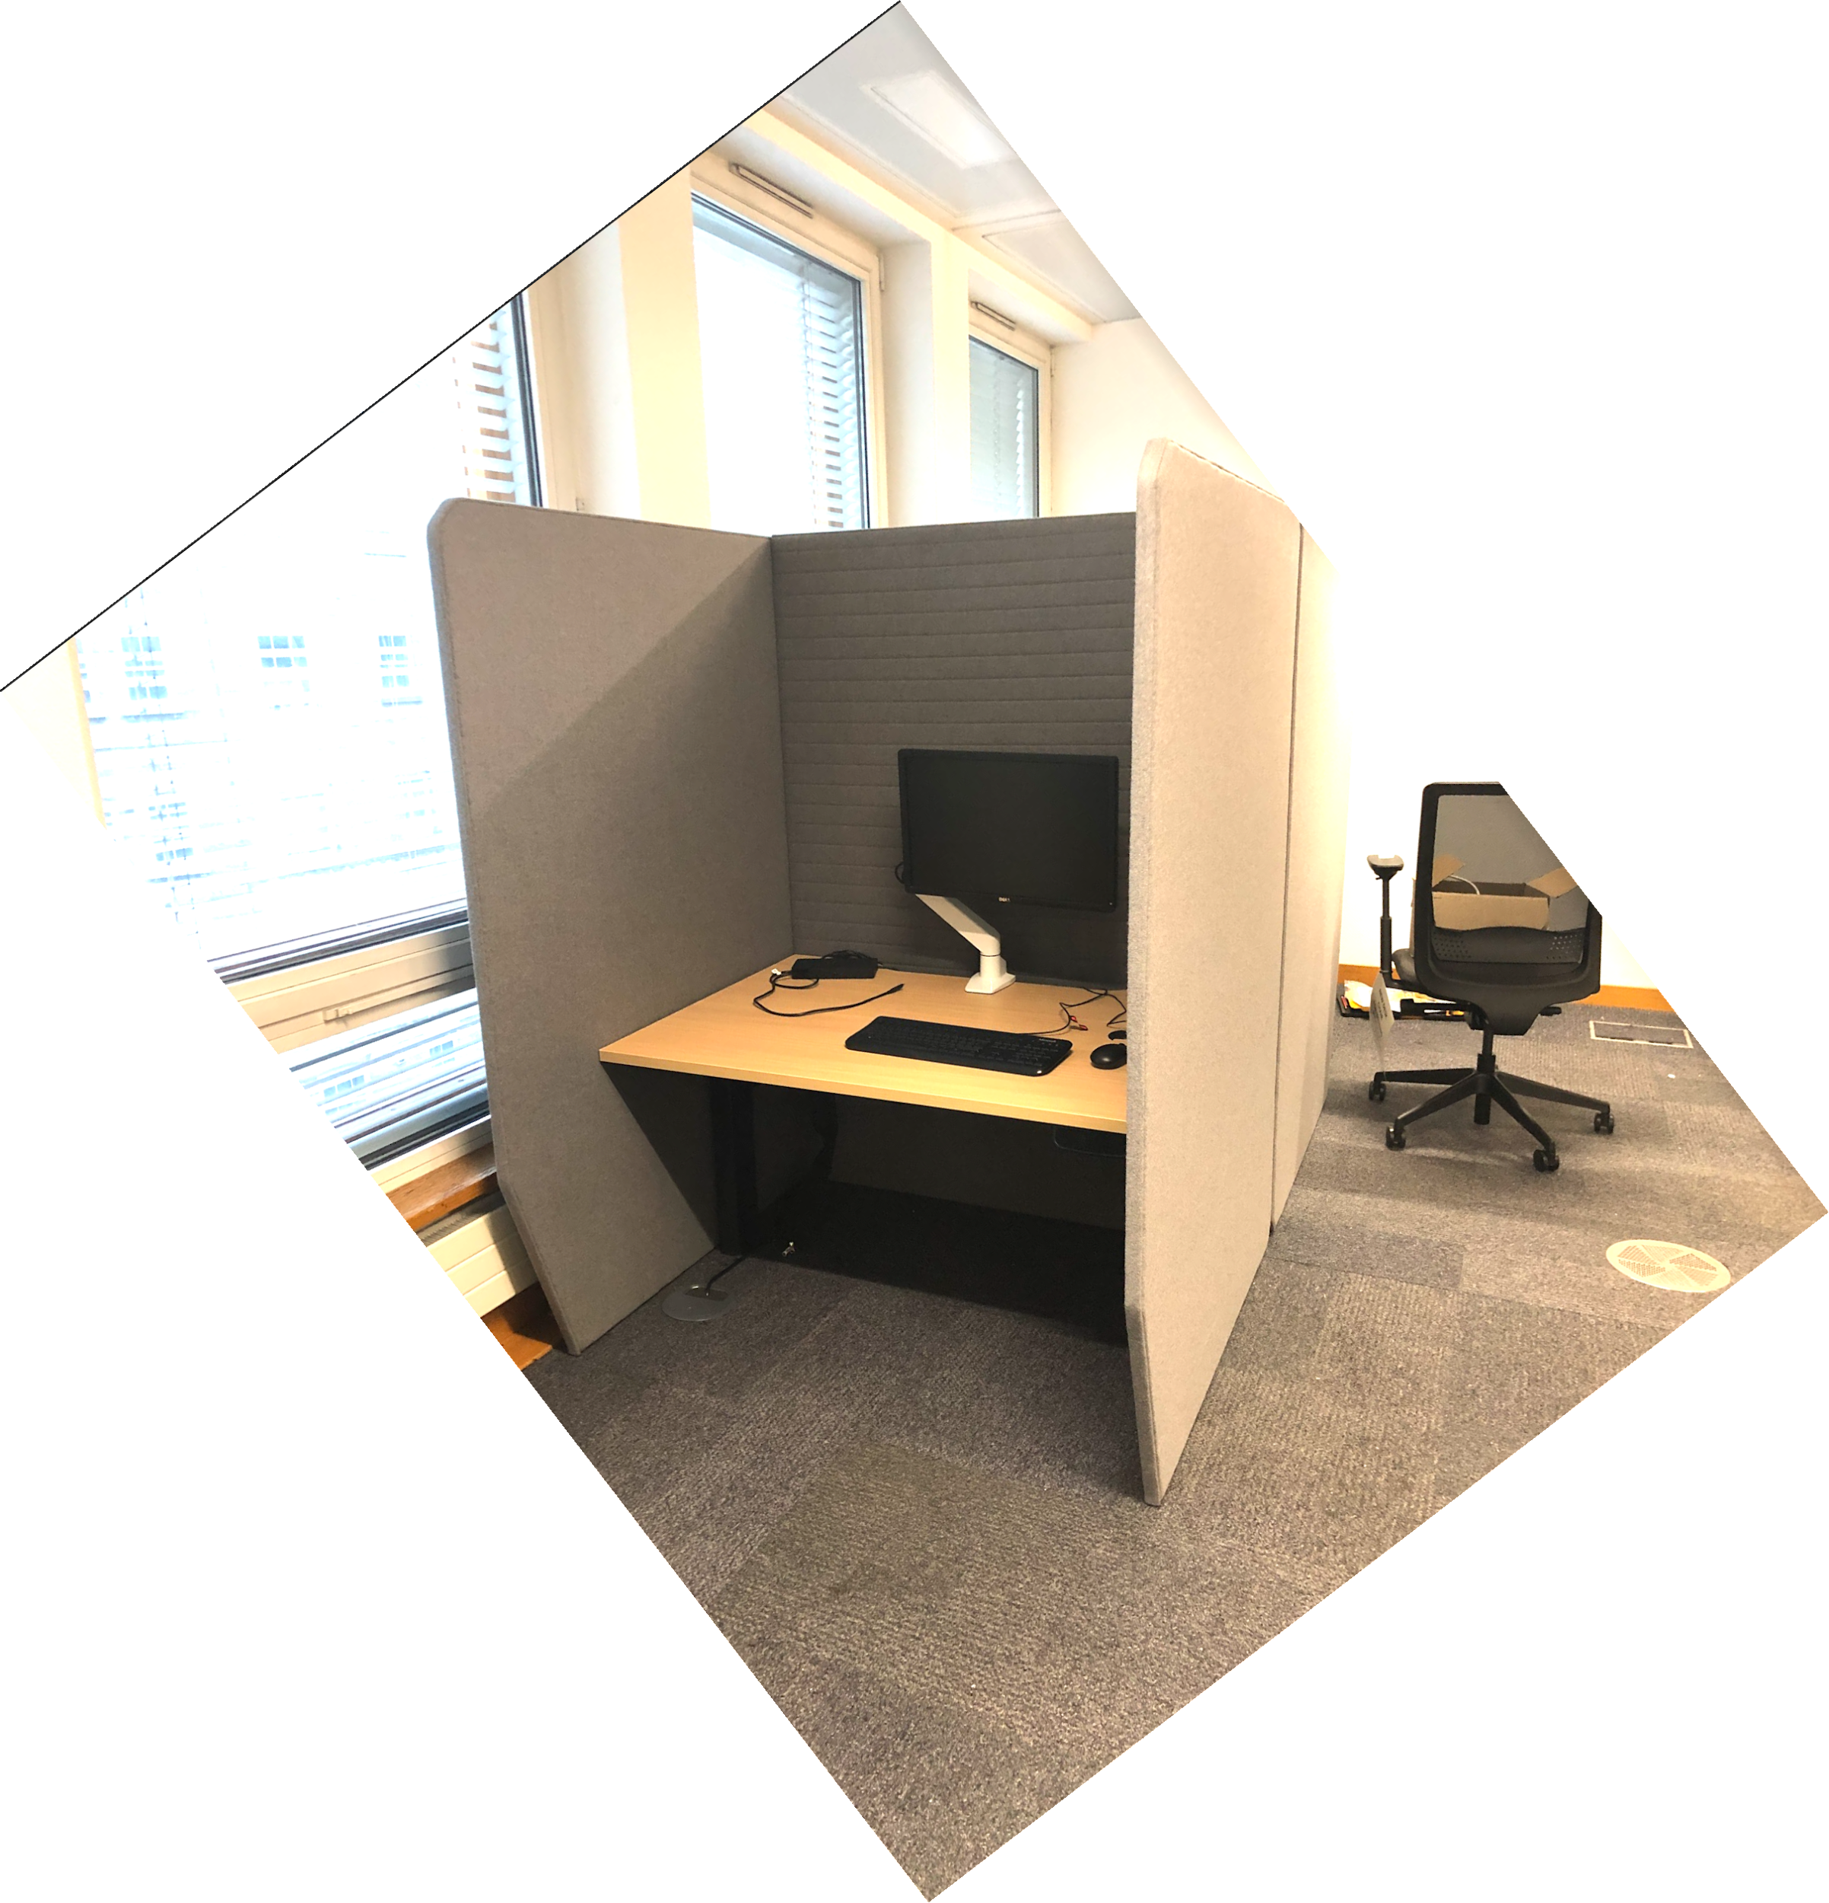 | Width: 1200mm Height: 1500mm - fixed desk 1800mm - height adjustable desk Table height: 730mm (with minimum 700mm clearance) | Fabric Band 2, Fixed Desk | 5 |  |  | £- | £- | #DIV/0! |  |  | £- | £- | #DIV/0!
DONOT-01-TWD / B2FDC |  |  |  |  |  |  |  | Fabric Band 2, Fixed Desk, Clamped Monitor Arm | 5 |  |  | £- | £- | #DIV/0! |  |  | £- | £- | #DIV/0!
DONOT-01-TWD / B2FDL |  |  |  |  |  |  |  | Fabric Band 2, Fixed Desk and Lamp | 5 |  |  | £- | £- | #DIV/0! |  |  | £- | £- | #DIV/0!
DONOT-01-TWD / B2FDCL |  |  |  |  |  |  |  | Fabric Band 2, Fixed Desk, Clamped Monitor Arm & Lamp | 5 |  |  | £- | £- | #DIV/0! |  |  | £- | £- | #DIV/0!
DONOT-01-TWD / B3FD |  |  |  |  |  |  |  | Fabric Band 3, Fixed Desk | 5 |  |  | £- | £- | #DIV/0! |  |  | £- | £- | #DIV/0!
DONOT-01-TWD / B3FDC |  |  |  |  |  |  |  | Fabric Band 3, Fixed Desk, Clamped Monitor Arm | 5 |  |  | £- | £- | #DIV/0! |  |  | £- | £- | #DIV/0!
DONOT-01-TWD / B3FDL |  |  |  |  |  |  |  | Fabric Band 3, Fixed Desk and Lamp | 5 |  |  | £- | £- | #DIV/0! |  |  | £- | £- | #DIV/0!
DONOT-01-TWD / B3FDCL |  |  |  |  |  |  |  | Fabric Band 3, Fixed Desk, Clamped Monitor Arm & Lamp | 5 |  |  | £- | £- | #DIV/0! |  |  | £- | £- | #DIV/0!
DONOT-01-TWD / B2HA |  |  |  |  |  |  |  | Fabric Band 2, Height Adjustable Desk | 5 |  |  | £- | £- | #DIV/0! |  |  | £- | £- | #DIV/0!
DONOT-01-TWD / B2HAC |  |  |  |  |  |  |  | Fabric Band 2, Height Adjustable Desk, Clamped Monitor Arm | 5 |  |  | £- | £- | #DIV/0! |  |  | £- | £- | #DIV/0!
DONOT-01-TWD / B2HAL |  |  |  |  |  |  |  | Fabric Band 2, Height Adjustable Desk and Lamp | 5 |  |  | £- | £- | #DIV/0! |  |  | £- | £- | #DIV/0!
DONOT-01-TWD / B2HACL |  |  |  |  |  |  |  | Fabric Band 2, Height Adjustable Desk, Clamped Monitor Arm & Lamp | 5 |  |  | £- | £- | #DIV/0! |  |  | £- | £- | #DIV/0!
DONOT-01-TWD / B3HA |  |  |  |  |  |  |  | Fabric Band 3, Height Adjustable Desk | 5 |  |  | £- | £- | #DIV/0! |  |  | £- | £- | #DIV/0!
DONOT-01-TWD / B3HAC |  |  |  |  |  |  |  | Fabric Band 3, Height Adjustable Desk, Clamped Monitor Arm | 5 |  |  | £- | £- | #DIV/0! |  |  | £- | £- | #DIV/0!
DONOT-01-TWD / B3HAL |  |  |  |  |  |  |  | Fabric Band 3, Height Adjustable Desk and Lamp | 5 |  |  | £- | £- | #DIV/0! |  |  | £- | £- | #DIV/0!
DONOT-01-TWD / B3HACL |  |  |  |  |  |  |  | Fabric Band 3, Height Adjustable Desk, Clamped Monitor Arm & Lamp | 5 |  |  | £- | £- | #DIV/0! |  |  | £- | £- | #DIV/0!
DONOT-03-TWD / 2400 | Desking | Library Bench (with light) | 5610706 | Library Bench (With Light) Rectangular library bench with light Top Material Finish: MFC - Dark grey with Light Oak edging Base Material/ Finish: Legs – Light Oak timber in matt standard finish Specification Details: -Light to be fitted with on-off controls, located in an easily accessible place. -Light option to be able to direct the light. -Cable management vertical/horizontal to be concealed -Protective edge-banding -No visible logo or branding tags, buttons, or plates to be used in products | 4 gang power in Cable Management per position Desktop Power module - to provide 1 no Pandora Unit - 1 for every 2 seat positions | 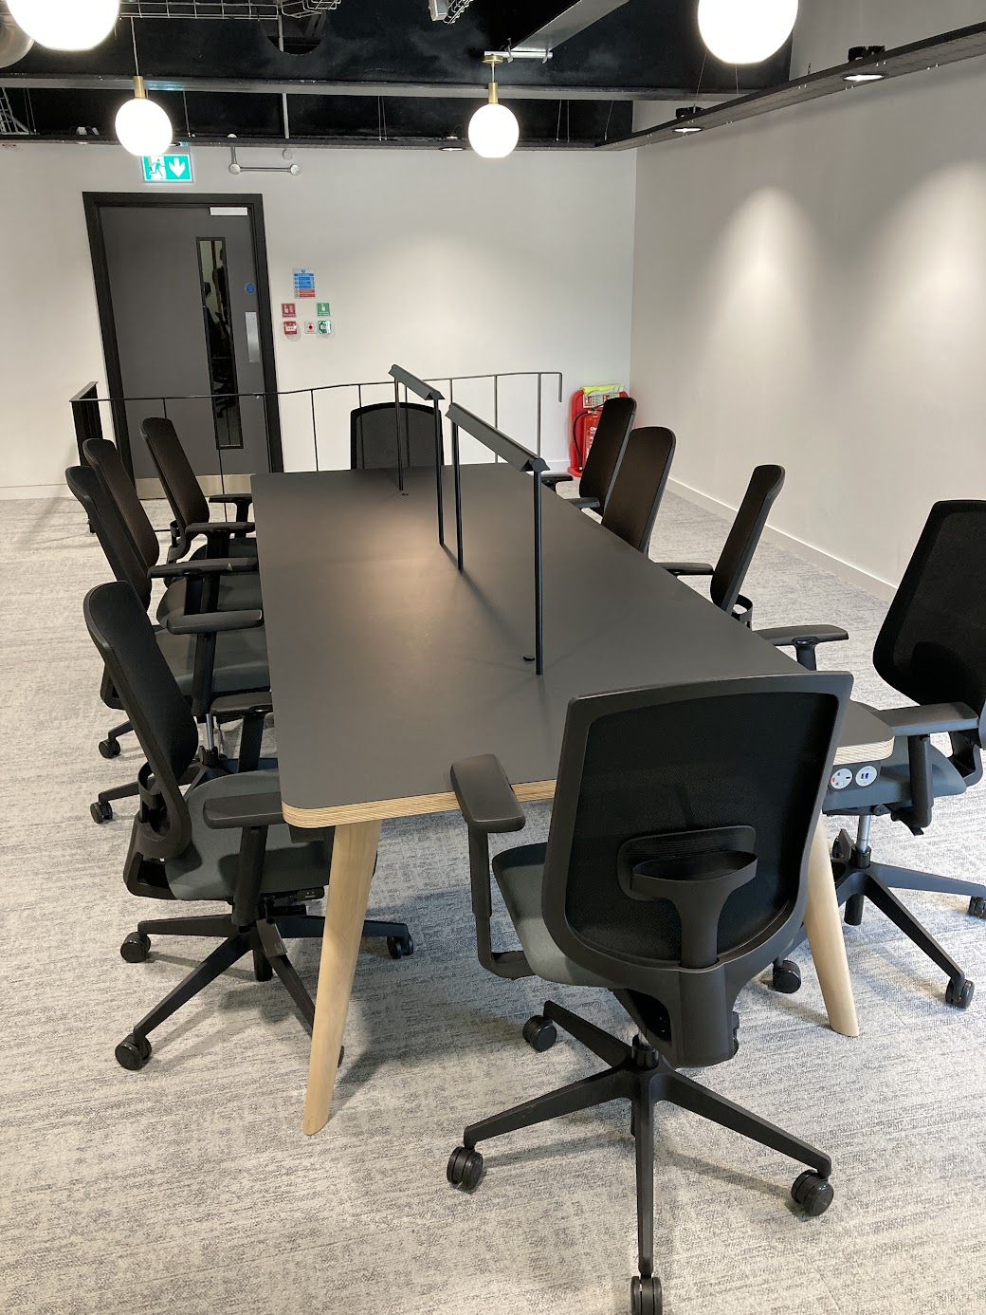 | Width: 2400mm or 3600mm Depth: 1650mm Height: 730mm (with 700mm clearance) | Width: 2400mm | 17 |  |  | £- | £- | #DIV/0! |  |  | £- | £- | #DIV/0!
DONOT-03-TWD / 3600 |  |  |  |  |  |  |  | Width: 3600mm | 17 |  |  | £- | £- | #DIV/0! |  |  | £- | £- | #DIV/0!
INTER-01-SLC / MB1 | Seating | High Back Lounge Chair | 56101522 | High Back Lounge Chair Fully upholstered high back lounge chair Material/Finish: 4 Star metal base or 4 leg timber base Fabric Details: Manufacturer fabric band 3, 2 and 1 Colourways: From a range of standard colours (see tables D1 and E1 at the bottom of this price matrix and the GPA Design Guide) Specification Details: -Fully upholstered CMHR moulded foam -Design to be project specific and to add regional accent -No visible logo or branding tags, buttons, or plates to be used in products |  | 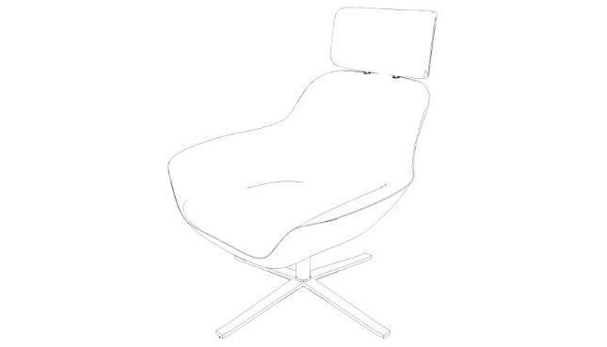 | Seat Height: 380mm minimum, 580mm maximum | 4 Star metal base Fabric Band 1 | 1 |  |  | £- | £- | #DIV/0! |  |  | £- | £- | #DIV/0!
INTER-01-SLC / TB1 |  |  |  |  |  |  |  | 4 leg timber base Fabric Band 1 | 1 |  |  | £- | £- | #DIV/0! |  |  | £- | £- | #DIV/0!
INTER-01-SLC / MB2 |  |  |  |  |  |  |  | 4 Star metal base Fabric Band 2 | 1 |  |  | £- | £- | #DIV/0! |  |  | £- | £- | #DIV/0!
INTER-01-SLC / TB2 |  |  |  |  |  |  |  | 4 leg timber base Fabric Band 2 | 1 |  |  | £- | £- | #DIV/0! |  |  | £- | £- | #DIV/0!
INTER-01-SLC / MB3 |  |  |  |  |  |  |  | 4 Star metal base Fabric Band 3 | 1 |  |  | £- | £- | #DIV/0! |  |  | £- | £- | #DIV/0!
INTER-01-SLC / TB3 |  |  |  |  |  |  |  | 4 leg timber base Fabric Band 3 | 1 |  |  | £- | £- | #DIV/0! |  |  | £- | £- | #DIV/0!
INTER-01-SLCa / MB1 | Seating | Low Back Lounge Chair | 56101522 | Low Back Lounge Chair Fully upholstered high back lounge chair (small) 4 Star Base Material/Finish: 4 Star metal base or 4 leg timber base Fabric Details: Manufacturer fabric band 3, 2 and 1 Colourways: From a range of standard colours (see tables D1 and E1 at the bottom of this price matrix and the GPA Design Guide) Specification Details: -Fully upholstered CMHR moulded foam -Design to be project specific and to add regional accent -No visible logo or branding tags, buttons, or plates to be used in products |  | 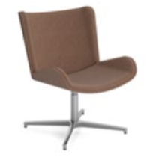 | Seat Height: 380mm minimum, 580mm maximum | 4 Star metal base Fabric Band 1 | 1 |  |  | £- | £- | #DIV/0! |  |  | £- | £- | #DIV/0!
INTER-01-SLCa / TB1 |  |  |  |  |  |  |  | 4 leg timber base Fabric Band 1 | 1 |  |  | £- | £- | #DIV/0! |  |  | £- | £- | #DIV/0!
INTER-01-SLCa / MB2 |  |  |  |  |  |  |  | 4 Star metal base Fabric Band 2 | 1 |  |  | £- | £- | #DIV/0! |  |  | £- | £- | #DIV/0!
INTER-01-SLCa / TB2 |  |  |  |  |  |  |  | 4 leg timber base Fabric Band 2 | 1 |  |  | £- | £- | #DIV/0! |  |  | £- | £- | #DIV/0!
INTER-01-SLCa / MB3 |  |  |  |  |  |  |  | 4 Star metal base Fabric Band 3 | 1 |  |  | £- | £- | #DIV/0! |  |  | £- | £- | #DIV/0!
INTER-01-SLCa / TB3 |  |  |  |  |  |  |  | 4 leg timber base Fabric Band 3 | 1 |  |  | £- | £- | #DIV/0! |  |  | £- | £- | #DIV/0!
INTER-01-SMC / B2 | Seating | Meeting Chair (with arms) | 56101504 | Meeting Chair (With Arms) Meeting room chair with 5-star Steel castor base Steel Arms Fabric Details: +60,000 rubs (Martindale) Manufacturer fabric bands 2 or 3 Fully upholstered with stitch detail Colourways: From a range of standard colours (see tables D1 and E1 at the bottom of this price matrix and the GPA Design Guide) Specification Detail: -Height adjustable seat -Seat tilt tension and tilt limiter - all adjustment mechanisms to be accessible from the side of the chair only -Fully Upholstered Seat & Back with stitch detail -Arm height not to clash with table setting. -5 star castor base -No visible logo or branding tags, buttons, or plates to be used in products |  | 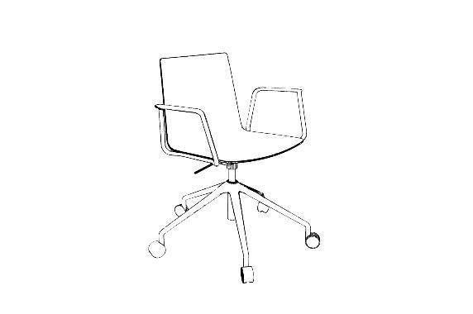 | Seat Width - 460mm Seat Depth - 530mm Arms - 150mm high (see detail) | Fabric Band 2 | 30 |  |  | £- | £- | #DIV/0! |  |  | £- | £- | #DIV/0!
INTER-01-SMC / B3 |  |  |  |  |  |  |  | Fabric Band 3 | 30 |  |  | £- | £- | #DIV/0! |  |  | £- | £- | #DIV/0!
INTER-01-SMCa / B2 | Seating | Meeting Chair (without arms) | 56101504 | Meeting Chair (Without Arms) Meeting room chair with 5-star Steel castor base Fabric Details: +60,000 rubs (Martindale) Manufacturer fabric bands 2 or 3 Fully upholstered with stitch detail Colourways: From a range of standard colours (see tables D1 and E1 at the bottom of this price matrix and the GPA Design Guide) Specification Detail: -Height adjustable seat -Seat tilt tension and tilt limiter - all adjustment mechanisms to be accessible from the side of the chair only -Fully Upholstered Seat & Back with stitch detail -5 star castor base -No visible logo or branding tags, buttons, or plates to be used in products |  | 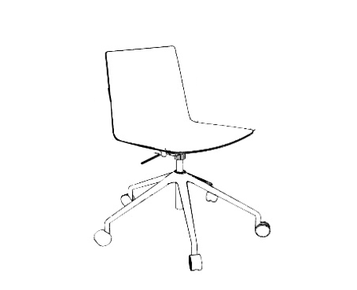 | Seat Width - 460mm Seat Depth - 530mm | Fabric Band 2 | 30 |  |  | £- | £- | #DIV/0! |  |  | £- | £- | #DIV/0!
INTER-01-SMCa / B3 |  |  |  |  |  |  |  | Fabric Band 3 | 30 |  |  | £- | £- | #DIV/0! |  |  | £- | £- | #DIV/0!
INTER-01-SSC / UB1T | Seating | Informal Meeting Chair (without arms) | 56101504 | Informal Meeting Chair (Without Arms) Fabric Details: Upholstered Seat where applicable or Mono Shell manufacturer specific bands 3, 2 and 1 Colourways: From a range of standard colours (see tables D1 and E1 at the bottom of this price matrix and the GPA Design Guide) Specification Detail: -Design to be project specific -Timber, steel or plastic legs -Upholstered seat where applicable or a mono shell. -No visible logo or branding tags, buttons, or plates to be used in products |  | 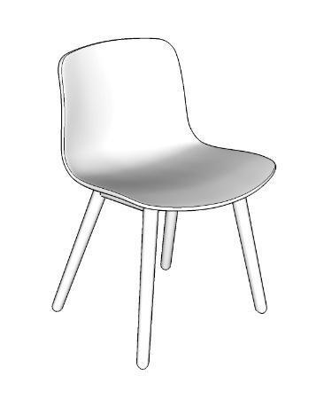 | Seat Height: 380mm minimum, 580mm maximum | Upholstered Seat Band 1 Timber Legs | 20 |  |  | £- | £- | #DIV/0! |  |  | £- | £- | #DIV/0!
INTER-01-SSC / UB1S |  |  |  |  |  |  |  | Upholstered Seat Band 1 Steel Legs | 20 |  |  | £- | £- | #DIV/0! |  |  | £- | £- | #DIV/0!
INTER-01-SSC / UB1P |  |  |  |  |  |  |  | Upholstered Seat Band 1 Plastic Legs | 20 |  |  | £- | £- | #DIV/0! |  |  | £- | £- | #DIV/0!
INTER-01-SSC / UB2T |  |  |  |  |  |  |  | Upholstered Seat Band 2 Timber Legs | 20 |  |  | £- | £- | #DIV/0! |  |  | £- | £- | #DIV/0!
INTER-01-SSC / UB2S |  |  |  |  |  |  |  | Upholstered Seat Band 2 Steel Legs | 20 |  |  | £- | £- | #DIV/0! |  |  | £- | £- | #DIV/0!
INTER-01-SSC / UB2P |  |  |  |  |  |  |  | Upholstered Seat Band 2 Plastic Legs | 20 |  |  | £- | £- | #DIV/0! |  |  | £- | £- | #DIV/0!
INTER-01-SSC / UB3T |  |  |  |  |  |  |  | Upholstered Seat Band 3 Timber Legs | 20 |  |  | £- | £- | #DIV/0! |  |  | £- | £- | #DIV/0!
INTER-01-SSC / UB3S |  |  |  |  |  |  |  | Upholstered Seat Band 3 Steel Legs | 20 |  |  | £- | £- | #DIV/0! |  |  | £- | £- | #DIV/0!
INTER-01-SSC / UB3P |  |  |  |  |  |  |  | Upholstered Seat Band 3 Plastic Legs | 20 |  |  | £- | £- | #DIV/0! |  |  | £- | £- | #DIV/0!
INTER-01-SSC / MST |  |  |  |  |  |  |  | Mono Shell Seat Timber Legs | 20 |  |  | £- | £- | #DIV/0! |  |  | £- | £- | #DIV/0!
INTER-01-SSC / MSS |  |  |  |  |  |  |  | Mono Shell Seat Steel Legs | 20 |  |  | £- | £- | #DIV/0! |  |  | £- | £- | #DIV/0!
INTER-01-SSC / MSP |  |  |  |  |  |  |  | Mono Shell Seat Plastic Legs | 20 |  |  | £- | £- | #DIV/0! |  |  | £- | £- | #DIV/0!
INTER-01-SSCa / UB1T | Seating | Informal Meeting Chair (with arms) | 56101504 | Informal Meeting Chair (With Arms) Fabric Details: Upholstered Seat where applicable or Mono Shell manufacturer specific bands 3, 2 and 1 Colourways: From a range of standard colours (see tables D1 and E1 at the bottom of this price matrix and the GPA Design Guide) Specification Detail: -Design to be project specific -Timber, steel or plastic legs -Upholstered seat where applicable or a mono shell. -No visible logo or branding tags, buttons, or plates to be used in products |  |  | Seat Height: 380mm minimum, 580mm maximum | Upholstered Seat Band 1 Timber Legs | 20 |  |  | £- | £- | #DIV/0! |  |  | £- | £- | #DIV/0!
INTER-01-SSCa / UB1S |  |  |  |  |  |  |  | Upholstered Seat Band 1 Steel Legs | 20 |  |  | £- | £- | #DIV/0! |  |  | £- | £- | #DIV/0!
INTER-01-SSCa / UB1P |  |  |  |  |  |  |  | Upholstered Seat Band 1 Plastic Legs | 20 |  |  | £- | £- | #DIV/0! |  |  | £- | £- | #DIV/0!
INTER-01-SSCa / UB2T |  |  |  |  |  |  |  | Upholstered Seat Band 2 Timber Legs | 20 |  |  | £- | £- | #DIV/0! |  |  | £- | £- | #DIV/0!
INTER-01-SSCa / UB2S |  |  |  |  |  |  |  | Upholstered Seat Band 2 Steel Legs | 20 |  |  | £- | £- | #DIV/0! |  |  | £- | £- | #DIV/0!
INTER-01-SSCa / UB2P |  |  |  |  |  |  |  | Upholstered Seat Band 2 Plastic Legs | 20 |  |  | £- | £- | #DIV/0! |  |  | £- | £- | #DIV/0!
INTER-01-SSCa / UB3T |  |  |  |  |  |  |  | Upholstered Seat Band 3 Timber Legs | 20 |  |  | £- | £- | #DIV/0! |  |  | £- | £- | #DIV/0!
INTER-01-SSCa / UB3S |  |  |  |  |  |  |  | Upholstered Seat Band 3 Steel Legs | 20 |  |  | £- | £- | #DIV/0! |  |  | £- | £- | #DIV/0!
INTER-01-SSCa / UB3P |  |  |  |  |  |  |  | Upholstered Seat Band 3 Plastic Legs | 20 |  |  | £- | £- | #DIV/0! |  |  | £- | £- | #DIV/0!
INTER-01-SSCa / MST |  |  |  |  |  |  |  | Mono Shell Seat Timber Legs | 20 |  |  | £- | £- | #DIV/0! |  |  | £- | £- | #DIV/0!
INTER-01-SSCa / MSS |  |  |  |  |  |  |  | Mono Shell Seat Steel Legs | 20 |  |  | £- | £- | #DIV/0! |  |  | £- | £- | #DIV/0!
INTER-01-SSCa / MSP |  |  |  |  |  |  |  | Mono Shell Seat Plastic Legs | 20 |  |  | £- | £- | #DIV/0! |  |  | £- | £- | #DIV/0!
INTER-01-SSOa / 4B1 | Seating | Soft Seating Sofa | 48102001 | Soft Seating - Sofa Waiting area upholstered soft seating grouping with integral arms Fabric Details: Manufacturer fabric bands 3, 2 and 1 Colourways: From a range of standard colours (see tables D1 and E1 at the bottom of this price matrix and the GPA Design Guide) Specification Detail: -Design to be project specific -Back support will be provided at a height of at least 300mm from seat level -Optional arms at a heght of 200mm from the surface of the seat and wll extend from the back support forwards to cover at least 80% of the depth of the seat -Seat foam to be converted polyurethane or manufactured nearest equivalent -2-3 Loose cushions required for lumbar adjustment comfort -No visible logo or branding tags, buttons, or plates to be used in products -Power | Power option with integrated power module on the side/front of the chair (1x power plug and 2x USB) or pose unit - to be accessible and visible when chair is in use | 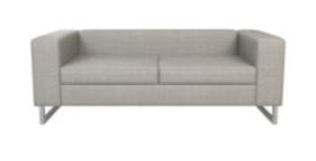 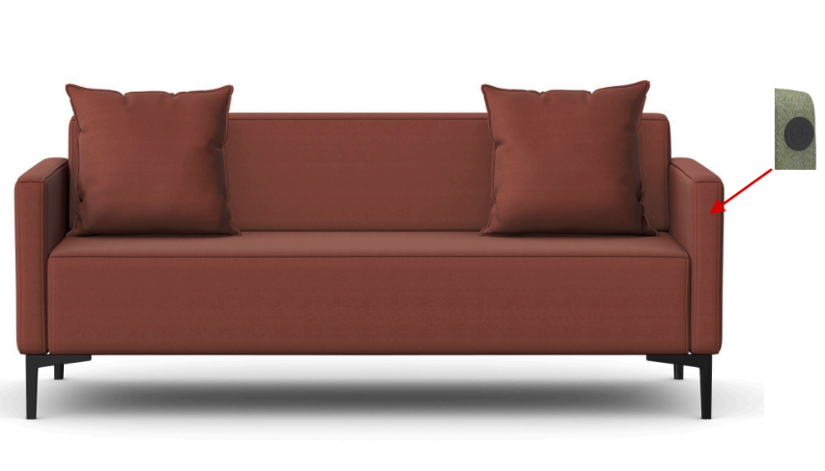 | Seat Height: 380mm minimum, 580mm maximum 4 seat: W3300 x D800 x H640 SH440 3 seat: W2510 x D800 x H640 SH440 2 seat: W1800 x D800 x H640 SH440 | 4 seat: Fabric Band 1 W3300 x D800 x H640, SH440 | 3 |  |  | £- | £- | #DIV/0! |  |  | £- | £- | #DIV/0!
INTER-01-SSOa / 3B1 |  |  |  |  |  |  |  | 3 seat: Fabric Band 1 W2510 x D800 x H640, SH440 | 3 |  |  | £- | £- | #DIV/0! |  |  | £- | £- | #DIV/0!
INTER-01-SSOa / 2B1 |  |  |  |  |  |  |  | 2 seat: Fabric Band 1 W1800 x D800 x H640, SH440 | 3 |  |  | £- | £- | #DIV/0! |  |  | £- | £- | #DIV/0!
INTER-01-SSOa / 4B2 |  |  |  |  |  |  |  | 4 seat: Fabric Band 2 W3300 x D800 x H640, SH440 | 3 |  |  | £- | £- | #DIV/0! |  |  | £- | £- | #DIV/0!
INTER-01-SSOa / 3B2 |  |  |  |  |  |  |  | 3 seat: Fabric Band 2 W2510 x D800 x H640, SH440 | 3 |  |  | £- | £- | #DIV/0! |  |  | £- | £- | #DIV/0!
INTER-01-SSOa / 2B2 |  |  |  |  |  |  |  | 2 seat: Fabric Band 2 W1800 x D800 x H640, SH440 | 3 |  |  | £- | £- | #DIV/0! |  |  | £- | £- | #DIV/0!
INTER-01-SSOa / 4B3 |  |  |  |  |  |  |  | 4 seat: Fabric Band 3 W3300 x D800 x H640, SH440 | 3 |  |  | £- | £- | #DIV/0! |  |  | £- | £- | #DIV/0!
INTER-01-SSOa / 3B3 |  |  |  |  |  |  |  | 3 seat: Fabric Band 3 W2510 x D800 x H640, SH440 | 3 |  |  | £- | £- | #DIV/0! |  |  | £- | £- | #DIV/0!
INTER-01-SSOa / 2B3 |  |  |  |  |  |  |  | 2 seat: Fabric Band 3 W1800 x D800 x H640, SH440 | 3 |  |  | £- | £- | #DIV/0! |  |  | £- | £- | #DIV/0!
INTER-01-SSOa / 4B1WP |  |  |  |  |  |  |  | 4 seat with power: Fabric Band 1 W3300 x D800 x H640, SH440 | 3 |  |  | £- | £- | #DIV/0! |  |  | £- | £- | #DIV/0!
INTER-01-SSOa / 3B1WP |  |  |  |  |  |  |  | 3 seat with power: Fabric Band 1 W2510 x D800 x H640, SH440 | 3 |  |  | £- | £- | #DIV/0! |  |  | £- | £- | #DIV/0!
INTER-01-SSOa / 2B1WP |  |  |  |  |  |  |  | 2 seat with power: Fabric Band 1 W1800 x D800 x H640, SH440 | 3 |  |  | £- | £- | #DIV/0! |  |  | £- | £- | #DIV/0!
INTER-01-SSOa / 4B2WP |  |  |  |  |  |  |  | 4 seat with power: Fabric Band 2 W3300 x D800 x H640, SH440 | 3 |  |  | £- | £- | #DIV/0! |  |  | £- | £- | #DIV/0!
INTER-01-SSOa / 3B2WP |  |  |  |  |  |  |  | 3 seat with power: Fabric Band 2 W2510 x D800 x H640, SH440 | 3 |  |  | £- | £- | #DIV/0! |  |  | £- | £- | #DIV/0!
INTER-01-SSOa / 2B2WP |  |  |  |  |  |  |  | 2 seat with power: Fabric Band 2 W1800 x D800 x H640, SH440 | 3 |  |  | £- | £- | #DIV/0! |  |  | £- | £- | #DIV/0!
INTER-01-SSOa / 4B3WP |  |  |  |  |  |  |  | 4 seat with power: Fabric Band 3 W3300 x D800 x H640, SH440 | 3 |  |  | £- | £- | #DIV/0! |  |  | £- | £- | #DIV/0!
INTER-01-SSOa / 3B3WP |  |  |  |  |  |  |  | 3 seat with power: Fabric Band 3 W2510 x D800 x H640, SH440 | 3 |  |  | £- | £- | #DIV/0! |  |  | £- | £- | #DIV/0!
INTER-01-SSOa / 2B3WP |  |  |  |  |  |  |  | 2 seat with power: Fabric Band 3 W1800 x D800 x H640, SH440 | 3 |  |  | £- | £- | #DIV/0! |  |  | £- | £- | #DIV/0!
INTER-01-TWD / MB3 | Seating | Meeting Booth (4 person) | 56101900 | Meeting Booth (4 person) Open meeting area upholstered booth with integrated table & TV Bracket / Fixings (4 person) Top Material/ Finish: Manufacturer standard colours MFC including White, Yellow, Baby Blue, Stone Grey, Wood Base Material/ Finish: Metal / Chrome / timber legs Fabric Details: Manufacturer fabric bands 3 or 4 Fully upholstered Colourways: From a range of standard colours (see tables D1 and E1 at the bottom of this price matrix and the GPA Design Guide) Specification Detail: -Size and configuration to be coordinated per project specific requirements -Fully upholstered CMHR moulded foam or equivalent quality -Gap width between table and seat edge is to be fully accessible to users – minimum 300mm. -Preferable to have a pivoting table to facilitate ingress. (Bidders should price for pivoting table) -Table edge chamfer for ease of access. -Flat or minimal foot on table leg to avoid trip hazards. -The side access panels should be recesses to allow for an overhang on the seat for inclusive access. -No visible logo or branding tags, buttons, or plates to be used in products -2-3 Loose cushions required for lumbar adjustment comfort | Accessible and visible Power & AV access on Monitor Screen panel | 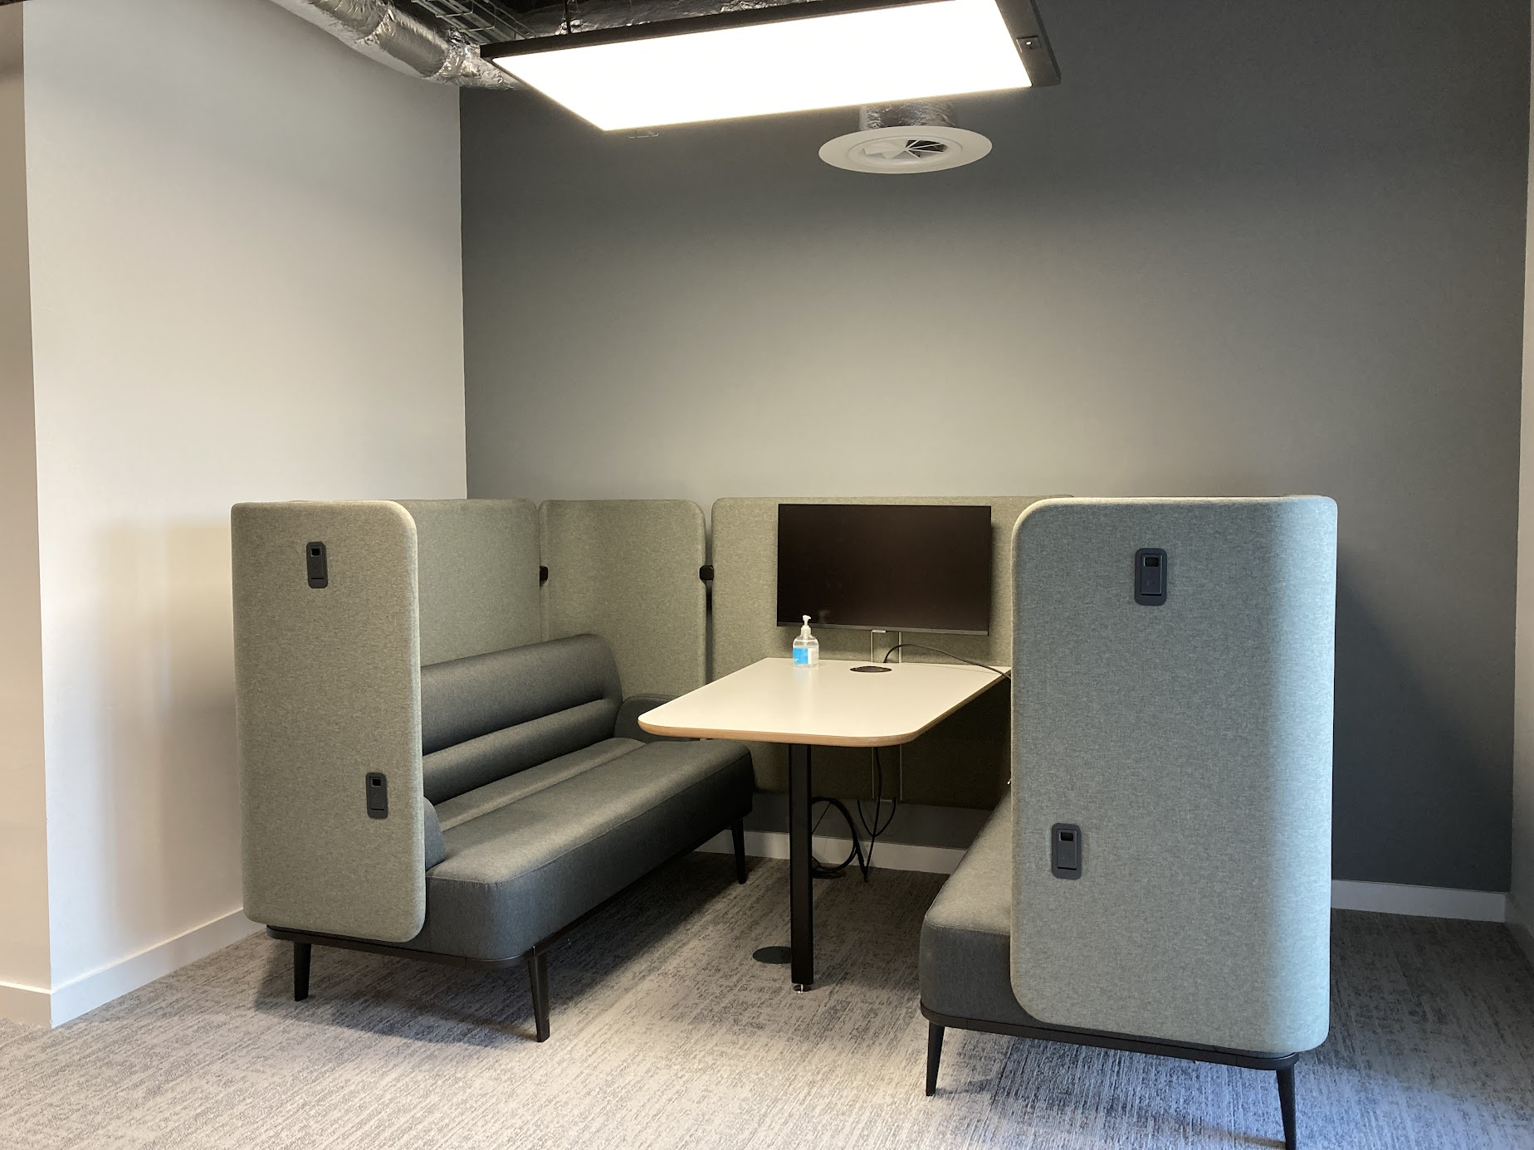 | Seat height: 470mm Table height: 750mm (with 700mm clearance) Total back height: not to exceed 1800mm (4 person) | Metal Legs Band 3 Fabric | 38 |  |  | £- | £- | #DIV/0! |  |  | £- | £- | #DIV/0!
INTER-01-TWD / MB4 |  |  |  |  |  |  |  | Metal Legs Band 4 Fabric | 38 |  |  | £- | £- | #DIV/0! |  |  | £- | £- | #DIV/0!
INTER-01-TWD / CB3 |  |  |  |  |  |  |  | Brushed Steel Legs Band 3 Fabric | 38 |  |  | £- | £- | #DIV/0! |  |  | £- | £- | #DIV/0!
INTER-01-TWD / CB4 |  |  |  |  |  |  |  | Brushed Steel Legs Band 4 Fabric | 38 |  |  | £- | £- | #DIV/0! |  |  | £- | £- | #DIV/0!
INTER-01-TWD / TB3 |  |  |  |  |  |  |  | Timber Legs Band 3 Fabric | 38 |  |  | £- | £- | #DIV/0! |  |  | £- | £- | #DIV/0!
INTER-01-TWD / TB4 |  |  |  |  |  |  |  | Timber Legs Band 4 Fabric | 38 |  |  | £- | £- | #DIV/0! |  |  | £- | £- | #DIV/0!
INTER-04-TCE / MFC6004S | Desking | High Circular Coffee Table | 5610519 | High Circular Coffee Table Top Material Finish: Manufacturer standard finishes MFC and/or HPL Base Material Finsih: 4 Star Steel Base, or Steel podium base Black or Brushed Steel finish Specification Detail: -Diameter dimensions as specified -No visible logo or branding tags, buttons, or plates to be used in products |  | 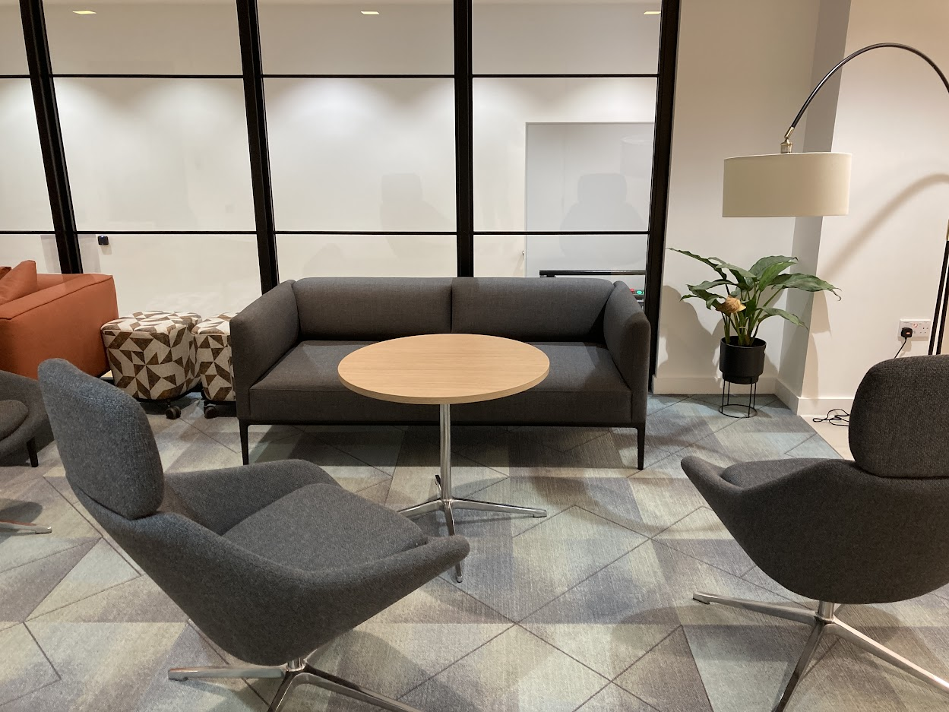 | Height: 650mm - 730mm maximum Diameter: 600/800/1000mm | MFC 600mm Diameter 4 star base | 36 |  |  | £- | £- | #DIV/0! |  |  | £- | £- | #DIV/0!
INTER-04-TCE / MFC8004S |  |  |  |  |  |  |  | MFC 800mm Diameter 4 star base | 36 |  |  | £- | £- | #DIV/0! |  |  | £- | £- | #DIV/0!
INTER-04-TCE / MFC10004S |  |  |  |  |  |  |  | MFC 1000mm Diameter 4 star base | 36 |  |  | £- | £- | #DIV/0! |  |  | £- | £- | #DIV/0!
INTER-04-TCE / MFC600PC |  |  |  |  |  |  |  | MFC 600mm Diameter Brushed Steel podium base | 36 |  |  | £- | £- | #DIV/0! |  |  | £- | £- | #DIV/0!
INTER-04-TCE / MFC800PC |  |  |  |  |  |  |  | MFC 800mm Diameter Brushed Steel podium base | 36 |  |  | £- | £- | #DIV/0! |  |  | £- | £- | #DIV/0!
INTER-04-TCE / MFC1000PC |  |  |  |  |  |  |  | MFC 1000mm Diameter Brushed Steel podium base | 36 |  |  | £- | £- | #DIV/0! |  |  | £- | £- | #DIV/0!
INTER-04-TCE / MFC600PB |  |  |  |  |  |  |  | MFC 600mm Diameter Steel podium base in Black | 36 |  |  | £- | £- | #DIV/0! |  |  | £- | £- | #DIV/0!
INTER-04-TCE / MFC800PB |  |  |  |  |  |  |  | MFC 800mm Diameter Steel podium base in Black | 36 |  |  | £- | £- | #DIV/0! |  |  | £- | £- | #DIV/0!
INTER-04-TCE / MFC1000PB |  |  |  |  |  |  |  | MFC 1000mm Diameter Steel podium base in Black | 36 |  |  | £- | £- | #DIV/0! |  |  | £- | £- | #DIV/0!
INTER-04-TCE / HPL6004S |  |  |  |  |  |  |  | HPL 600mm Diameter 4 star base | 36 |  |  | £- | £- | #DIV/0! |  |  | £- | £- | #DIV/0!
INTER-04-TCE / HPL8004S |  |  |  |  |  |  |  | HPL 800mm Diameter 4 star base | 36 |  |  | £- | £- | #DIV/0! |  |  | £- | £- | #DIV/0!
INTER-04-TCE / HPL10004S |  |  |  |  |  |  |  | HPL 1000mm Diameter 4 star base | 36 |  |  | £- | £- | #DIV/0! |  |  | £- | £- | #DIV/0!
INTER-04-TCE / HPL600PC |  |  |  |  |  |  |  | HPL 600mm Diameter Brushed Steel podium base | 36 |  |  | £- | £- | #DIV/0! |  |  | £- | £- | #DIV/0!
INTER-04-TCE / HPL800PC |  |  |  |  |  |  |  | HPL 800mm Diameter Brushed Steel podium base | 36 |  |  | £- | £- | #DIV/0! |  |  | £- | £- | #DIV/0!
INTER-04-TCE / HPL1000PC |  |  |  |  |  |  |  | HPL 1000mm Diameter Brushed Steel podium base | 36 |  |  | £- | £- | #DIV/0! |  |  | £- | £- | #DIV/0!
INTER-04-TCE / HPL600PB |  |  |  |  |  |  |  | HPL 600mm Diameter Steel podium base in Black | 36 |  |  | £- | £- | #DIV/0! |  |  | £- | £- | #DIV/0!
INTER-04-TCE / HPL800PB |  |  |  |  |  |  |  | HPL 800mm Diameter Steel podium base in Black | 36 |  |  | £- | £- | #DIV/0! |  |  | £- | £- | #DIV/0!
INTER-04-TCE / HPL1000PB |  |  |  |  |  |  |  | HPL 1000mm Diameter Steel podium base in Black | 36 |  |  | £- | £- | #DIV/0! |  |  | £- | £- | #DIV/0!
INTER-02-TIM | Media Setting | Media Setting | 5610900 | Media Setting Informal meeting grouping with media component and option for height adjustable table and TV screen bracket Specification Detail: -The media unit no higher than 1800mm contains a screen, with the ability to have a height adjustable table that will extend from approximately 700mm to 1200mm to sit/stand for 8 people. -Overall size and configuration to be determined by project specific requirements -Bracket for monitor to be supplied (ensure it does not clash with the height adjustable table) -No visible logo or branding tags, buttons, or plates to be used in products | 1 X 4 gang power in Cable Management Desktop Power module - to provide 1 no Pandora Unit | 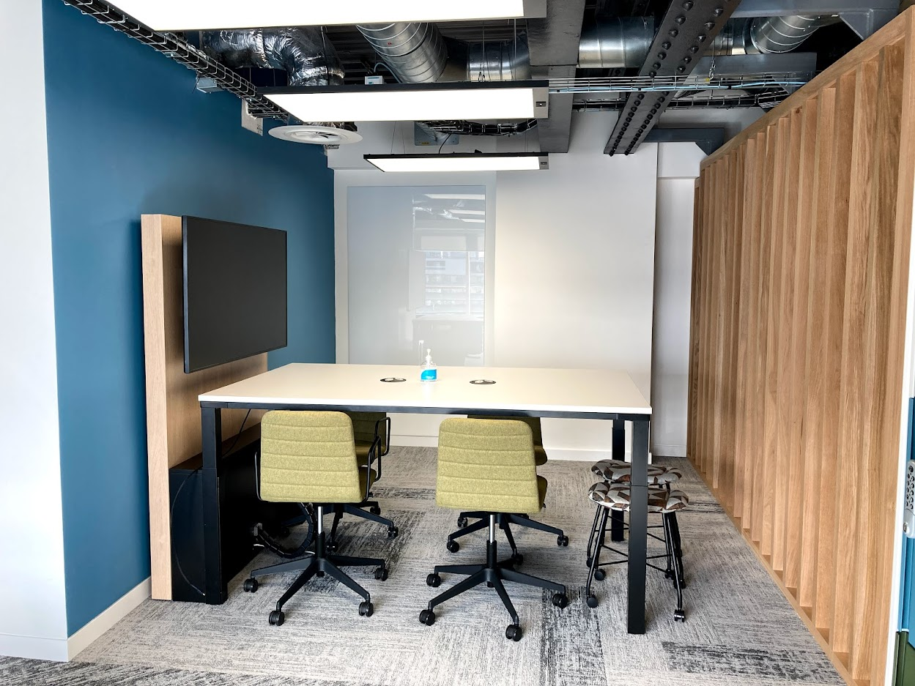 | Table Height: 730mm (with 700mm clearance) -1200mm Overall Panel Height 1800mm maximum | N/A | 12 |  |  | £- | £- | #DIV/0! |  |  | £- | £- | #DIV/0!
INTER-05-MWB | Accessories | Mobile Whiteboard | 56101900 | Mobile Whiteboard (Writable/pinnable wall/board on casters) Mobile dry wipe whiteboard Frame: Ridgid fully welded steel frame Whiteboard Material Finish: Dual sided dry wipe Magnetic Panels Approx size (1455mm(w) 870mm (h) Specification Detail: -Double sided -Mobile (fully lockable caster) -Lightweight -Magnetic ceramic steel writing surface -Integrated pen tray -No visible logo or branding tags, buttons, or plates to be used in products |  | 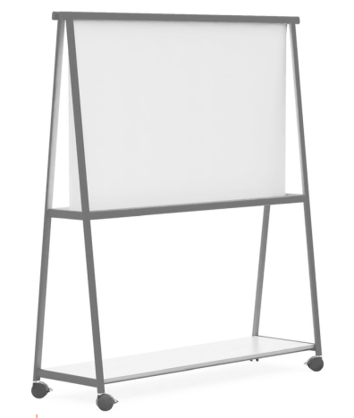 | Width: 1600mm Depth: 600mm Height: 1800mm | N/A | 50 |  |  | £- | £- | #DIV/0! |  |  | £- | £- | #DIV/0!
INTER-05-RCT / 2000 | Desking | Activity Table | 5610706 | Rectangular table Top Material/ Finish: Oak MFC with oak edging Base Material/ Finish: Oak legs Specification Detail: -Central slot required (100mm) for power bank installation (and monitor arms if required) -include inset leg if more than one module -Cable management tray to be concealed -Protective edge-banding -No visible logo or branding tags, buttons, or plates to be used in products | 4 gang power in Cable Management per position Desktop Power module one per position | 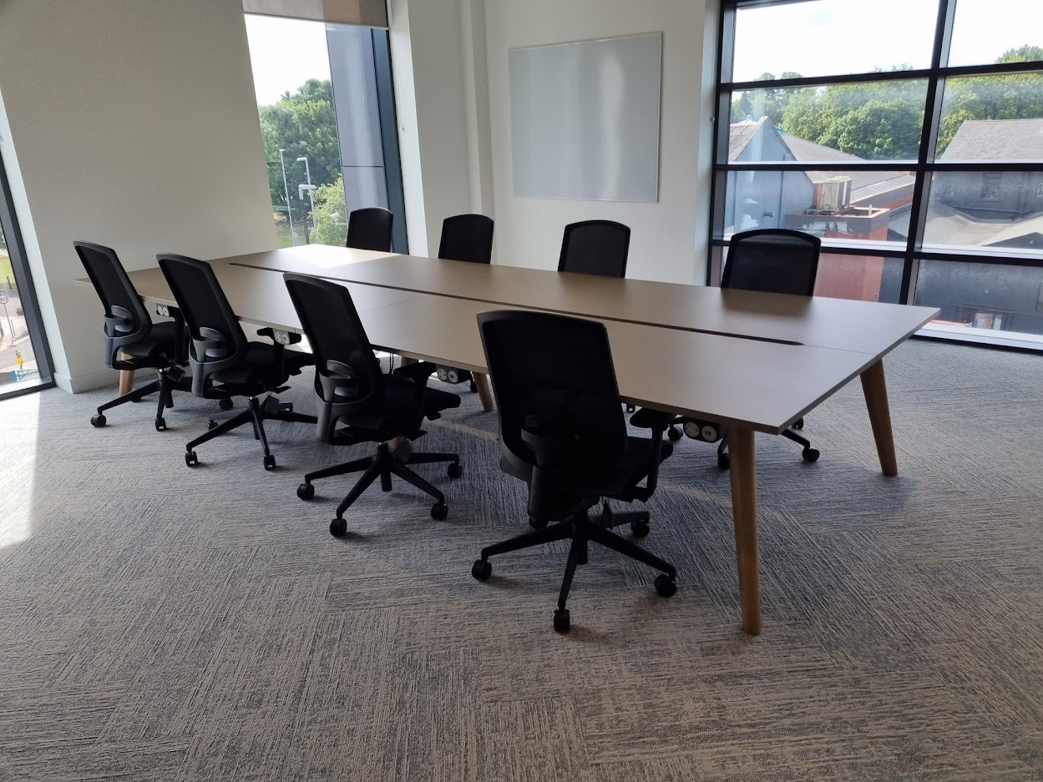 | Width: 2400 (6 person) 3600mm (8 person) Depth: 1650mm Height: 730mm (with 700mm clearance) Central slot: 100 mm minimum | Width 2400mm | 5 |  |  | £- | £- | #DIV/0! |  |  | £- | £- | #DIV/0!
INTER-05-RCT / 3600 |  |  |  |  |  |  |  | Width 3600mm | 5 |  |  | £- | £- | #DIV/0! |  |  | £- | £- | #DIV/0!
INTER-05-IMWP / 2PB3 | Seating | Railway Carriage (2 person & 4 person) | 56101900 | Informal Meeting / Work Pod Railway Carriage - 2 person & 4 person Colour/Finish: Black Frame, Upholstered Ceiling, Seat and Side panels Table - Light Oak MFC Frame Option Light Oak MFC Fabric Details: Manufacturer fabric bands 3 or 4 Fully upholstered Specification Detail: -2-4 Person Booth with Table - Flat Roof (with Acoustic backing)with back). -Lighting : Integrated into ceiling LED downlight or LED stripe.. -Power - Indicative only: 1 No. Floor grommet or floor box per carriage. Each floor grommet or floor box contains 2 double socket outlets and 2 USB to be installed on the side panel above the table. No Data required. One 3 pin per position and one USBC per position -Low voltage LED lighting for consistent illumination is supplied on a PIR system with movement sensor. -Modular power sockets are fused and installed flush with the surface to comply with BS1363 .and accessible -Fabric & Foam supplied complies with BS 7176: Fire test to non-domestic seating -Furniture grade MFC or lacquered ply cladding panels are fixed to the external face of the main steel structure. -Upholstered acoustic panels are clipped to the interior surface. |  | 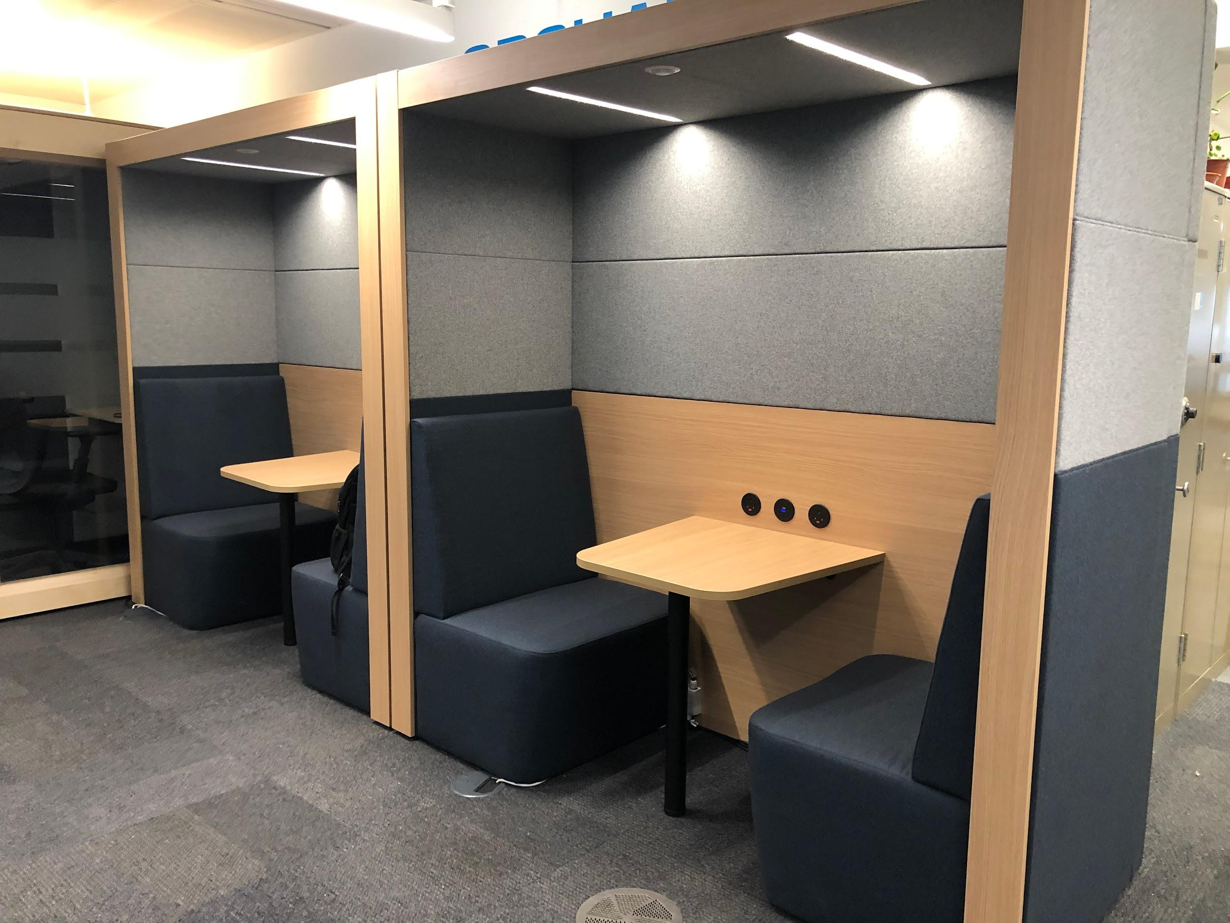 | 2000mm wide - both 2 & 4 person 702mm deep - 2 person 1350mm deep - 4 person 2025mm high -both 2 & 4 person | 2 Person Fabric Band 3 | 10 |  |  | £- | £- | #DIV/0! |  |  | £- | £- | #DIV/0!
INTER-05-IMWP / 4PB3 |  |  |  |  |  |  |  | 4 person Fabric Band 3 | 10 |  |  | £- | £- | #DIV/0! |  |  | £- | £- | #DIV/0!
INTER-05-IMWP / 2PB4 |  |  |  |  |  |  |  | 2 Person Fabric Band 4 | 10 |  |  | £- | £- | #DIV/0! |  |  | £- | £- | #DIV/0!
INTER-05-IMWP / 4PB4 |  |  |  |  |  |  |  | 4 person Fabric Band 4 | 10 |  |  | £- | £- | #DIV/0! |  |  | £- | £- | #DIV/0!
INTER-05-PP / SB | Seating | Privacy Pod (2 person) | 56101900 | Privacy Pod (2 person) Self Contained Privacy, 2 persons meeting Pod Colour/Finish: Black Frame, Upholstered Ceiling and Side panels Specification Detail: -Preferable layout to be 1no corner opaque and 1no opposite corner glazed to allow back to back installations. (Bidders should price to allow for back to back installations) -32DB RATING minimum see note below: -Acoustic rating 37dB with acoustic roof mat. -Upholstered Acoustic ceiling panels - Camira Nexus Chaulk -Heat and smoke detectors - Wireless or wired depending on fire strategy. -Roof / Ceiling option to have opening / tilting roof to allow sprinklers coverage, depending on fire strategy. -Low noise - Air extractor integrated on ceiling -1 No. Floor boxes per carriage. Each floor box contains 2 double socket outlets and 4 RJ45 data outlets. -Option to have provision to install wall mounted screen for streaming from laptop - Bracket as optional for a 27” to 32” screen.. -Coloured Fabric acoustic cladding to exterior side panels. -Coloured Fabric cladding with option for white writable board to Interior cladding - No fitted furniture (Loose Furniture will be added) -Horizontal beam lighting -Frame height 2275mm -Power arch with CAT6 power & data panel (12 power & 2 USB data) Data not required - HDMI cable from screen to allow streaming. -Low noise Air extractor control. -LED luminaire lighting system -1 x Active PIR motion/occupancy sensor -Acoustic fully upholstered 1700mm walls - Camira as standard -8mm toughened frameless clear glass walls 10mm Swing sliding door, featuring 3 levels of Part M compliant Dusted Crystal manifestation bands -8mm pivot door with step free access -35mm Black Anodised Aluminium frame -100mm high aluminium extrusion crown as standard -Provision to include 800mm dia. x 650mm height meeting table and 2no Lounge chairs (Bidders should price to include item MEET-01/800C (with dimensions W800 x D650 x H730-740) specification (x 1 item) and INTER-01-SLCa/MB1 specification (x2 items | 1 x Power arch with 1 x CAT6 power & data panel Media Column - USB (A or C), HDMI & Power | 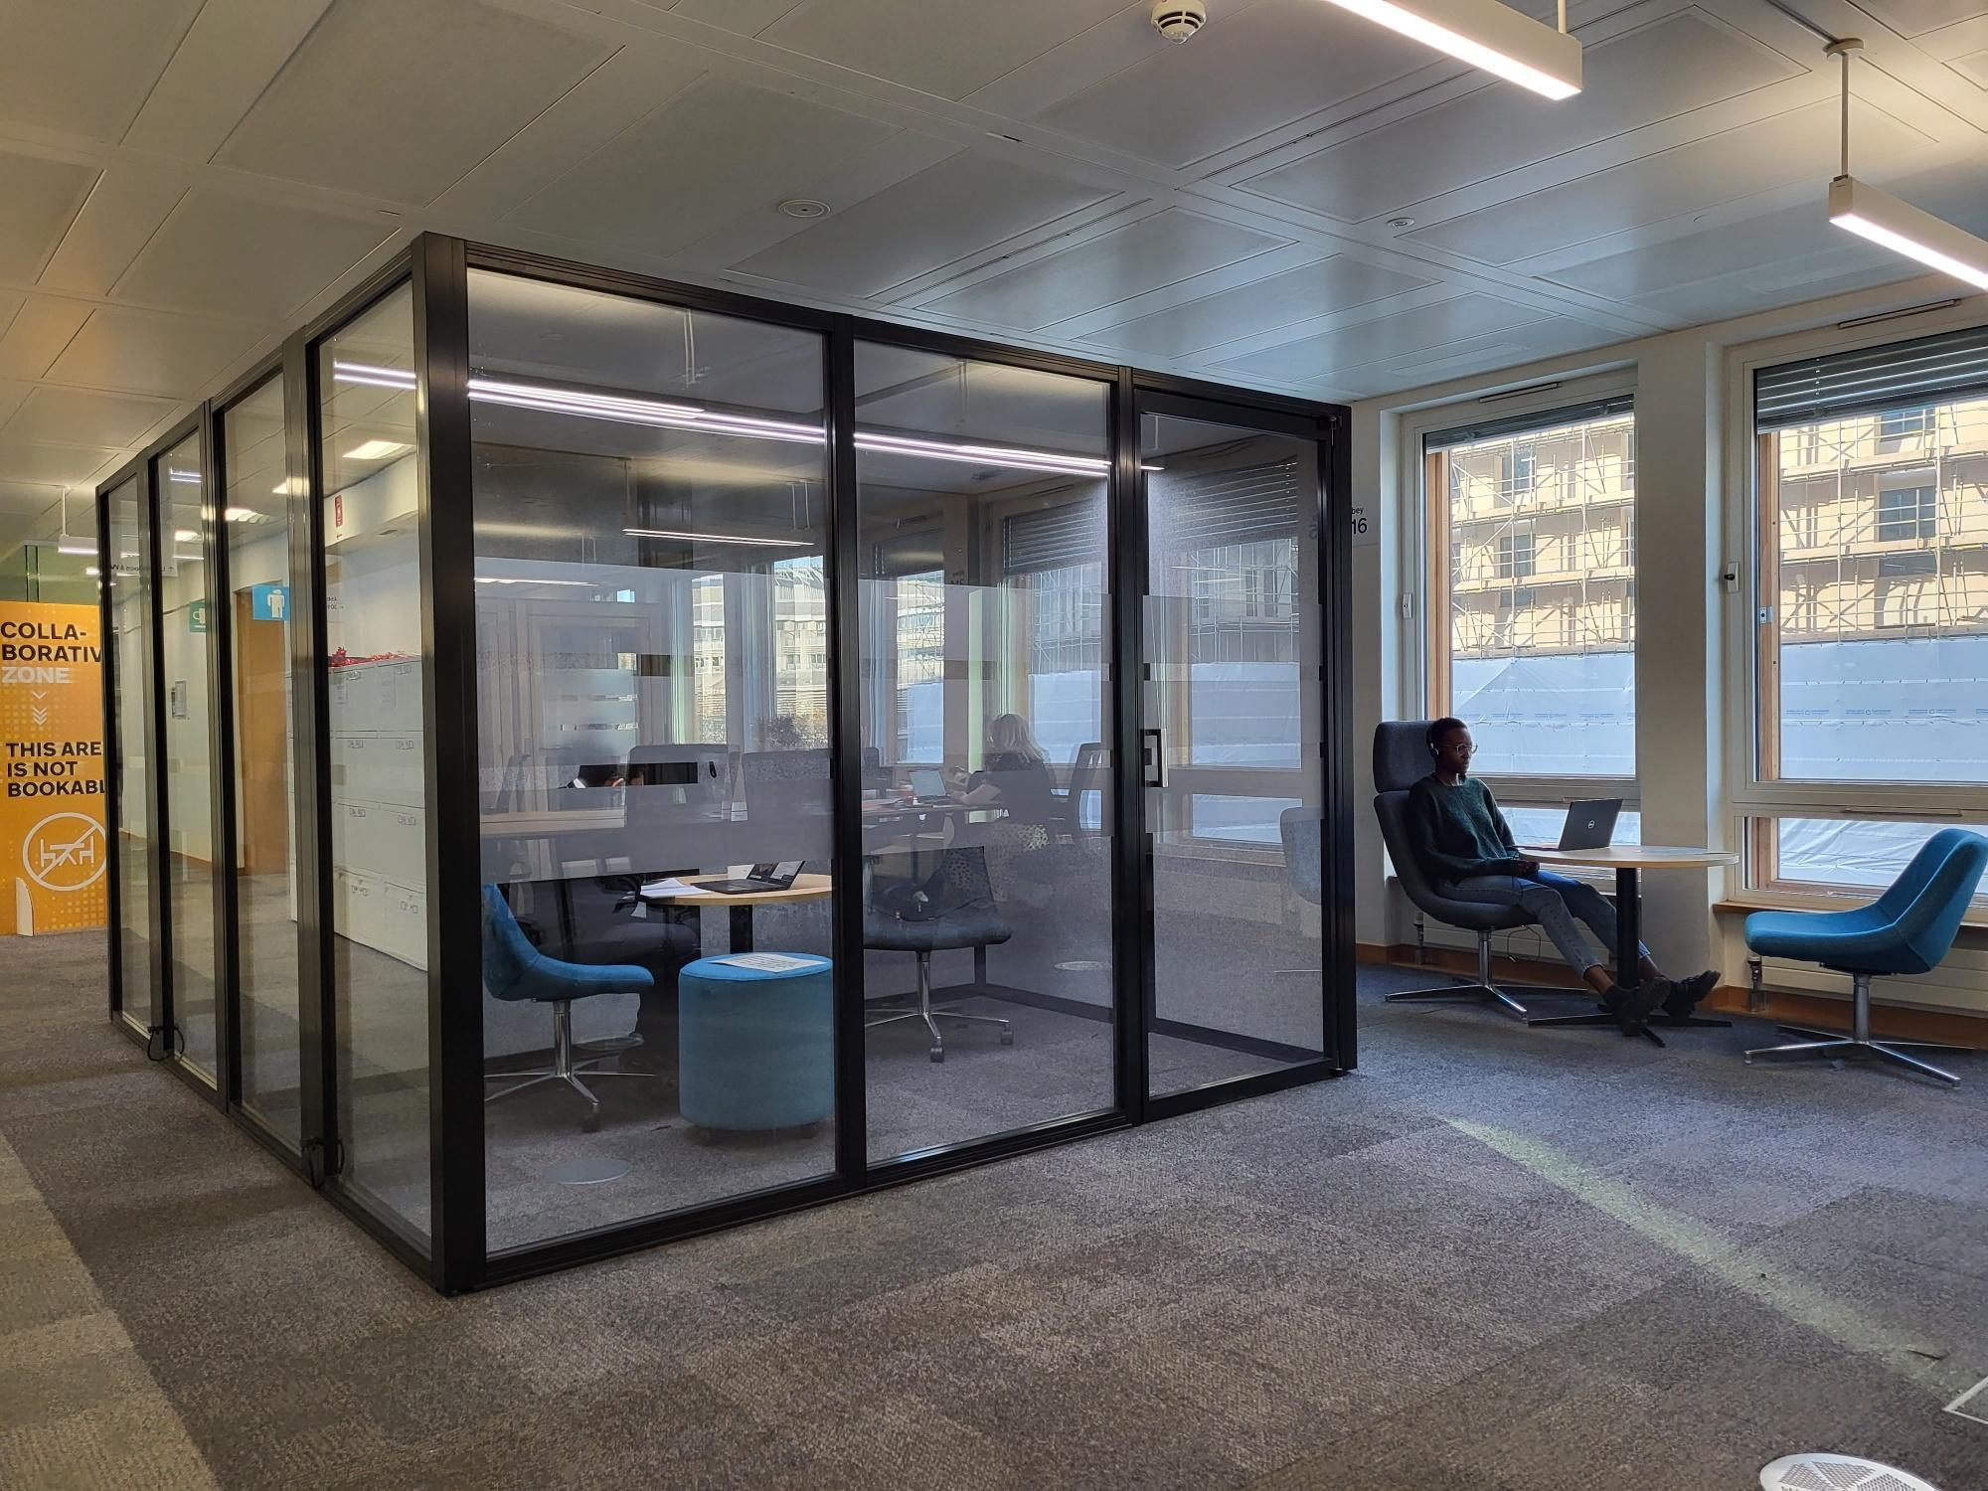 | 3000mm wide 1700mm deep 2275mm high | Standard booth | 2 |  |  | £- | £- | #DIV/0! |  |  | £- | £- | #DIV/0!
INTER-05-PP / SBOTR |  |  |  |  |  |  |  | Standard booth inc opening / tilting roof | 2 |  |  | £- | £- | #DIV/0! |  |  | £- | £- | #DIV/0!
INTER-05-PP / SBOTRWSD |  |  |  |  |  |  |  | Standard booth inc opening / tilting roof and wired heat and smoke detectors | 2 |  |  | £- | £- | #DIV/0! |  |  | £- | £- | #DIV/0!
INTER-05-PP / SBOTRWLSD |  |  |  |  |  |  |  | Standard booth inc opening / tilting roof and wireless heat and smoke detectors | 2 |  |  | £- | £- | #DIV/0! |  |  | £- | £- | #DIV/0!
INTER-05-PP / SBS |  |  |  |  |  |  |  | Standard booth inc option to have provision to install wall mounted screen for streaming from laptop - Bracket for a 27” to 32” screen. | 2 |  |  | £- | £- | #DIV/0! |  |  | £- | £- | #DIV/0!
INTER-05-PP / SBOTRS |  |  |  |  |  |  |  | Standard booth inc opening / tilting roof, option to have provision to install wall mounted screen for streaming from laptop - Bracket for a 27” to 32” screen. | 2 |  |  | £- | £- | #DIV/0! |  |  | £- | £- | #DIV/0!
INTER-05-PP / SBOTRWSDS |  |  |  |  |  |  |  | Standard booth inc opening / tilting roof and wired heat and smoke detectors, option to have provision to install wall mounted screen for streaming from laptop - Bracket for a 27” to 32” screen. | 2 |  |  | £- | £- | #DIV/0! |  |  | £- | £- | #DIV/0!
INTER-05-PP / SBOTRWLSDS |  |  |  |  |  |  |  | Standard booth inc opening / tilting roof and wireless heat and smoke detectors, option to have provision to install wall mounted screen for streaming from laptop - Bracket for a 27” to 32” screen. | 2 |  |  | £- | £- | #DIV/0! |  |  | £- | £- | #DIV/0!
INTER-05-FSS | Storage | Freestanding Storage Unit | 56101530 | Free standing Storage Unit including shelving Colour/Finish: Black Metal Frame and Open Plywood shelving Storage under unit to be provided with handless doors and access to floor fixing Black HPL or similar Specification Detail: -Metal Grid Storage with Base Cupboard. -4 High Grid Storage with open back plywood shelving. -Black planters (metal or plastic containers) to fit within the individual spaces -720mm high base cupboard in black. -Provision to be fixed to the floor for safety. -Modular construction to allow multiples of 800mm to sit side by side |  | 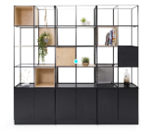 | 800mm wide 410mm deep 2317mm high | N/A | 5 |  |  | £- | £- | #DIV/0! |  |  | £- | £- | #DIV/0!
MEET-01 / 1600MB | Desking | Meeting Table | 5610706 | Meeting table Top Material/ Finish: Manufacturer standard colours MFC Dark grey / Light Oak / White Base Material/ Finish: Legs – metal powder-coated matt black / light oak / Brushed Steel Specification Detail: -numbers of module suitable for size of meeting room -Inset legs if more than one module -No visible logo or branding tags, buttons, or plates to be used in products | Power Requirements at desk top with cut-outs for 1no OE Electrics per table module and cable management to floor box | 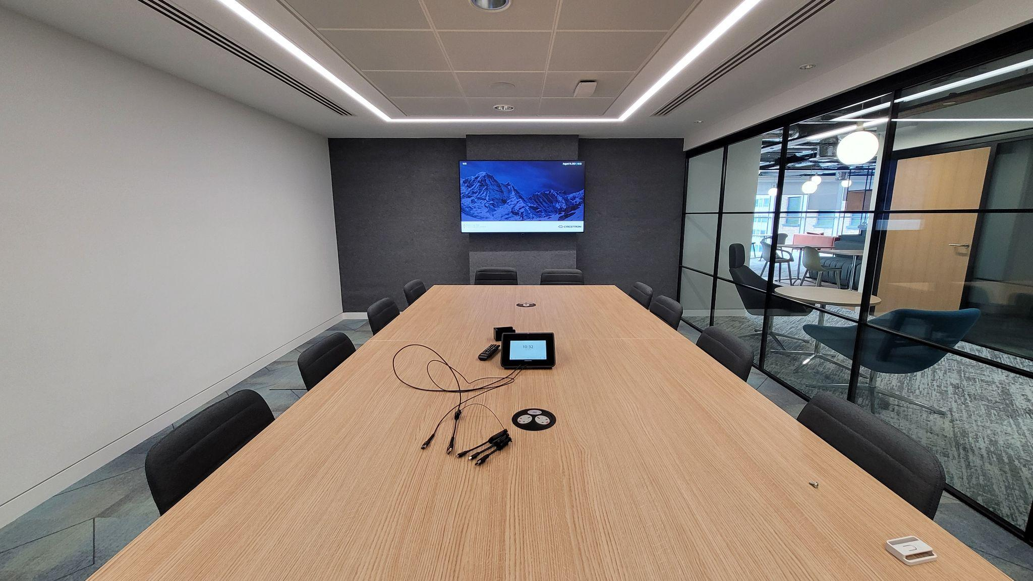 | Width: 1600mm Depth: 1600mm Height: 730-740mm (with 700mm clearance) | Legs – metal powder-coated matt black | 1 |  |  | £- | £- | #DIV/0! |  |  | £- | £- | #DIV/0!
MEET-01 / 1600C |  |  |  |  |  |  |  | Legs – Brushed Steel | 1 |  |  | £- | £- | #DIV/0! |  |  | £- | £- | #DIV/0!
MEET-01 / 1600LO |  |  |  |  |  |  |  | Legs – light oak | 1 |  |  | £- | £- | #DIV/0! |  |  | £- | £- | #DIV/0!
MEET-01 / 800MB |  |  |  |  |  |  | W800 X D1100 X H730- 740 | Legs – metal powder-coated matt black | 1 |  |  | £- | £- | #DIV/0! |  |  | £- | £- | #DIV/0!
MEET-01 / 800C |  |  |  |  |  |  |  | Legs – Brushed Steel | 1 |  |  | £- | £- | #DIV/0! |  |  | £- | £- | #DIV/0!
MEET-01 / 800LO |  |  |  |  |  |  |  | Legs – light oak | 1 |  |  | £- | £- | #DIV/0! |  |  | £- | £- | #DIV/0!
MEET-01 / 1200MB |  |  |  |  |  |  | W1200 X D700 X H730 | Legs – metal powder-coated matt black | 1 |  |  | £- | £- | #DIV/0! |  |  | £- | £- | #DIV/0!
MEET-01 / 1200C |  |  |  |  |  |  |  | Legs – Brushed Steel | 1 |  |  | £- | £- | #DIV/0! |  |  | £- | £- | #DIV/0!
MEET-01 / 1200LO |  |  |  |  |  |  |  | Legs – light oak | 1 |  |  | £- | £- | #DIV/0! |  |  | £- | £- | #DIV/0!
MEET-01 / 2200MB |  |  |  |  |  |  | W2200 X D1000 X H730- 740 | Legs – metal powder-coated matt black | 1 |  |  | £- | £- | #DIV/0! |  |  | £- | £- | #DIV/0!
MEET-01 / 2200C |  |  |  |  |  |  |  | Legs – Brushed Steel | 1 |  |  | £- | £- | #DIV/0! |  |  | £- | £- | #DIV/0!
MEET-01 / 2200LO |  |  |  |  |  |  |  | Legs – light oak | 1 |  |  | £- | £- | #DIV/0! |  |  | £- | £- | #DIV/0!
MEET-01 / 400016MB |  |  |  |  |  |  | W4000 X D1600 X H730- 740 | Legs – metal powder-coated matt black | 1 |  |  | £- | £- | #DIV/0! |  |  | £- | £- | #DIV/0!
MEET-01 / 400016C |  |  |  |  |  |  |  | Legs – Brushed Steel | 1 |  |  | £- | £- | #DIV/0! |  |  | £- | £- | #DIV/0!
MEET-01 / 400016LO |  |  |  |  |  |  |  | Legs – light oak | 1 |  |  | £- | £- | #DIV/0! |  |  | £- | £- | #DIV/0!
MEET-01 / 400018MB |  |  |  |  |  |  | W4000 X D1800 X H730- 740 | Legs – metal powder-coated matt black | 1 |  |  | £- | £- | #DIV/0! |  |  | £- | £- | #DIV/0!
MEET-01 / 400018C |  |  |  |  |  |  |  | Legs – Brushed Steel | 1 |  |  | £- | £- | #DIV/0! |  |  | £- | £- | #DIV/0!
MEET-01 / 400018LO |  |  |  |  |  |  |  | Legs – light oak | 1 |  |  | £- | £- | #DIV/0! |  |  | £- | £- | #DIV/0!
MEET-02 / B1200 | Desking | Flip Top Mobile Meeting Table | 56101706 | Meeting room foldable mobile table Top Material/ Finish: Light Grey or White MFC Base Material/ Finish: Inset metal legs Black or Brushed Steel Hardware Style: Lockable black castors Specification Detail: -Table top leveller mechanism -Table sizes to be confirmed with project specific requirements -Protective edge-banding -Desks have to lock together -Power and data access – refer to Table 1: Power Requirements (Treat as 4 person table for Power Requirements) -No visible logo or branding tags, buttons, or plates to be used in products |  | 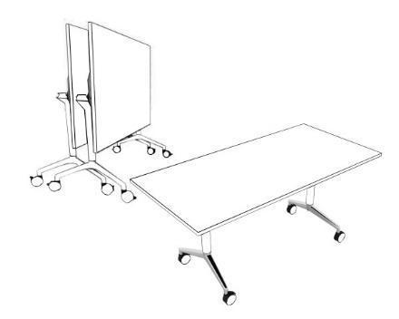 | Width: 1200mm 1500m Depth: 750mm Height: 730mm (with 700mm clearance) | Black metal legs 1200mm width | 1 |  |  | £- | £- | #DIV/0! |  |  | £- | £- | #DIV/0!
MEET-02 / C1200 |  |  |  |  |  |  |  | Brushed Steel legs 1200mm width | 1 |  |  | £- | £- | #DIV/0! |  |  | £- | £- | #DIV/0!
MEET-02 / B1500 |  |  |  |  |  |  |  | Black metal legs 1500mm width | 1 |  |  | £- | £- | #DIV/0! |  |  | £- | £- | #DIV/0!
MEET-02 / C1500 |  |  |  |  |  |  |  | Brushed Steel legs 1500mm width | 1 |  |  | £- | £- | #DIV/0! |  |  | £- | £- | #DIV/0!
MEET-03 / B2 | Seating | Meeting Chair (With Arms) | 56101504 | Meeting Chair (With Arms) Meeting room chair with 5-star Black Steel castor base Black Steel Arms +60,000 rubs (Martindale) Manufacturer fabric bands 2 or 3 Fully upholstered Colourways: From a range of standard colours (see tables D1 and E1 at the bottom of this price matrix and the GPA Design Guide) Specification Detail: -Height adjustable seat -Seat tilt tension and tilt limiter - all adjustment mechanisms to be accessible from the side of the chair only -Fully Upholstered Seat & Back -5 star castor base -No visible logo or branding tags, buttons, or plates to be used in products |  |  | Seat Width - 460mm Seat Depth - 530mm | Fabric Band 2 | 30 |  |  | £- | £- | #DIV/0! |  |  | £- | £- | #DIV/0!
MEET-03 / B3 |  |  |  |  |  |  |  | Fabric Band 3 | 30 |  |  | £- | £- | #DIV/0! |  |  | £- | £- | #DIV/0!
MEET-04 / B2 | Seating | Meeting Chair (Without Arms) | 56101504 | Meeting Chair (Without Arms) Meeting room chair with 5-star Black Steel castor base +60,000 rubs (Martindale) Manufacturer fabric bands 3 or 2 Fully upholstered Colourways: From a range of standard colours (see tables D1 and E1 at the bottom of this price matrix and the GPA Design Guide) Specification Detail: -Height adjustable seat -Seat tilt tension and tilt limiter - all adjustment mechanisms to be accessible from the side of the chair only -Fully Upholstered Seat & Back -5 star castor base -No visible logo or branding tags, buttons, or plates to be used in products |  |  | Seat Width - 460mm Seat Depth - 530mm | Fabric Band 2 | 30 |  |  | £- | £- | #DIV/0! |  |  | £- | £- | #DIV/0!
MEET-04 / B3 |  |  |  |  |  |  |  | Fabric Band 3 | 30 |  |  | £- | £- | #DIV/0! |  |  | £- | £- | #DIV/0!
MEET-05 / MFCWC | Storage | Credenza | 56101530 | Credenza Low storage unit for equipment Finish: Top to incorporate water/scratch resistant finish MFC and/or HPL manufacturer standard finish to match credenza to meeting room table colour - Light Oak / White / Light Grey / Yellow / Baby Blue Specification Detail: -Internal components within the storage units to include (but not limited to) plain shelves -Optional locking capability -With/without castors option -Project specific AV requirements to be incorporated -No visible logo or branding tags, buttons, or plates to be used in products |  | 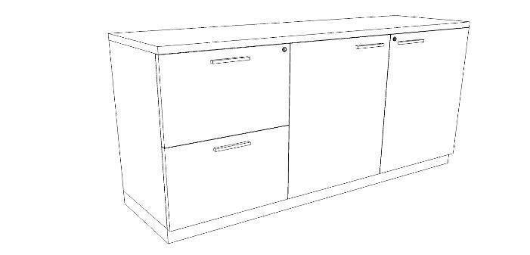 | Width: 1500mm Depth: 450-600mm Height: 800mm | MFC With Castors | 5 |  |  | £- | £- | #DIV/0! |  |  | £- | £- | #DIV/0!
MEET-05 / MFCWOC |  |  |  |  |  |  |  | MFC Without Castors | 5 |  |  | £- | £- | #DIV/0! |  |  | £- | £- | #DIV/0!
MEET-05 / HPLWC |  |  |  |  |  |  |  | HPL With Castors | 5 |  |  | £- | £- | #DIV/0! |  |  | £- | £- | #DIV/0!
MEET-05 / HPLWOC |  |  |  |  |  |  |  | HPL Without Castors | 5 |  |  | £- | £- | #DIV/0! |  |  | £- | £- | #DIV/0!
MEET-05 / MFCWCL |  |  |  |  |  |  |  | MFC With Castors With locking capability | 5 |  |  | £- | £- | #DIV/0! |  |  | £- | £- | #DIV/0!
MEET-05 / MFCWOCL |  |  |  |  |  |  |  | MFC Without Castors With locking capability | 5 |  |  | £- | £- | #DIV/0! |  |  | £- | £- | #DIV/0!
MEET-05 / HPLWCL |  |  |  |  |  |  |  | HPL With Castors With locking capability | 5 |  |  | £- | £- | #DIV/0! |  |  | £- | £- | #DIV/0!
MEET-05 / HPLWOCL |  |  |  |  |  |  |  | HPL Without Castors With locking capability | 5 |  |  | £- | £- | #DIV/0! |  |  | £- | £- | #DIV/0!
BOOKA-01-STC / USB1M | Seating | Stacking Training Chair with Writing Tablet | 56112100 | Stacking Training Chair with Writing Tablet Chair with integrated writing tablet table and upholstered seat pad and back Fabric Details: Upholstered Seat where applicable or Mono Shell manufacturer specific bands 1, 2 and 3 Colourways: From a range of standard colours (see tables D1 and E1 at the bottom of this price matrix and the GPA Design Guide) Specification Detail: -Metal/Powder-coated legs -Minimum stocking 8 high on floor, 20 high on trolley or castor chair -Stackable -Minimum weight capacity of 23 stone -No visible logo or branding tags, buttons, or plates to be used in products |  | 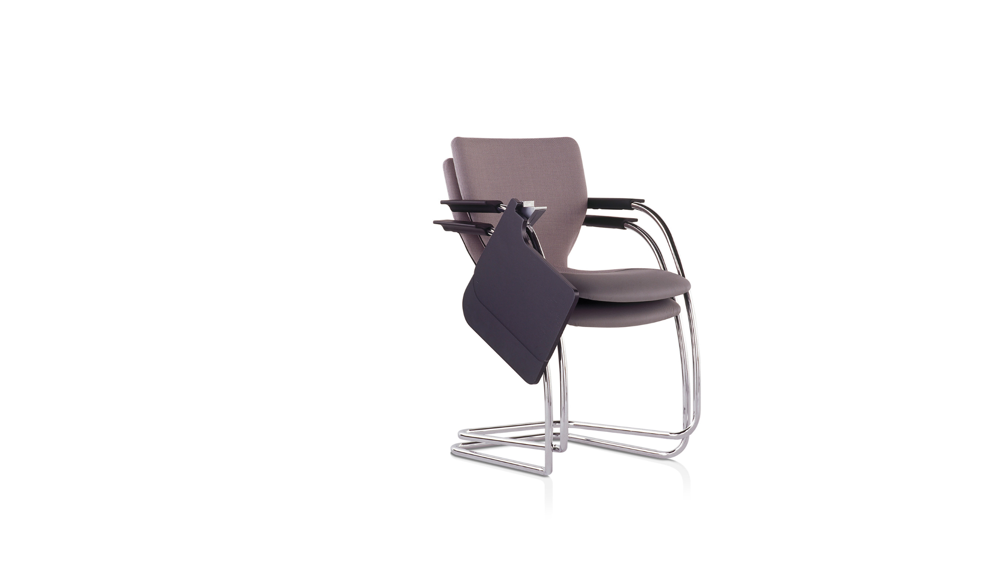 | Seat Height: 380mm minimum, 580mm maximum | Upholstered Seat, Fabric Band 1, Metal Legs | 80 |  |  | £- | £- | #DIV/0! |  |  | £- | £- | #DIV/0!
BOOKA-01-STC / USB2M |  |  |  |  |  |  |  | Upholstered Seat, Fabric Band 2, Metal Legs | 80 |  |  | £- | £- | #DIV/0! |  |  | £- | £- | #DIV/0!
BOOKA-01-STC / USB3M |  |  |  |  |  |  |  | Upholstered Seat, Fabric Band 3, Metal Legs | 80 |  |  | £- | £- | #DIV/0! |  |  | £- | £- | #DIV/0!
BOOKA-01-STC / USB1PC |  |  |  |  |  |  |  | Upholstered Seat, Fabric Band 1, Powder-coated Legs | 80 |  |  | £- | £- | #DIV/0! |  |  | £- | £- | #DIV/0!
BOOKA-01-STC / USB2PC |  |  |  |  |  |  |  | Upholstered Seat, Fabric Band 2, Powder-coated Legs | 80 |  |  | £- | £- | #DIV/0! |  |  | £- | £- | #DIV/0!
BOOKA-01-STC / USB3PC |  |  |  |  |  |  |  | Upholstered Seat, Fabric Band 3, Powder-coated Legs | 80 |  |  | £- | £- | #DIV/0! |  |  | £- | £- | #DIV/0!
BOOKA-01-STC / MSB1M |  |  |  |  |  |  |  | Mono Shell Seat, Fabric Band 1, Metal Legs | 80 |  |  | £- | £- | #DIV/0! |  |  | £- | £- | #DIV/0!
BOOKA-01-STC / MSB2M |  |  |  |  |  |  |  | Mono Shell Seat, Fabric Band 2, Metal Legs | 80 |  |  | £- | £- | #DIV/0! |  |  | £- | £- | #DIV/0!
BOOKA-01-STC / MSB3M |  |  |  |  |  |  |  | Mono Shell Seat, Fabric Band 3, Metal Legs | 80 |  |  | £- | £- | #DIV/0! |  |  | £- | £- | #DIV/0!
BOOKA-01-STC / MSB1PC |  |  |  |  |  |  |  | Mono Shell Seat, Fabric Band 1, Powder-coated Legs | 80 |  |  | £- | £- | #DIV/0! |  |  | £- | £- | #DIV/0!
BOOKA-01-STC / MSB2PC |  |  |  |  |  |  |  | Mono Shell Seat, Fabric Band 2, Powder-coated Legs | 80 |  |  | £- | £- | #DIV/0! |  |  | £- | £- | #DIV/0!
BOOKA-01-STC / MSB3PC |  |  |  |  |  |  |  | Mono Shell Seat, Fabric Band 3, Powder-coated Legs | 80 |  |  | £- | £- | #DIV/0! |  |  | £- | £- | #DIV/0!
BOOKA-01-STK / USB1G | Seating | Business Events Chair (stacking) with arms | 56101504 | Business Events Chair (stacking) with arms Stacking chair with upholstered seating pad with 4 leg base with arms Fabric Details: Upholstered Seat where applicable or Mono Shell manufacturer specific bands 1, 2 and 3 - Colourways: From a range of standard colours (see tables D1 and E1 at the bottom of this price matrix and the GPA Design Guide) Specification Detail: -Mesh back -4 leg steel rod or ski leg frame to be polished or the nearest metal finish available -Linking option -Stackable -Minimum stocking 8 high on floor, 20 high on trolley or castor chair -Incorporate glides or castors at chair base -No visible logo or branding tags, buttons, or plates to be used in products |  | 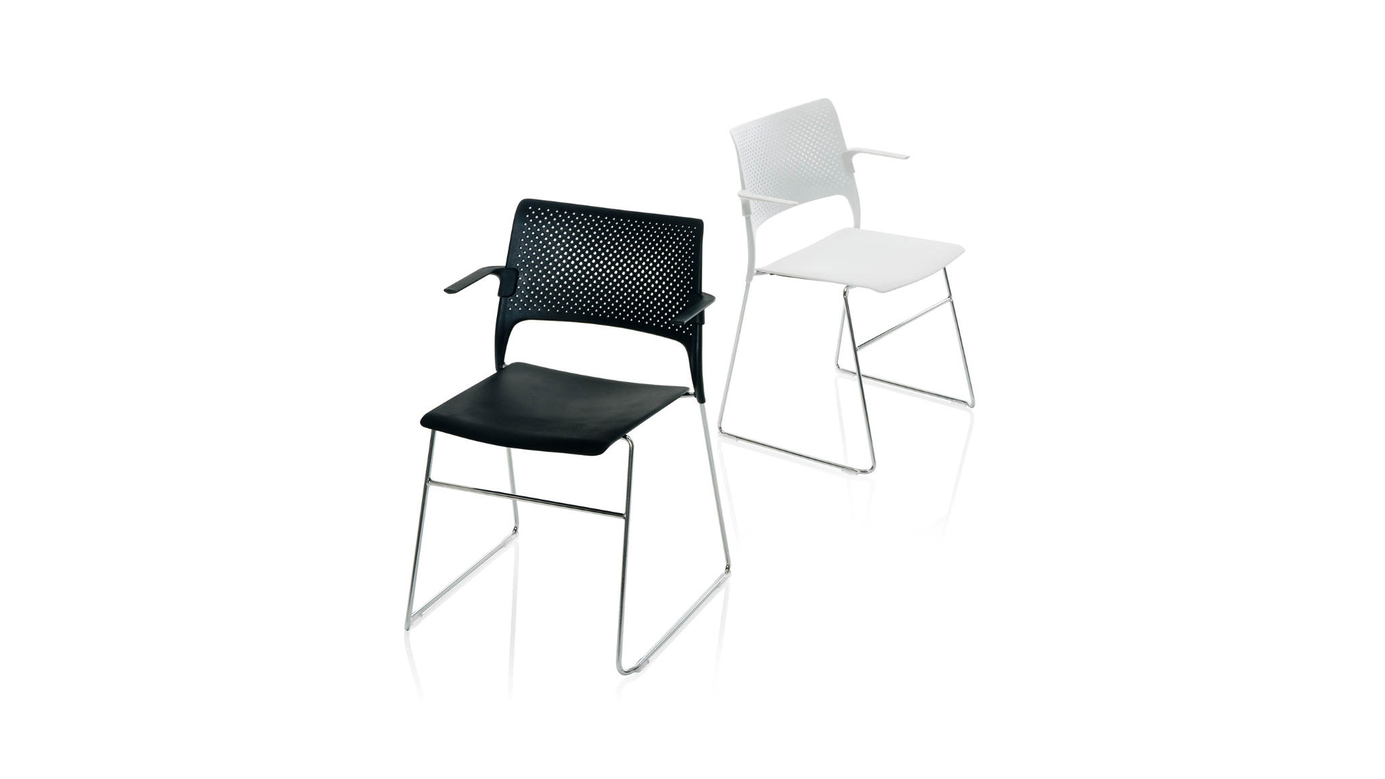 | Seat Height: 380mm minimum, 580mm maximum | Upholstered Seat, Fabric Band 1, Glides | 80 |  |  | £- | £- | #DIV/0! |  |  | £- | £- | #DIV/0!
BOOKA-01-STK / USB2G |  |  |  |  |  |  |  | Upholstered Seat, Fabric Band 2, Glides | 80 |  |  | £- | £- | #DIV/0! |  |  | £- | £- | #DIV/0!
BOOKA-01-STK / USB3G |  |  |  |  |  |  |  | Upholstered Seat, Fabric Band 3, Glides | 80 |  |  | £- | £- | #DIV/0! |  |  | £- | £- | #DIV/0!
BOOKA-01-STK / MSB1G |  |  |  |  |  |  |  | Mono Shell Seat, Fabric Band 1, Glides | 80 |  |  | £- | £- | #DIV/0! |  |  | £- | £- | #DIV/0!
BOOKA-01-STK / MSB2G |  |  |  |  |  |  |  | Mono Shell Seat, Fabric Band 2, Glides | 80 |  |  | £- | £- | #DIV/0! |  |  | £- | £- | #DIV/0!
BOOKA-01-STK / MSB3G |  |  |  |  |  |  |  | Mono Shell Seat, Fabric Band 3, Glides | 80 |  |  | £- | £- | #DIV/0! |  |  | £- | £- | #DIV/0!
BOOKA-01-STK / USB1C |  |  |  |  |  |  |  | Upholstered Seat, Fabric Band 1, Castors | 80 |  |  | £- | £- | #DIV/0! |  |  | £- | £- | #DIV/0!
BOOKA-01-STK / USB2C |  |  |  |  |  |  |  | Upholstered Seat, Fabric Band 2, Castors | 80 |  |  | £- | £- | #DIV/0! |  |  | £- | £- | #DIV/0!
BOOKA-01-STK / USB3C |  |  |  |  |  |  |  | Upholstered Seat, Fabric Band 3, Castors | 80 |  |  | £- | £- | #DIV/0! |  |  | £- | £- | #DIV/0!
BOOKA-01-STK / MSB1C |  |  |  |  |  |  |  | Mono Shell Seat, Fabric Band 1, Castors | 80 |  |  | £- | £- | #DIV/0! |  |  | £- | £- | #DIV/0!
BOOKA-01-STK / MSB2C |  |  |  |  |  |  |  | Mono Shell Seat, Fabric Band 2, Castors | 80 |  |  | £- | £- | #DIV/0! |  |  | £- | £- | #DIV/0!
BOOKA-01-STK / MSB3C |  |  |  |  |  |  |  | Mono Shell Seat, Fabric Band 3, Castors | 80 |  |  | £- | £- | #DIV/0! |  |  | £- | £- | #DIV/0!
BOOKA-01-STKb / USB1G | Seating | Business Events Chair (stacking) without arms | 56101504 | Business Events Chair (stacking) without arms Stacking chair with upholstered seating pad with 4 leg base without arms Fabric Details: Upholstered Seat where applicable or Mono Shell manufacturer specific bands 1, 2 and 3 Colourways: From a range of standard colours (see tables D1 and E1 at the bottom of this price matrix and the GPA Design Guide) Specification Detail: -Mesh back -4 leg steel rod or ski leg frame to be polished or the nearest metal finish available -Linking option -Stackable -Minimum stocking 8 high on floor, 20 high on trolley or castor chair -Incorporate glides or castors at chair base -No visible logo or branding tags, buttons, or plates to be used in products |  | 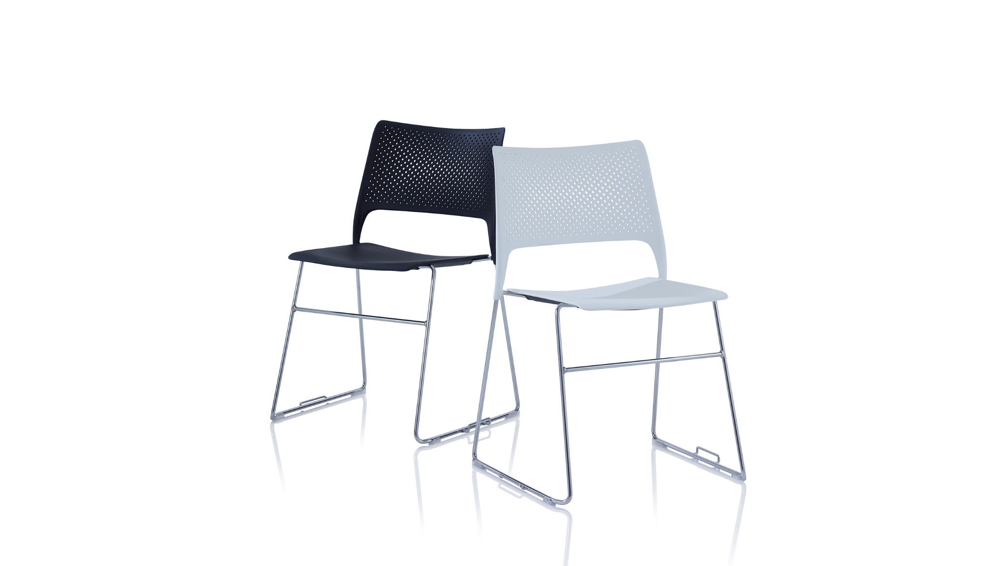 | Seat Height: 380mm minimum, 580mm maximum | Upholstered Seat, Fabric Band 1, Glides | 80 |  |  | £- | £- | #DIV/0! |  |  | £- | £- | #DIV/0!
BOOKA-01-STKb / USB2G |  |  |  |  |  |  |  | Upholstered Seat, Fabric Band 2, Glides | 80 |  |  | £- | £- | #DIV/0! |  |  | £- | £- | #DIV/0!
BOOKA-01-STKb / USB3G |  |  |  |  |  |  |  | Upholstered Seat, Fabric Band 3, Glides | 80 |  |  | £- | £- | #DIV/0! |  |  | £- | £- | #DIV/0!
BOOKA-01-STKb / MSB1G |  |  |  |  |  |  |  | Mono Shell Seat, Fabric Band 1, Glides | 80 |  |  | £- | £- | #DIV/0! |  |  | £- | £- | #DIV/0!
BOOKA-01-STKb / MSB2G |  |  |  |  |  |  |  | Mono Shell Seat, Fabric Band 2, Glides | 80 |  |  | £- | £- | #DIV/0! |  |  | £- | £- | #DIV/0!
BOOKA-01-STKb / MSB3G |  |  |  |  |  |  |  | Mono Shell Seat, Fabric Band 3, Glides | 80 |  |  | £- | £- | #DIV/0! |  |  | £- | £- | #DIV/0!
BOOKA-01-STKb / USB1C |  |  |  |  |  |  |  | Upholstered Seat, Fabric Band 1, Castors | 80 |  |  | £- | £- | #DIV/0! |  |  | £- | £- | #DIV/0!
BOOKA-01-STKb / USB2C |  |  |  |  |  |  |  | Upholstered Seat, Fabric Band 2, Castors | 80 |  |  | £- | £- | #DIV/0! |  |  | £- | £- | #DIV/0!
BOOKA-01-STKb / USB3C |  |  |  |  |  |  |  | Upholstered Seat, Fabric Band 3, Castors | 80 |  |  | £- | £- | #DIV/0! |  |  | £- | £- | #DIV/0!
BOOKA-01-STKb / MSB1C |  |  |  |  |  |  |  | Mono Shell Seat, Fabric Band 1, Castors | 80 |  |  | £- | £- | #DIV/0! |  |  | £- | £- | #DIV/0!
BOOKA-01-STKb / MSB2C |  |  |  |  |  |  |  | Mono Shell Seat, Fabric Band 2, Castors | 80 |  |  | £- | £- | #DIV/0! |  |  | £- | £- | #DIV/0!
BOOKA-01-STKb / MSB3C |  |  |  |  |  |  |  | Mono Shell Seat, Fabric Band 3, Castors | 80 |  |  | £- | £- | #DIV/0! |  |  | £- | £- | #DIV/0!
BOOKA-01-LS | Accessories | Lectern Stand | 56101900 | Lectern Stand Height adjustable Lectern for single occupant MFC or RAL standard manufacturer colours Specification Details: -LED Flex Lamp II -Gooseneck microphone -Mediabox FULL System for uploading files onto desktop screen via USB -Power cable -Choice of RAL colours -Lectern ON/OFF button -Electronic Height adjustment - 770 - 1070mm -15 or 17″ touch screen unit on desktop -No visible logo or branding tags, buttons, or plates to be used in products -Soft cover when not in use |  | 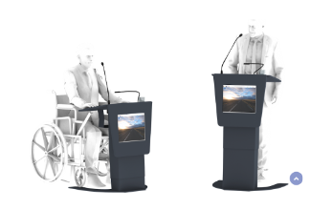 | Base Width: 735mm Base Depth: 605mm Table Width: 615mm Table Depth: 435mm | N/A | 4 |  |  | £- | £- | #DIV/0! |  |  | £- | £- | #DIV/0!
AMENI-01-RLK / 3HPS | Storage | Lockers | 56101520 | Lockers Personal lockers for staff Colours; Project specific within RAL Standard Colour Range. Specification Detail: -To be provided with fixing back to wall or fixing to other lockers if back to back -3 locker high and 4 locker high -Individual lockers to have drawers at lowest level -All locker carcasses to be finished in manufacturer standard finish powder coated steel or high pressure laminate - unless project specific use (ie Traffic White) -Individual compartments to be lockable, vertical 10 digit digital system with 4 digit code and factory setting code to be unique to GPA or customer. -Lock to be supplied with master key code or equivalent -Contrasting lock colour to door to be supplied -Doors and drawers to receive recessed handles and to be a mix of colour range for a visual break-up -Doors and drawers to be supplied with colour contrast apertures and sequential numbered inlays -Verify project specific requirements for final locker sizes and configuration -Doors to be capable of receiving applied graphic labelling -Able to accommodate locker caddy (refer to SUNL-15) -No visible logo or branding tags, buttons, or plates to be used in products |  | 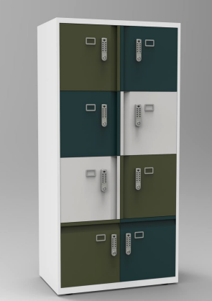 | Carcass Height: 1800mm maximum Locker Width: 800mm Locker Depth: 500mm Locker Height: 400mm | 3 locker high / Powder Coated Steel | 5 |  |  | £- | £- | #DIV/0! |  |  | £- | £- | #DIV/0!
AMENI-01-RLK / 4HPS |  |  |  |  |  |  |  | 4 locker high / Powder Coated Steel | 5 |  |  | £- | £- | #DIV/0! |  |  | £- | £- | #DIV/0!
AMENI-01-RLK / 3HHPL |  |  |  |  |  |  |  | 3 locker high / HPL | 5 |  |  | £- | £- | #DIV/0! |  |  | £- | £- | #DIV/0!
AMENI-01-RLK / 4HHPL |  |  |  |  |  |  |  | 4 locker high / HPL | 5 |  |  | £- | £- | #DIV/0! |  |  | £- | £- | #DIV/0!
AMENI-02-RLK / PS | Storage | Lockers | 56101520 | Lockers (Small Personal Storage Units) Specification Detail -14 Locker Unit -To be provided with fixing back to wall or fixing to other lockers if back to back -Individual lockers to have drawers at lowest level -All locker carcasses to be finished in manufacturer standard finish powder coated steel or high pressure laminate - unless project specific use (ie Traffic White) -Individual compartments to be lockable, vertical 10 digit digital system with 4 digit code and factory setting code to be unique to GPA or customer. -Lock to be supplied with master key code or equivalent -Contrasting lock colour to door to be supplied -Doors and drawers to receive recessed handles and to be a mix of colour range for a visual break-up -Doors and drawers to be supplied with colour contrast apertures and sequential numbered inlays -Verify project specific requirements for final locker sizes and configuration -Doors to be capable of receiving applied graphic labelling -No visible logo or branding tags, buttons, or plates to be used in products |  | 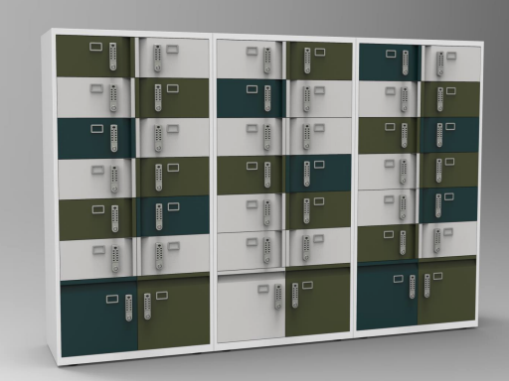 | Carcass Height: 1800mm maximum Locker Width: 800mm Locker Depth: 500mm Locker Height: 200mm (Bottom 2 Lockers - Height: 400mm) | Powder Coated Steel | 5 |  |  | £- | £- | #DIV/0! |  |  | £- | £- | #DIV/0!
AMENI-02-RLK / HPL |  |  |  |  |  |  |  | HPL | 5 |  |  | £- | £- | #DIV/0! |  |  | £- | £- | #DIV/0!
AMENI-03-RLK / PS | Storage | Accessible Lockers | 56101520 | Accessible Lockers Accessible lockers in an integral block. Colours; Project specific within RAL Standard Colour Range. Specification Detail: -Project specific – dependent on location -Accessible lockers will be provided in and around changing, shower and cycle storage areas -Locks will be between 750 mm and 100 mm above floor level and will be easy to use, one-handed, by a person with poor dexterity or limited strength in the hand or arm -Some lockers will be at least 1.2 m high -No visible logo or branding tags, buttons, or plates to be used in products |  | 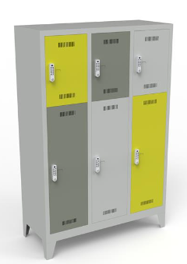 | Width: 300mm minimum Depth: 600mm maximum Base Set: 400-800mm above finished floor level | Powder Coated Steel | 5 |  |  | £- | £- | #DIV/0! |  |  | £- | £- | #DIV/0!
AMENI-03-RLK / HPL |  |  |  |  |  |  |  | HPL | 5 |  |  | £- | £- | #DIV/0! |  |  | £- | £- | #DIV/0!
AMENI-01-SSO | Accessories | Daybed | 56101900 | Daybed Specification Details: -Heavy duty steel construction with white gloss powder coating -Maximum User Weight: 158kg (25st) -2" thick foam top with flame retardant upholstery available in a variety of colours -Integrated towel roll holder and adjustable back rest providing versatility and user comfort -No visible logo or branding tags, buttons, or plates to be used in products |  | 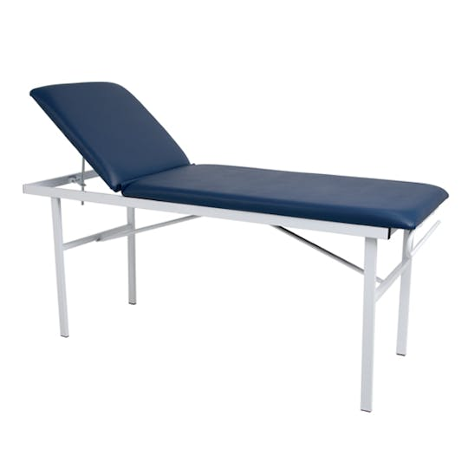 | 750 x 600 x 1800mm | N/A | 1 |  |  | £- | £- | #DIV/0! |  |  | £- | £- | #DIV/0!
AMENI-01-STC / B123.5 | Seating | Task Chair (with headrest) | 56101504 | Fully Ergonomic Task Chair with Headrest 100,000 rubs (Martindale) Manufacturer fabric bands 1, 2 or 3 Upholstered seat From a range of standard colours Colourways: From a range of standard colours (see tables D1 and E1 at the bottom of this price matrix and the GPA Design Guide) Specification Detail: -Technical fabric mesh back with headrest and adjustable seat slide -Upholstered CMHR foam seat base -Minimum weight capacity of 23.5 stone to suit 95% percentile -Adjustable arms with 180 degree pad rotation -Black frame and arms -Lumbar Support – adjustable lumbar pad (100mm of travel) -Synchronous and weight balancing action with up to 20 degrees of incline - with locking capability & “comfort dial” to adjust the amount of back tension and recline. -All adjustment mechanisms to be accessible from the side of the chair only -No visible logo or branding tags, buttons, or plates to be used in products |  | 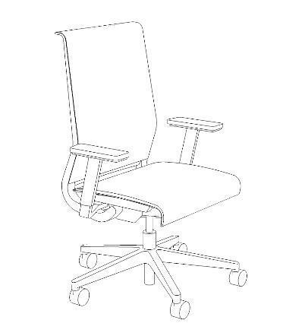 | Adjustable Seat Height: Min 400mm (+/- 5mm) Max 530mm Adjustable Arm: H: 100mm, W: 35mm | Fabric Band 1 Up to 23.5 stone | 4 |  |  | £- | £- | #DIV/0! |  |  | £- | £- | #DIV/0!
AMENI-01-STC / B130 |  |  |  |  |  |  |  | Fabric Band 1 Up to 30 stone | 1 |  |  | £- | £- | #DIV/0! |  |  | £- | £- | #DIV/0!
AMENI-01-STC / B223.5 |  |  |  |  |  |  |  | Fabric Band 2 Up to 23.5 stone | 4 |  |  | £- | £- | #DIV/0! |  |  | £- | £- | #DIV/0!
AMENI-01-STC / B230 |  |  |  |  |  |  |  | Fabric Band 2 Up to 30 stone | 1 |  |  | £- | £- | #DIV/0! |  |  | £- | £- | #DIV/0!
AMENI-01-STC / B323.5 |  |  |  |  |  |  |  | Fabric Band 3 Up to 23.5 stone | 4 |  |  | £- | £- | #DIV/0! |  |  | £- | £- | #DIV/0!
AMENI-01-STC / B330 |  |  |  |  |  |  |  | Fabric Band 3 Up to 30 stone | 1 |  |  | £- | £- | #DIV/0! |  |  | £- | £- | #DIV/0!
AMENI-01-STK / PT | Seating | Café/Bistro Chair | 48102001 | Café/Bistro Chair Café space stackable dining chairs Seat: Plastic in Table C1 colour range below Optional upholstered seat pad in Fabric Bands 1, 2 or 3. Base: Mix of Timber Metal legs Specification Details: -Steel rod frame to be polished or the nearest metal finish available -Stackable, with capacity of at least 30 chairs on trolley -Design to accommodate storage point for chair trolley -Shell colour to be defined by the Design team and Look & Feel colour palette.. -Incorporate glides at chair base -No visible logo or branding tags, buttons, or plates to be used in products |  | 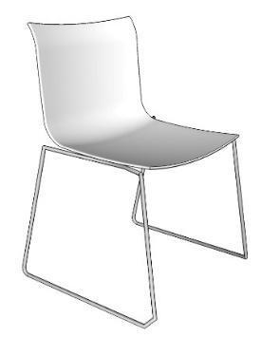 | Seat height: 450-480mm | Plastic Seat Timber Legs | 60 |  |  | £- | £- | #DIV/0! |  |  | £- | £- | #DIV/0!
AMENI-01-STK / PM |  |  |  |  |  |  |  | Plastic Seat Metal Legs | 60 |  |  | £- | £- | #DIV/0! |  |  | £- | £- | #DIV/0!
AMENI-01-STK / UB1T |  |  |  |  |  |  |  | Upholstered Seat Pad, Fabric band 1 Timber Legs | 60 |  |  | £- | £- | #DIV/0! |  |  | £- | £- | #DIV/0!
AMENI-01-STK / UB2T |  |  |  |  |  |  |  | Upholstered Seat Pad, Fabric band 2 Timber Legs | 60 |  |  | £- | £- | #DIV/0! |  |  | £- | £- | #DIV/0!
AMENI-01-STK / UB3T |  |  |  |  |  |  |  | Upholstered Seat Pad, Fabric band 3 Timber Legs | 60 |  |  | £- | £- | #DIV/0! |  |  | £- | £- | #DIV/0!
AMENI-01-STK / UB1M |  |  |  |  |  |  |  | Upholstered Seat, Fabric band 1 Metal Legs | 60 |  |  | £- | £- | #DIV/0! |  |  | £- | £- | #DIV/0!
AMENI-01-STK / UB2M |  |  |  |  |  |  |  | Upholstered Seat, Fabric band 2 Metal Legs | 60 |  |  | £- | £- | #DIV/0! |  |  | £- | £- | #DIV/0!
AMENI-01-STK / UB3M |  |  |  |  |  |  |  | Upholstered Seat, Fabric band 3 Metal Legs | 60 |  |  | £- | £- | #DIV/0! |  |  | £- | £- | #DIV/0!
AMENI-01-STKa / PT | Seating | Cafe/Bistro Chair (tub shell) | 48102001 | Cafe/Bistro Chair (Tub Shell) Café space timber Mono Plastic shell dining chairs Seat: Plastic in Table C1 colour range below Optional upholstered seat pad in Fabric Bands 1, 2 or 3. Base: Mix of Timber Metal 4 leg or 4 star base Specification Detail: -Plastic Mono shell -Shell colour to be defined by the Design team and Look & Feel colour palette.. -Incorporate glides at chair base -No visible logo or branding tags, buttons, or plates to be used in products |  | 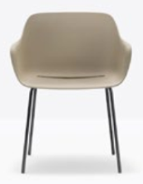 | Seat Height: 450-480mm | Plastic Seat Timber Legs | 60 |  |  | £- | £- | #DIV/0! |  |  | £- | £- | #DIV/0!
AMENI-01-STKa / PM |  |  |  |  |  |  |  | Plastic Seat Metal Legs | 60 |  |  | £- | £- | #DIV/0! |  |  | £- | £- | #DIV/0!
AMENI-01-STKa / UB1T |  |  |  |  |  |  |  | Upholstered Seat Pad, Fabric band 1 Timber Legs | 60 |  |  | £- | £- | #DIV/0! |  |  | £- | £- | #DIV/0!
AMENI-01-STKa / UB2T |  |  |  |  |  |  |  | Upholstered Seat Pad, Fabric band 2 Timber Legs | 60 |  |  | £- | £- | #DIV/0! |  |  | £- | £- | #DIV/0!
AMENI-01-STKa / UB3T |  |  |  |  |  |  |  | Upholstered Seat Pad, Fabric band 3 Timber Legs | 60 |  |  | £- | £- | #DIV/0! |  |  | £- | £- | #DIV/0!
AMENI-01-STKa / UB1M |  |  |  |  |  |  |  | Upholstered Seat, Fabric band 1 Metal Legs | 60 |  |  | £- | £- | #DIV/0! |  |  | £- | £- | #DIV/0!
AMENI-01-STKa / UB2M |  |  |  |  |  |  |  | Upholstered Seat, Fabric band 2 Metal Legs | 60 |  |  | £- | £- | #DIV/0! |  |  | £- | £- | #DIV/0!
AMENI-01-STKa / UB3M |  |  |  |  |  |  |  | Upholstered Seat, Fabric band 3 Metal Legs | 60 |  |  | £- | £- | #DIV/0! |  |  | £- | £- | #DIV/0!
AMENI-01-TCA | Desking | Café Dining Table | 5610519 | Café Circular Dining Table Top Material/ Finish: Light Grey or Light Oak MFC or manufacturer standard finish -25mm MFC Top -Wooden Legs -Power: 2 UK Power and 2 USB A+C -Protective edge-banding -No visible logo or branding tags, buttons, or plates to be used in products -Black Metal Frame | Power bank flush with table top is required (example Pandora unit 2x UK socket 1x double USB) | 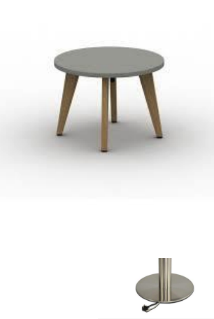 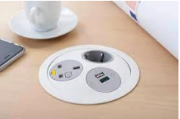 | Diameter: 1200mm Table top Depth: 25mm Height: 730 - 750mm (with 700mm clearance) | N/A | 20 |  |  | £- | £- | #DIV/0! |  |  | £- | £- | #DIV/0!
AMENI-01-TIM / MFC | Desking | Long Dining Table | 5610519 | Café Space Table Top Material/ Finish: Dark Grey MFC or manufacturer standard finish Oak Edging Suitable to be wipeable and food consumption - Vinyl / soft touch / lino worktop as option Base Material/ Finish: Timber Legs black Specification Detail: - Protective finish on timber, for ease of care and wipe ability - No visible logo or branding tags, buttons, or plates to be used in products |  |  | Table Width: 3600mm (typically seats 8) Table Depth: 1200mm Table Height: 730mm (with 700mm clearance) | MFC | 10 |  |  | £- | £- | #DIV/0! |  |  | £- | £- | #DIV/0!
AMENI-01-TIM / L |  |  |  |  |  |  |  | MFC inc Lino worktop | 10 |  |  | £- | £- | #DIV/0! |  |  | £- | £- | #DIV/0!
AMENI-01-TIM / ST |  |  |  |  |  |  |  | MFC inc soft touch worktop | 10 |  |  | £- | £- | #DIV/0! |  |  | £- | £- | #DIV/0!
AMENI-01-TIM / V |  |  |  |  |  |  |  | MFC inc vinyl worktop | 10 |  |  | £- | £- | #DIV/0! |  |  | £- | £- | #DIV/0!
AMENI-02-TCA / 4SB | Desking | Square Café Table | 5610519 | Square Café Bistro Table Top Material//Finish: Light Grey, Light Oak or White MFC or manufacturer standard finish. Base Material Finish: 4 star base black powder coated with silicon glides, or a flat, circular base Edge Detail: Square Edge Specification Detail: -Protective edge-banding -No visible logo or branding tags, buttons, or plates to be used in products |  | 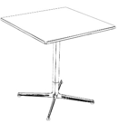 | Table top thickness: 25mm Width: 600-800mm Depth: 600-800mm Height: 730 - 750mm (with 700mm clearance) | 4 star base | 75 |  |  | £- | £- | #DIV/0! |  |  | £- | £- | #DIV/0!
AMENI-02-TCA / CB |  |  |  |  |  |  |  | Circular base | 75 |  |  | £- | £- | #DIV/0! |  |  | £- | £- | #DIV/0!
AMENI-02-TCAa / 4SB | Desking | Circular Café Table | 5610519 | Circular Café Bistro Table Top Material/Finish: Light Grey or Light Oak or White MFC or manufacturer standard finish. Base Material Finish: 4 star base black powder coated with silicon glides, or a flat, circular base Specification Detail: -Protective edge-banding -No visible logo or branding tags, buttons, or plates to be used in products |  | 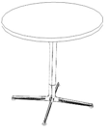 | Table top thickness: 25mm Height: 730mm (with 700mm clearance) Circular Diameter: 600-800mm | 4 star base | 47 |  |  | £- | £- | #DIV/0! |  |  | £- | £- | #DIV/0!
AMENI-02-TCAa / CB |  |  |  |  |  |  |  | Circular base | 47 |  |  | £- | £- | #DIV/0! |  |  | £- | £- | #DIV/0!
ACC‐01‐RLK / PCS | Storage | Z‐Type Locker | 56101520 | Z‐Type Locker (2 lockers per unit) -All locker carcasses to be in finished manufacturer standard powder coated steel or high pressure laminate in light grey. -Doors to receive recessed handles. With 3 swing doors and 1 top access drawer at bottom. -Lockers to be located in built‐in niches where possible. Individual compartments to be lockable, digital system with master key only. -Verify project specific program requirements for final locker sizes and configuration. -Doors to be capable of receiving applied permanent, large scale graphic labelling. |  | 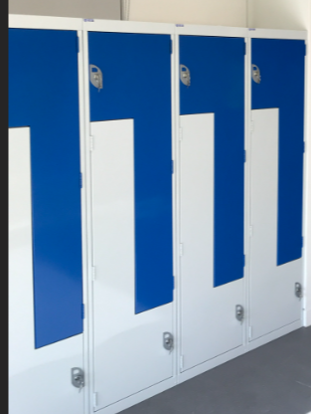 | 400mm width, manufacturers standard height and depth | Powder Coated Steel | 5 |  |  | £- | £- | #DIV/0! |  |  | £- | £- | #DIV/0!
ACC‐01‐RLK / HPL |  |  |  |  |  |  |  | High Pressure Laminate (HPL) | 5 |  |  | £- | £- | #DIV/0! |  |  | £- | £- | #DIV/0!
FOCUS-01-RMC / 1000 | Storage | Team Storage Units SH (Drawers) | 56101530 | 3 Drawer Side Filer - SH Closed Team Storage Unites with Drawers. - Powdercoated metal to match the colour finish of desking frame. - All storage units should be within the same design range. Price with plain shelves. - Internal components within the storage units able to include (but not limited to) plain shelves, combination shelves, pull-out shelves, slotted shelves, lateral rails, lateral shelves, pull-out filing frames, pull-out drawers, drawer dividers and recycling bins. |  | 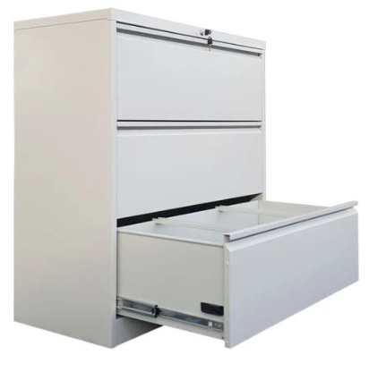 | Approx dimensions W800 x D450-500mm X H1000mm | N/A | 5 |  |  | £- | £- | #DIV/0! |  |  | £- | £- | #DIV/0!
INFOR-01-SHC / PSM | Seating | High Stool (With Arms) | 48102005 | High stool with back rest (with arms) Dimensions: 600-650mm Seat: Plastic, timber shell or upholstered Base: Metal/timber legs Fabric: 60,000 rubs (Martindale) Manufacturer fabric bands 3, or below Colourways: Table C1 colour range below. Specification Detail: -If metal base, steel rod frame to be polished or the nearest metal finish available -Incorporate glides at chair base -With arms -No visible logo or branding tags, buttons, or plates to be used in products |  | 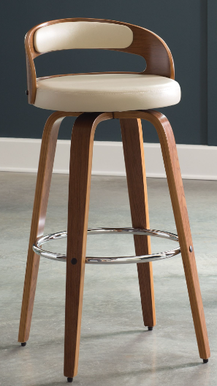 | 600-650mm | Plastic Shell / Metal Legs | 5 |  |  | £- | £- | #DIV/0! |  |  | £- | £- | #DIV/0!
INFOR-01-SHC / PST |  |  |  |  |  |  |  | Plastic Shell / Timber Legs | 5 |  |  | £- | £- | #DIV/0! |  |  | £- | £- | #DIV/0!
INFOR-01-SHC / TSM |  |  |  |  |  |  |  | Timber Shell / Metal Legs | 5 |  |  | £- | £- | #DIV/0! |  |  | £- | £- | #DIV/0!
INFOR-01-SHC / TST |  |  |  |  |  |  |  | Timber Shell / Timber Legs | 5 |  |  | £- | £- | #DIV/0! |  |  | £- | £- | #DIV/0!
INFOR-01-SHC / UB1M |  |  |  |  |  |  |  | Upholstered Fabric Band 1 / Metal Legs | 5 |  |  | £- | £- | #DIV/0! |  |  | £- | £- | #DIV/0!
INFOR-01-SHC / UB1T |  |  |  |  |  |  |  | Upholstered Fabric Band 1 / Timber Legs | 5 |  |  | £- | £- | #DIV/0! |  |  | £- | £- | #DIV/0!
INFOR-01-SHC / UB2M |  |  |  |  |  |  |  | Upholstered Fabric Band 2 / Metal Legs | 5 |  |  | £- | £- | #DIV/0! |  |  | £- | £- | #DIV/0!
INFOR-01-SHC / UB2T |  |  |  |  |  |  |  | Upholstered Fabric Band 2 / Timber Legs | 5 |  |  | £- | £- | #DIV/0! |  |  | £- | £- | #DIV/0!
INFOR-01-SHC / UB3M |  |  |  |  |  |  |  | Upholstered Fabric Band 3 / Metal Legs | 5 |  |  | £- | £- | #DIV/0! |  |  | £- | £- | #DIV/0!
INFOR-01-SHC / UB3T |  |  |  |  |  |  |  | Upholstered Fabric Band 3 / Timber Legs | 5 |  |  | £- | £- | #DIV/0! |  |  | £- | £- | #DIV/0!
INFOR-01-SHCa / PSM | Seating | High Stool (Without Arms) | 48102005 | High stool with back rest (without arms) Dimensions: 600-650mm Seat: Plastic, timber shell or upholstered Base: Metal/timber legs Fabric: 60,000 rubs (Martindale) Manufacturer fabric bands 3, or below Colourways: Table C1 colour range below. Specification Detail: -If metal base, steel rod frame to be polished or the nearest metal finish available -Incorporate glides at chair base -Without arms -No visible logo or branding tags, buttons, or plates to be used in products |  | 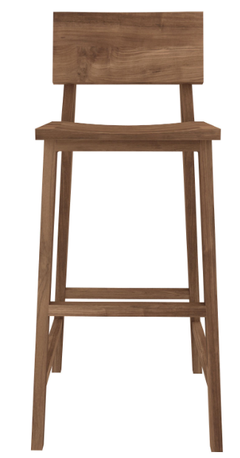 | 600-650mm | Plastic Shell / Metal Legs | 5 |  |  | £- | £- | #DIV/0! |  |  | £- | £- | #DIV/0!
INFOR-01-SHCa / PST |  |  |  |  |  |  |  | Plastic Shell / Timber Legs | 5 |  |  | £- | £- | #DIV/0! |  |  | £- | £- | #DIV/0!
INFOR-01-SHCa / TSM |  |  |  |  |  |  |  | Timber Shell / Metal Legs | 5 |  |  | £- | £- | #DIV/0! |  |  | £- | £- | #DIV/0!
INFOR-01-SHCa / TST |  |  |  |  |  |  |  | Timber Shell / Timber Legs | 5 |  |  | £- | £- | #DIV/0! |  |  | £- | £- | #DIV/0!
INFOR-01-SHCa / UB1M |  |  |  |  |  |  |  | Upholstered Fabric Band 1 / Metal Legs | 5 |  |  | £- | £- | #DIV/0! |  |  | £- | £- | #DIV/0!
INFOR-01-SHCa / UB1T |  |  |  |  |  |  |  | Upholstered Fabric Band 1 / Timber Legs | 5 |  |  | £- | £- | #DIV/0! |  |  | £- | £- | #DIV/0!
INFOR-01-SHCa / UB2M |  |  |  |  |  |  |  | Upholstered Fabric Band 2 / Metal Legs | 5 |  |  | £- | £- | #DIV/0! |  |  | £- | £- | #DIV/0!
INFOR-01-SHCa / UB2T |  |  |  |  |  |  |  | Upholstered Fabric Band 2 / Timber Legs | 5 |  |  | £- | £- | #DIV/0! |  |  | £- | £- | #DIV/0!
INFOR-01-SHCa / UB3M |  |  |  |  |  |  |  | Upholstered Fabric Band 3 / Metal Legs | 5 |  |  | £- | £- | #DIV/0! |  |  | £- | £- | #DIV/0!
INFOR-01-SHCa / UB3T |  |  |  |  |  |  |  | Upholstered Fabric Band 3 / Timber Legs | 5 |  |  | £- | £- | #DIV/0! |  |  | £- | £- | #DIV/0!
SUNL-01 / B2 | Accessories | Chair Cushion | 25174602 | Cushion -Cushion with removable cushion cover and stain resistant machine washable fabric. -Manufacturer's fabric bands 2 or 3. |  |  | W600mm X H400mm | Fabric Band 2 | 100 |  |  | £- | £- | #DIV/0! |  |  | £- | £- | #DIV/0!
SUNL-01 / B3 |  |  |  |  |  |  |  | Fabric Band 3 | 100 |  |  | £- | £- | #DIV/0! |  |  | £- | £- | #DIV/0!
SUNL-02 | Desking | Outdoor Table | 56101543 | Outdoor Table -Heavy use commercial grade outdoor furniture. -Timber top with powder coated black base. -24/7 365 days a year weatherproof; capable of tethering to terrace. -Should not be less than 10 kgs. -Project specific |  |  | W1800 x D750 x H750mm | N/A | 5 |  |  | £- | £- | #DIV/0! |  |  | £- | £- | #DIV/0!
SUNL-03 | Seating | Outdoor Bench Seat | 48102001 | Outdoor Bench Seat -Outdoor banquette seating. -Heavy use commercial grade outdoor furniture. -Powder coated solid aluminium. -24/7 365 days a year weatherproof; capable of tethering to terrace. -Project specific |  |  | W1800 x D450 x SH450mm | N/A | 10 |  |  | £- | £- | #DIV/0! |  |  | £- | £- | #DIV/0!
SUNL-04 | Accessories | Umbrella Stand ‐ Reception | 56101900 | Umbrella Stand -Open umbrella stand with drip tray at bottom to hold standard and telescopic umbrellas. -Standard colour powder coated metal finish. |  |  |  | N/A | 27 |  |  | £- | £- | #DIV/0! |  |  | £- | £- | #DIV/0!
SUNL-05 | Storage | Post Room Sorting Table and Pigeon Holes | 44111515 | Post Room Racks (to include table) -As per project requirement: generically, pigeon holes, work surface/hanging with A3 size dividers in metal mesh on steel structure. -Variable height to accommodate parcels. -Wire baskets to accommodate large parcels. -To accommodate min A3. -White frame and white shelves. |  |  | Site Specific Dims Bench 1800L X 750W X 750H Pigeon Holes: 48 compartments ‐ Manufacturers Standard dims | N/A | 4 |  |  | £- | £- | #DIV/0! |  |  | £- | £- | #DIV/0!
SUNL-06 | Storage | Storage Room Racking | 44111515 | Storage Racking -Galvanized metal frame with ply shelves. |  |  | W1000 X D500 X H2100 | N/A | 20 |  |  | £- | £- | #DIV/0! |  |  | £- | £- | #DIV/0!
SUNL-07 | Accessories | Equipment Trolley | 56101900 | Equipment Trolley -A compact industrial trolley with 90mm raised sides on three sides running on 4 castors with rubber tyres of 125mm diameter. -Capacity (kg): 200. -Castors/wheels (mm): 125 roller bearing, rubber tyre, all swivel. -No. Of shelves: 2. -Standard black metal finish. |  |  | Manufacturers Standard (Approx. 750x550x950h) | N/A | 2 |  |  | £- | £- | #DIV/0! |  |  | £- | £- | #DIV/0!
SUNL-08 | Accessories | Planter | 56101900 | Planters -Freestanding Planer -Round -Fiberglass in standard colour. |  |  | D500 X H750 | N/A | 61 |  |  | £- | £- | #DIV/0! |  |  | £- | £- | #DIV/0!
SUNL-09 | Accessories | Desk Lamp | 39111510 | Reception Desk Lamp - Reception desk lamp with textile shade and a standard finish powder coated metal base. |  |  | Manufacturer's standard dimensions | N/A | 2 |  |  | £- | £- | #DIV/0! |  |  | £- | £- | #DIV/0!
SUNL-10 | Accessories | Locker Caddies | 56101900 | Locker Caddies with Strap -Locker caddies with textile strap, as per product's standard finish Caddie to fit into standard personal locker. |  |  | Manufacturer's standard dimensions - To fit within standard personal locker | N/A | 80 |  |  | £- | £- | #DIV/0! |  |  | £- | £- | #DIV/0!
SUNL-11 | Accessories | Desk Lamp | 39111510 | Desk Lamp -Led desk lamp • Four modes with adjustable brightness control - Study 6500K - Reading 5000K - Relax 4000K - Sleep 3000K • Fitted with 3000-6500K LED | Integral 5V USB charge port |  |  | N/A | 80 |  |  | £- | £- | #DIV/0! |  |  | £- | £- | #DIV/0!
SUNL-12 / WP | Accessories | Drying Rack | 56101900 | Racking For Drying Rooms -Clothes Drying Rack -Available with and without power (heated) -Cool grey finish |  |  | W680 x D 730 x H 1440 | With power | 10 |  |  | £- | £- | #DIV/0! |  |  | £- | £- | #DIV/0!
SUNL-12 / WOP |  |  |  |  |  |  |  | Without power | 10 |  |  | £- | £- | #DIV/0! |  |  | £- | £- | #DIV/0!
SUNL-13 | Accessories | Wall Mounted Key Storage | 56101900 | Wall Mounted Key Storage - Manufacturers Standard mid tone grey - Digi lock - Storage to hold 100 keys |  |  |  | N/A | 5 |  |  | £- | £- | #DIV/0! |  |  | £- | £- | #DIV/0!
SUNL-14 | Accessories | Perspex Signage Stand | 56101900 | Perspex Signage Stand -Clear acrylic A4 desktop poster holders are suitable to display a poster or an advertisement between 2 sheets of acrylic. |  |  | H292 x W236 x D96 | N/A | 50 |  |  | £- | £- | #DIV/0! |  |  | £- | £- | #DIV/0!
SUNL-15 | Accessories | Locker Caddies | 56101900 | Locker Caddies -Locker caddies as per product's standard finish Caddie to fit into standard personal locker. |  |  | Manufacturer's standard dimensions - To fit within standard personal locker | N/A | 80 |  |  | £- | £- | #DIV/0! |  |  | £- | £- | #DIV/0!
SUNL-16 | Accessories | Magnetic Pen Holder | 56101900 | Magnetic Pen Holder -Wire metal basket in standard finish with strong magnet holder at least 4 white board pens |  |  | Manufacturer's standard dimensions | N/A | 5 |  |  | £- | £- | #DIV/0! |  |  | £- | £- | #DIV/0!
SUNL-17 | Accessories | Magnetic Whiteboard Rubber | 56101900 | Magnetic Whiteboard Rubber -Dry Erase White Board Foam Cleaner Rubber for Dry Wipe Pens and Markers -Strong Magnet Sticks, standard colour |  |  | Manufacturer's standard dimensions | N/A | 5 |  |  | £- | £- | #DIV/0! |  |  | £- | £- | #DIV/0!
SUNL-18 | Accessories | Wooden Coat Hangers | 56101900 | Wooden Coat Hangers -Strong Natural Wood Wooden Coat Hangers with Round Trouser Bar and Shoulder Notches. -Swivel Chrome hook with rounded heads |  |  | Manufacturer's standard dimensions | N/A | 5 |  |  | £- | £- | #DIV/0! |  |  | £- | £- | #DIV/0!
...

