Exemption Form
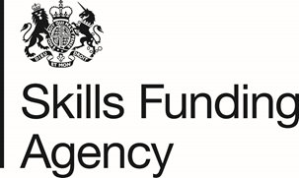

EXEMPTION FROM FINANCIAL HEALTH ASSESSMENT

I believe that the above named company is exempt from submission of financial statements for Financial Health Assessment on the basis that we are:

(Please tick one box)

0 | A College (General Further Education Education corporation incorporated under the Further and Higher Education Act) currently receiving funding from the Skills Funding Agency (SFA).

OR

0 | A central government department, an executive agency or a non-departmental public body

OR

0 | A local authority including Local Education Authority (LEA) schools.

OR

0 | An NHS trust, a fire authority, or a university monitored and supported by HEFCE

OR

0 | An Academy, Free School or Sixth Form College

OR

0 | A major national charity or voluntary organisation with annual turnover in excess of £100M where SFA funding is less than 5% of the organisation's annual turnover

OR

0 | A Public Limited Company (PLC) or other registered company with an annual turnover in excess of £100M where SFA funding is less than 5% of the organisation's annual turnover

 |  | © Crown Copyright

