DEVELOPING SCENARIOS
 |  | GO-SCIENCE: DEVELOPING SCENARIOS
 |  | How to use: There is no single panacea or 'correct' approach to developing possible futures, but several tools and processes exist for building and exploring scenarios more robustly, holistically and coherently. See the Futures Toolkit for a variety of ways you might do this. The three step approach here is just one method of progressing from Impact Mapping to a curated set of possible futures / scenarios. Each step is best conducted with the same (small) group of stakeholders. Step 1 involves a deeper, qualitative analysis of the relationships between trends to surface interesting themes. Step 2 asks you to consider extreme, yet possible outcomes within your timescale. Step 3 strings together outcomes to create the conditions for distinct scenarios. |  |  |  |  | Access the Futures Toolkit here

[ F U T U R E S ]

 | STEP 1 - thematic 'clusters' |  |  | STEP 2 - outcome statements | STEP 3 - draft scenarios

 | A conversational analysis of the relationships between the KEY UNCERTAINTIES in your trends map can help you hone in on a range of themes. Begin by picking two or three trends that feel closely interrelated (perhaps a feedback loop), and describing the possibility they create - as if you are telling a story about the future. What happens when another related trend is brought into the cluster? What theme unites the cluster? Give it a heading. A thematic cluster should incorporate 5-10 trends, and you should aim to develop 5-6 themes. Below is an example of how you can visualise the relationships you are describing in a 'thematic cluster'. |  |  | With your established time horizon in mind (e.g. 2030), describe 3-5 possible outcomes per theme, expressing them as statements. Do not shy away from imagining extreme, yet possible, outcomes (this is how foresight teams miss out on 'black swan' events). Below is an example of outcome statements, based on the cluster in Step 1. You may end up with anywhere between ~15-30 outcome statements in total, across all of your themes. | Finally, as a group, connect outcome statements across themes. Ask yourselves: Which outcomes could co-exist in e.g. 2030? Which would not be compatible? The statements you group together will create the conditions of one scenario; try to select one or two from each theme to ensure you are building a holistic picture of that future possibility. Discuss and refine your groupings to align on ~3-6 scenarios that feel: a) sufficiently distinct, from each other and from today b) extreme, yet plausible (they exist within the parameters of the CONTEXTS you have identified) c) coherent and holistic (informed by a range of themes, not myopic) Challenge individuals or pairs to select a scenario and narrate it in more depth; for ideas on how to further develop and workshop scenarios, speak to the Futures team, or consult the Futures Toolkit!

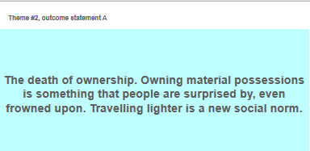
 | THEME HEADING |  | Direction of influence
 | e.g. 'New Forms of Exchange' |  | Context |  |  | Group outcomes across themes to create SCENARIO A
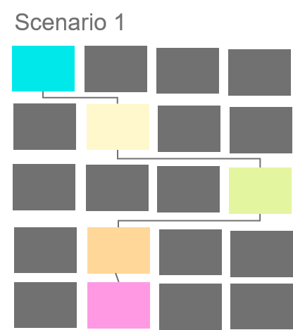
 |  |  |  |  | THEME 1 OUTCOMES

 |  |  |  |  | THEME 2 OUTCOMES

 |  |  |  |  | THEME 3 OUTCOMES
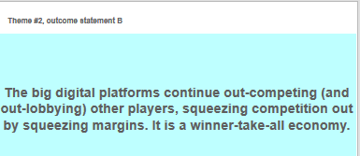

 |  |  |  |  | THEME 4 OUTCOMES

 |  |  |  |  | THEME 5 OUTCOMES

