App C - Site Photos
Appendix C
Site Photos

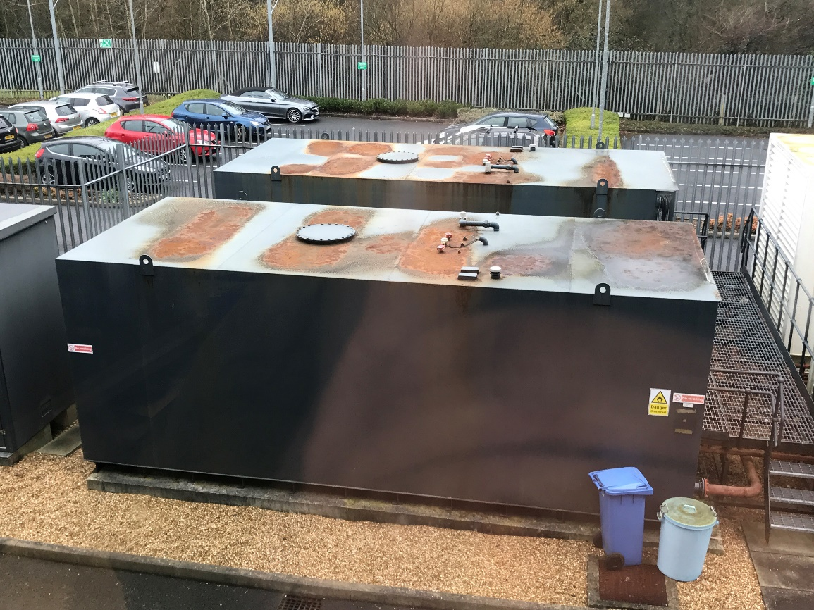

Tank 2

Tank 1

Tank 1 Bund Layout

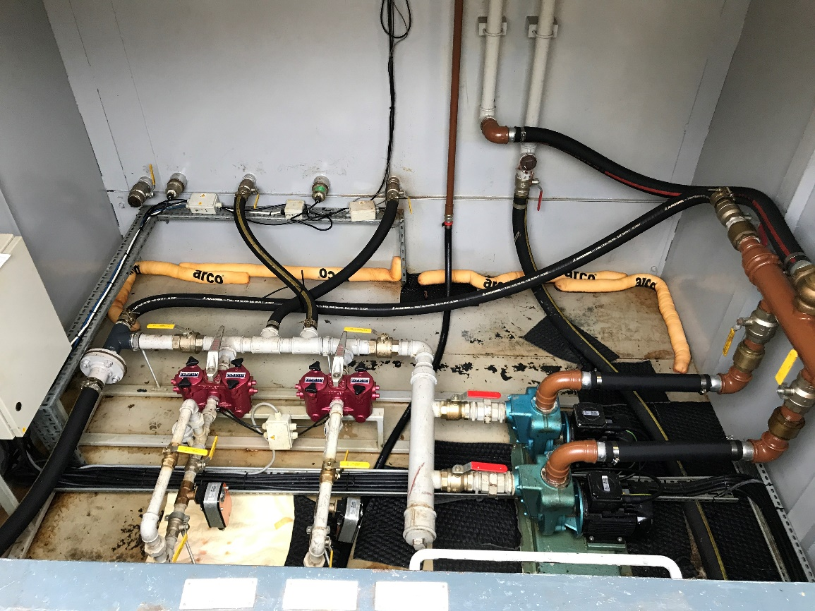

Tank 1 Information Plate

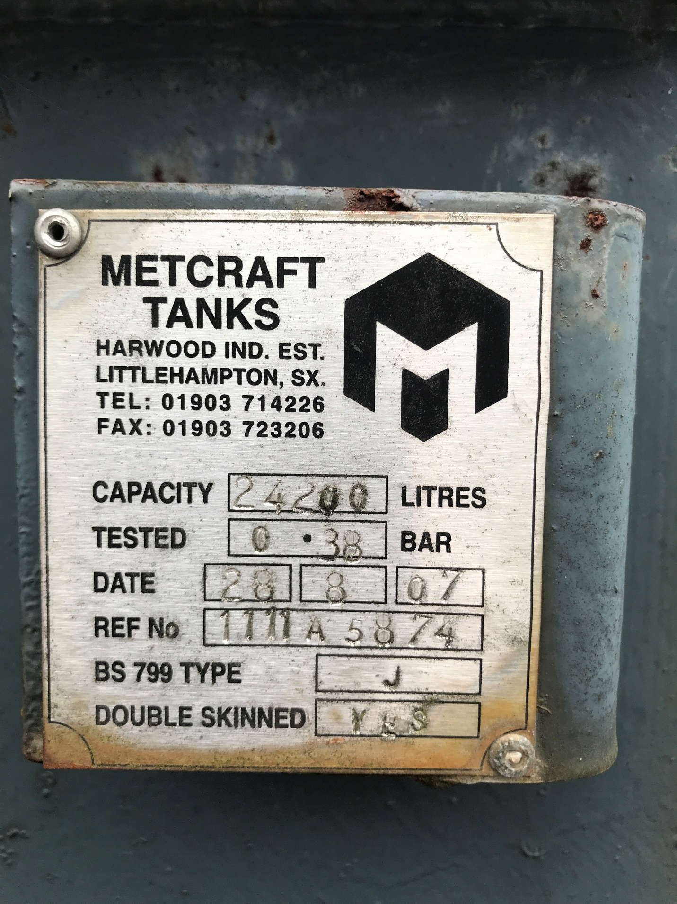

Tank 2 Bund Layout

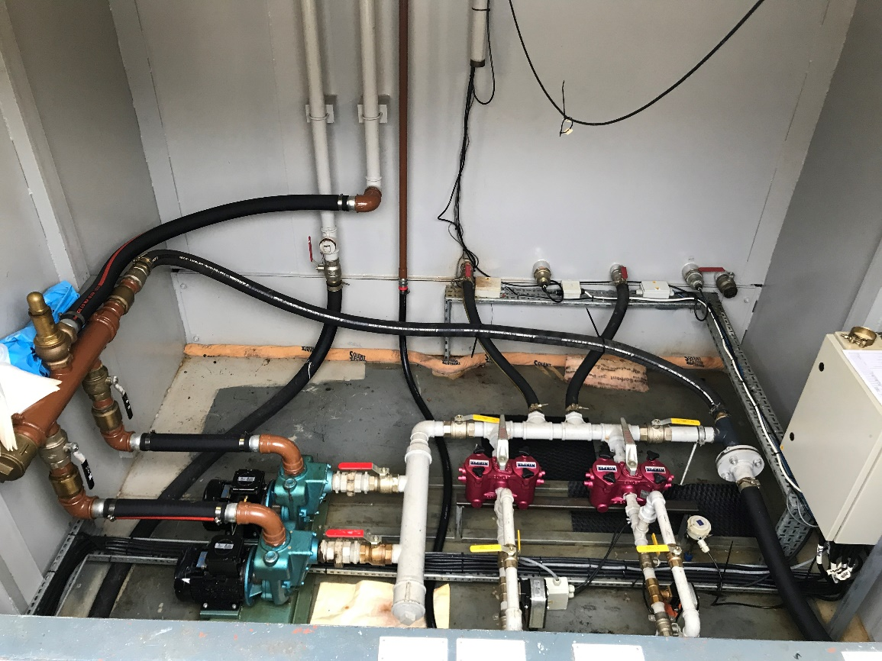

Tank 2 Information Plate

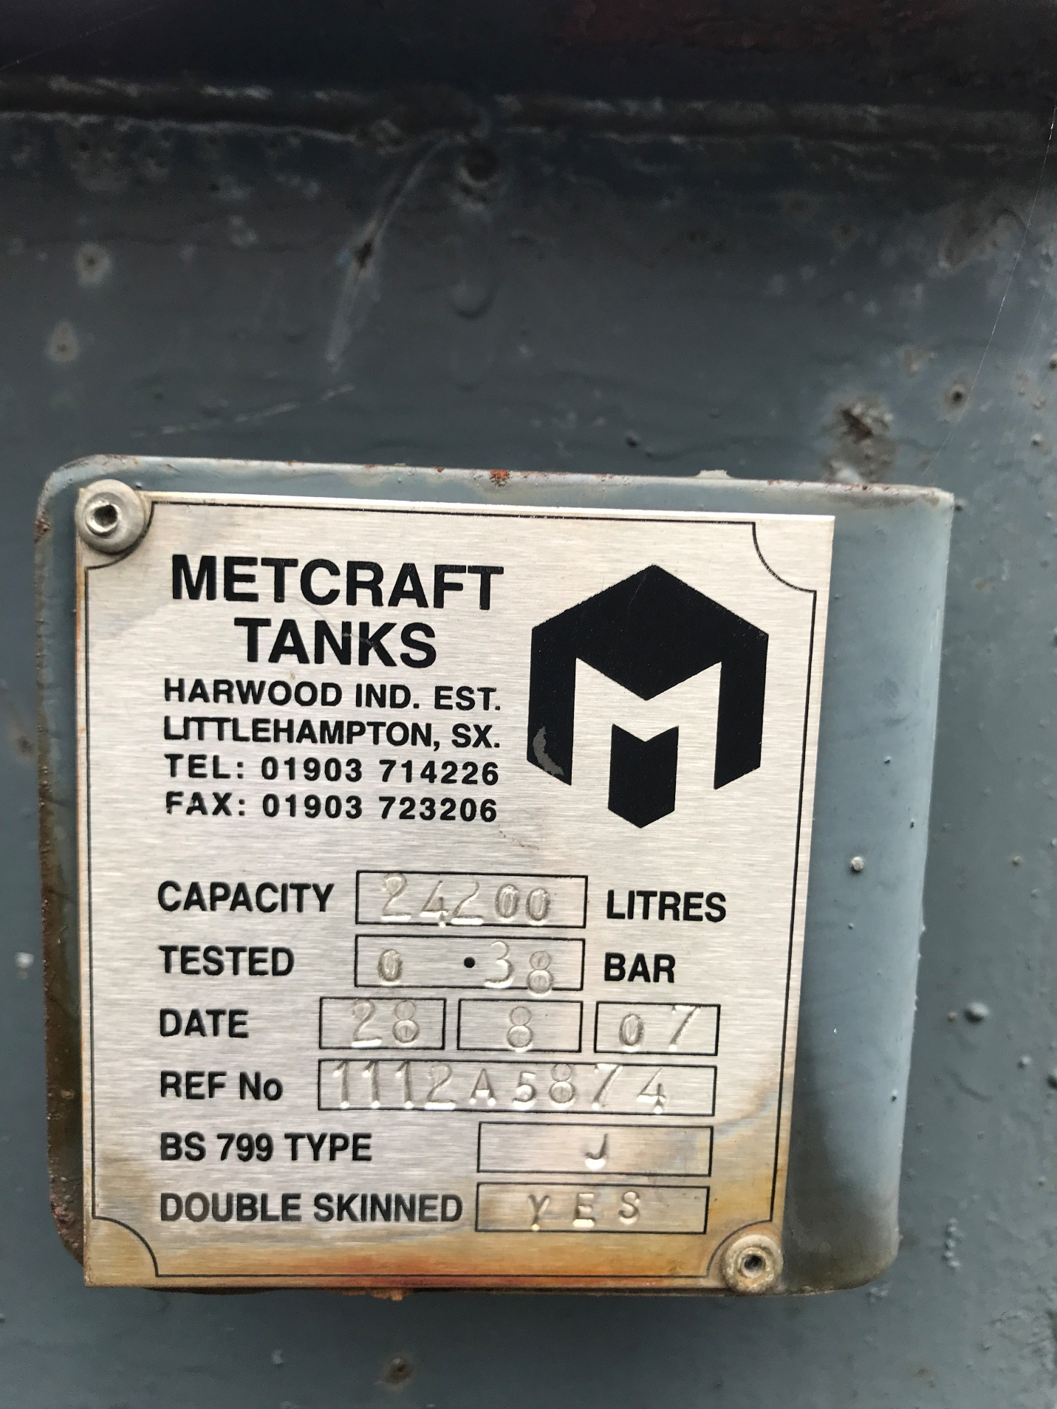

Remote fill and drain points located external to the site and connected to the existing fuel tanks via underground pipework.

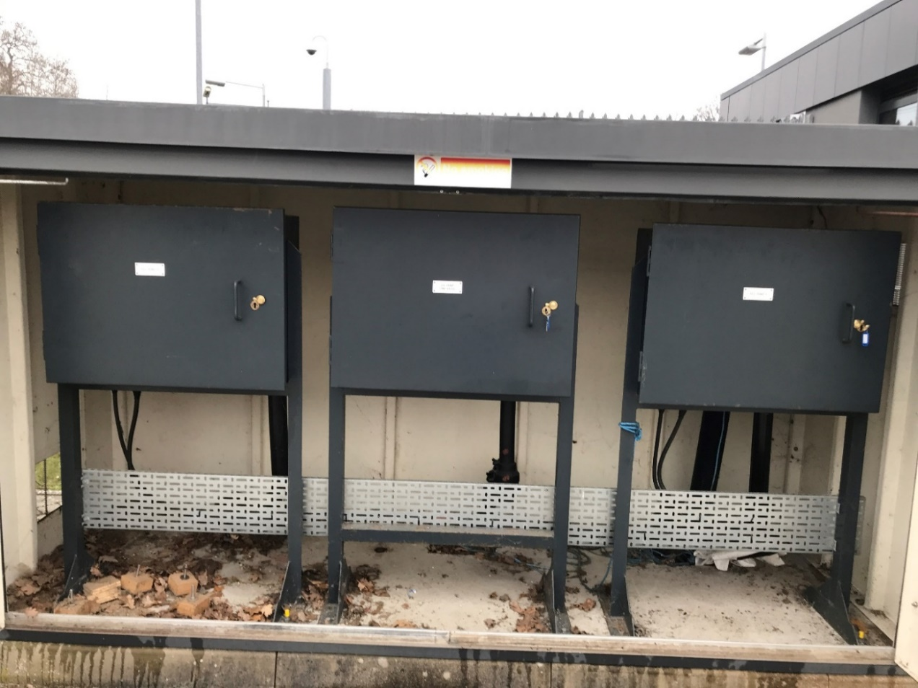

Drain Valve at remote filling point enclosure

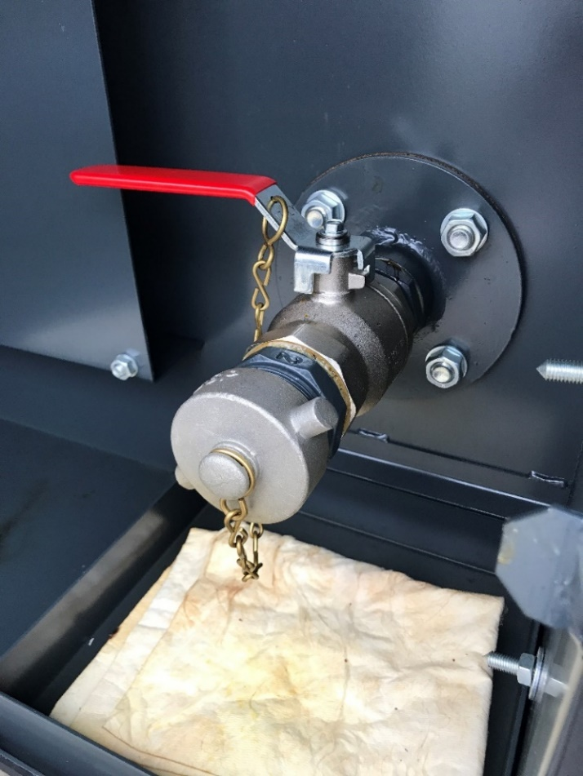

One of the two fill point valves at the remote filling enclosure

