ReadMe
Natural Capital Catchment Register and Account Tool
Data sensitivity: | OFFICIAL
Version | v1.0
Status: | BETA
Date: | 2019-10-08
Owner: | Natasha Lombino - Natural Capital Programme Team
Introduction to Natural Capital
Natural capital is the nation’s stock of ‘environmental assets’; the elements of the natural world such as land, forests, biodiversity, water, soil, air, geo-diversity and oceans that provide valuable goods and services (benefits) to people such as clean air and water, food and recreation. A natural capital approach measures the quantity, condition, and risks to natural capital assets; it indicates the values of services natural capital provides and uses this information to enable people to make better decisions to deliver a resilient environment capable of sustainable provision of services for future generations.
Tool description
The Natural Capital Catchment Register and Account tool uses information on the asset quantity and quality (register) to generate the physical flows and the monetary values (account) of ecosystem services we are able to quantify for a catchment. This is intended as a high level overview and evidence base for strategic planning purposes. It is considered a partial account as it is not possible to value ecosystem services accurately and some services are invaluable. It is based on open-source, nationally available datasets to allow sharing with stakeholders and partners.
Tool tabs
The Natural Capital Catchment Register and Account tool requires 'input' data on habitat quantities provided by the user for a catchment of choice. The 'process' tabs automatically run the calculations to generate the physical and monetary values. The 'output' tab summarises this information in an account. The flow chart in Figure 1 below depicts these steps.

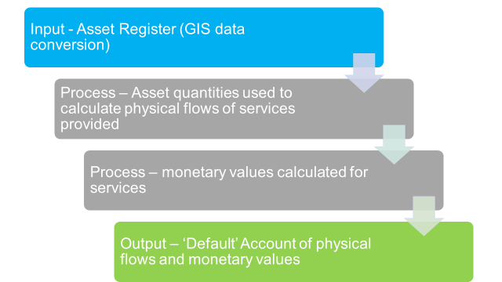
Figure 1: Catchment Account methodology flow chart

How to use
In order to generate a Natural Capital Account for your catchment of choice, users are required to generate asset quantity information via ArcGIS data conversion. This information is required for 'input - asset register' tab. The remaining tabs will autopopulate providing an account in 'Output - default account' tab. Additional data input is required for 'Process -recreation' and 'Process - water supply'. Table 1 below details the breakdown of tabs within the tool with a brief description. The full methodology is outlined in: Natural Capital Catchment Register and Account_User Guide

Table 1: Natural Capital Account Tool - tab descriptions
Type of tab | Name of tab | Description
Input | Asset Register | User input of GIS data for quantity (ha) of natural capital assets (NEA broad habitat types) in the catchment.
 |  | NB: Cells shaded green indicate data entry points
Output | Default account | Summary of physical flows and monetary values derived from the natural capital assets in the catchment. Values estimated for baseline year (year 0) and total value (over 100 years). 'Default' account assumes average asset quality.
Process | ES Recreation | Physical flow and monetary values for recreation by the habitat types. User input of ORVal recreation data.
 |  | NB: Cells shaded green indicate data entry points
Process | ES Agriculture | Physical flow and monetary values for both livestock and arable agriculture.
Process | ES Water supply | Physical flow and monetary values for the licensed volume of water abstraction for public water supply. User input of NALD data.
 |  | NB: Cells shaded green indicate data entry points
Process | ES Timber | Physical flow and monetary values for the quantity of timber production in woodlands.
Process | ES Climate regulation | Physical flow and monetary values for the quantity of carbon stored by the habitat types.
Process | ES Air quality (PM) | Physical flow and monetary values for the PM10 Particulates absorbed by the habitat types.
Process | ES Air quality (SO2) | Physical flow and monetary values for the volume of SO2 absorbed by habitat types.
Process | ES Hazard Regulation | Physical flow and monetary values for the costs avoided for flood mitigation by woodlands.
Metadata | Metadata | Data and evidence sources.
Discount Rates | Discount Rates | Rates used given by the Treasury in the latest Green Book.
Change log | Change log | A record of tool changes to maintain version control.

Input - Asset Register
Asset Register
Data sensitivity: OFFICIAL

In order to produce a 'default' natural capital account for your chosen catchment you need to enter the quantity (number of hectares) for each of National Ecosystem Assessment Broad habitat categories derived from Corine Land Cover Map 2012 in the table below. Guidance on GIS data transformation is available in Natural Capital Catchment Account_User Guide
nea BROAD hABITAT TYPES PRESENT IN CATCHMENT
NEA Broad habitat type (Corine 2012) | Quantity (Ha) | % of total area
Coastal Margins |  | #DIV/0!
Enclosed Farmland |  | #DIV/0!
Freshwaters, Openwaters, Wetlands and Floodplains |  | #DIV/0!
Marine |  | #DIV/0!
Mountains, Moorlands and Heaths |  | #DIV/0!
Semi-natural Grasslands |  | #DIV/0!
Urban |  | #DIV/0!
Woodlands |  | #DIV/0!
Total | 0 | #DIV/0!

Additional Asset Information

Additional information on enclosed famland is required for Process - ES agriculture. This will separate the land into improved grassland and arable land, and is essential for informing the calculations on agricultural output.

Enclosed Farmland (Corine, 2012) | Quantity (Ha)
Grassland - pasture
Arable land
Total | 0

Aditional information for woodland habitat will influence the data for some of the ecosystem services, but is not essential. The model assumes a 50-50 mix of broadleaved and coniferous if this data isn't supplied. NB: If this cell is highlighted red then you have entered more hectares than there are In the Habitat table above.

Woodland habitat (Corine, 2012) | Quantity (Ha)
Broadleaved and mixed woodland
Coniferous woodland
Total | 0

