Section 2
2.0 | Schedule of Works

ITEM | DESCRIPTION | UNIT | £
2.1 | ROOF VOID
2.1.1 | At the location of the previously spliced timber purlin, supply and install a 10mm steel plate across and over the join fix a minimum of 650mm away from the join using M12 bolts. Refer to the structural engineer's sketch for detail. | Item
2.1.2 | Carefully remove existing water tank from its location and cart from site. | Item
2.1.3 | Carefully cut out all existing 47x47mm timbers (both horizontal and vertical) which support the tank and cart from site. | Item
2.1.4 | Supply and install new 100x100mm section C24 timber to the locations of timbers removed to support the new water tank. | Item
2.1.5 | Supply and install new integrally insulated water tank sited on top of the replaced timbers with size to match previously removed. New tank to be WRAS Approved and to be installed in accordance with BSEN 806-5 and BS 8558. Include for all pipework connections and adaptations to pipes to form watertight connection with the new tank. Connections should not be made to cold water taps. | Item
2.1.6 | Allow to level out existing insulation and 'top-up' to a depth of 270mm. Supply and install counter-battens with sufficient depth to accommodate the insulation and a 10mm ventilation gap at 600mm centres. Supply and mechanically fix new 18mm plywood to the new counter-battens to provide a boarded floor to the loft space. | Item
2.2 | ROOF
2.2.1 | Contractor to take care at all times to ensure the photovoltaic panels to the roof covering are not damaged. | Note
2.2.2 | Carefully rake out loose and friable mortar to the joints beneath the re-built section of the chimney stacks. | Item
2.2.3 | Repoint lower areas of chimney stacks in mortar to closely match existing in consistency and colour. | Item
2.2.4 | Carefully rake out mortar to the verges of all gable ends. | Item
2.2.5 | Repoint verges in mortar to closely match existing in consistency and colour. | Item
2.2.6 | Carefully remove existing chimney pots to both chimney stacks. Supply and install new terracotta chimney pots with bonnet hood to the existing locations. | Item
2.2.7 | Allow a cost to hack off any loose or friable flaunching from the chimneys and repair using a 3:1 strong sand to cement mortar. | Item
2.2.8 | Carefully remove ridge tiles from the roof including to scrape off all mortar bedding to the junction. | Item
2.2.9 | Structural engineer to advise on effect of wind uplift prior to installation of eaves and ridge installation.
2.2.10 | Supply and install new Manthorpe or similar approved dry ridge ventilation kit (brown) in accordance with manufacturer's instructions, and ensuring sufficient ventilation gap to top of ridge. | Item
2.2.11 | Supply and install new Manthorpe or similar approved retro-fit 'Continuous Soffit Vent' (10,000mm2) to allow air flow into the roof void in accordance with manufacturer's instructions. Include for felt support tray as necessary. | Item
2.2.12 | Allow a provisional sum of £1,000 to identify alterations to fascia / soffit / underlay as required following opening up of the same to ensure free flow of ventilation. Provisional Sum to be expended in part or whole only upon instruction by the CA. | PSum | 1000.00
2.2.13 | Chop out section of fascia and soffit boards around redundant cast iron soil pipe. Carefully remove soil pipe through this section taking care not to damage surrounding materials and cart from site, including for removal of wall fixing brackets. | Item
2.2.14 | Supply and install new section of PVC-U fascia and soffit boards to match profile and colour of existing. | Item
2.2.15 | Supply and install concrete roof tiles to fit in and over redundant soil pipe penetration and ensure the same is watertight. | Item
2.2.16 | Following removal of soil pipe, decommission section of pipe by backfilling to the junction with aggregate, and sealing at the next junction with underground drainage to ensure backfill does not infiltrate below ground drainage system. | Item
2.3 | FENESTRATION
2.3.1 | Carefully remove existing UPVC windows and doors and cart from site. | Item
2.3.2 | Design, supply and install of new windows to follow requirements as per the workmanship clauses in Section 3 of this specification. | Note
2.3.3 | Supply and install new white PVC-U hermetically sealed double glazed units to match existing profile and casement style (with the exception that the rear lounge window is to be replaced with a door). Windows to be fixed into prepared masonry openings with a 6-10mm tolerance between windows and structure. Shims and wedges are to be removed after fixing with lugs and screws prior to sealing. All fixings shall be direct to the structure using stainless steel lugs. | Item
2.3.4 | Provide a cost for triple glazed windows as an alternative glazing. | Item
2.3.5 | Windows to comply with building regulations including adjustable trickle vents and to be installed by FENSA registered installer. | Item
2.3.6 | Include for the supply and installation of ironmongery with finishes to match windows. Include for all hinges, window stays, fasteners, handles and the like. Handles to be push release. | Item
2.3.7 | New bathroom and WC glazing to be obscure. | Note
2.3.8 | Supply and install new white external composite doors to match existing sizes and profiles (with the exception that the rear lounge window is to be replaced with a door). Include this new door within this item. Doors to be hermetically sealed double glazing and toughened to critical locations. Threshold of new door to include for threshold drain and suitable detail to prevent water ingress. | Item
2.3.9 | During window installation allow for inspection by CA of lintels or lack thereof above window openings. | Item
2.3.10 | Allow a Provisional Sum of £3,000 for the installation of lintels where existing are found to be insufficient. Provisional sum to be expended in part or whole only upon written confirmation by the Contract Administrator. | Item | 3000.00
2.4 | WINDOW TO DOOR
2.4.1 | Carefully remove radiator beneath rear window to the lounge and cart from site. | Item
2.4.2 | Carefully take down brickwork beneath the rear window to form opening for new double doorset. including the skirting boards, and cart from site. Include to prepare reveals ready for plasterboard finish. | Item
2.4.3 | Allow to alter pipework to the radiator so that it can be installed adjacent to the newly installed patio doors. | Item
2.4.4 | Supply and install new vertical radiator including brackets and fixings, to the space directly to the left of the newly installed patio doors. Contractor to design sizing of new radiator including BTU calculations so that heat levels are appropriate for the size of the room and to be able to heat to approximately 21C. Following installation test the whole central heating system and install Fernox Inhibitor to the pipework. | Item
2.4.5 | Fully prepare exposed brickwork and supply and install new plasterboard to sit flush with the existing finish, including for angle beads at corners. Allow to apply skim plaster finish ready for decoration. | Item
2.4.6 | Fully prepare and redecorate all walls of the lounge in accordance with the specification. | Item
2.5 | EXTERNAL WALLS
2.5.1 | Carefully hack off concrete flaunching to the brick step at low level. Supply and install new cement-based flaunching to a chamfer to the same location. | Item
2.5.2 | 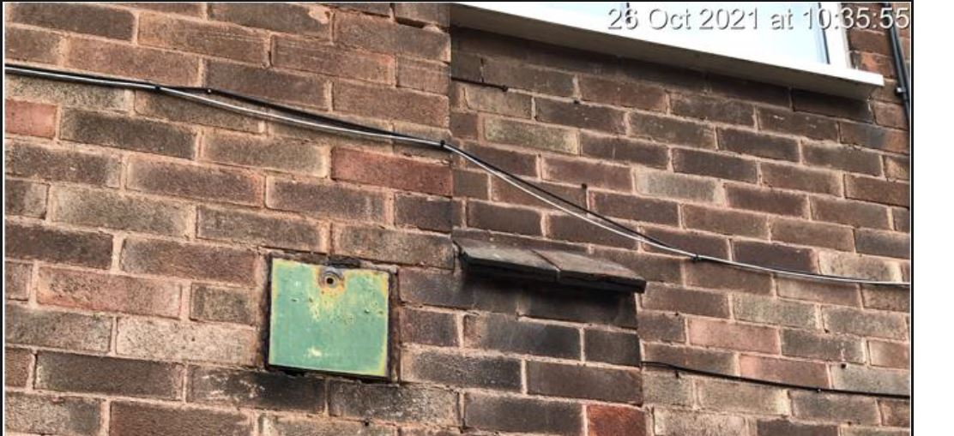 Option 1 Carefully remove corroded soot doors from site. Allow cost to fabricate new steel doors to match size and fittings and install to the same locations. | Item
2.5.3 | Option 2 Carefully remove corroded soot doors from site. Brick up cavities with bricks to closely match external facing including installation of Rockwool or similar approved insulation within any cavity. | Item
2.5.4 | Rake out existing loose mortar to isolated locations around the perimeter of the property. For tendering purposes allow for 12m2. Locations to be agreed with Contract Administrator. | Item
2.5.5 | Repoint areas of removed point in mortar to closely match existing in consistency and colour. | Item
2.5.6 | Allow to liaise with the electrical supplier to in relating to the making safe / temporary fixing of cabling to affixed to the south corner of the property at eaves level. | Item
2.5.7 | 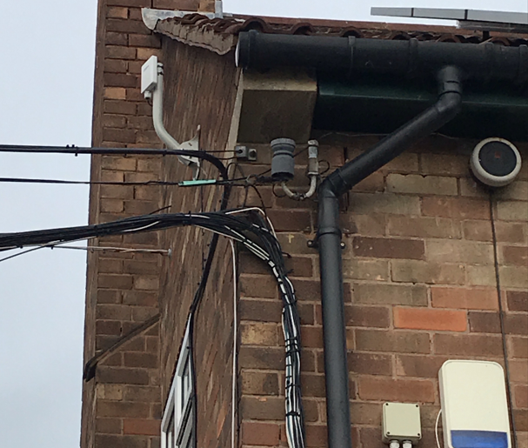 Chop out loose brickwork to south corner to the eaves and re-bed and repoint as required utilising existing bricks. | Item
2.5.8 | Carefully drill 10no holes to the cavity wall to the mortar joints to allow inspection via borescope of the cavity to identify the presence of cavity wall insulation. Following inspection, allow to fill holes with new mortar pointing. | Item
2.6 | DRAINAGE
2.6.1 | Undertake a CCTV survey of all below ground drainage systems including to flush out the same in case of blockage. | Item
2.6.2 | Allow a Provisional Sum of £2,000 for the repairs of below ground drainage systems following the CCTV survey. Provisional sum to be expended in part or whole only upon written confirmation by the Contract Administrator. | Item | 2000.00
2.7 | HANDOVER
2.7.1 | At completion of the works, clean the premises and surrounding site of rubbish and sundry surplus materials and the like. Clean all fittings, glazing, door and window frames, light diffusers etc. Clean off any paint splashes etc. and leave in clean and tidy condition. | Item
2.7.2 | Supply all guarantees/warranties/certificates etc. obtained during the works including building regulations final certificate, and all literature regarding fittings, maintenance, paint colours, etc. to the CA. | Item
2.7.3 | Provide a 10 year fully independent insurance backed warranty covering all design, materials and workmanship, and protecting against insolvency of any subcontractors used. The guarantee shall cover all costs involved should remedial work prove to be necessary and shall cover against consequential loss and be protected against inflation. | Item
2.7.4 | Allow a Provisional Sum of £500.00 to make good damage caused by intrusive investigations throughout the property made as part of the refurbishment asbestos survey. | PSum | 500.00
 | TOTAL OF SCHEDULE OF WORKS

