INTRODUCTION
Station Manager Foundation Programme
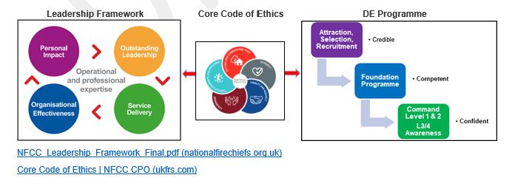 Introduction The aim of this document is to set out the broad details in how the Direct Entry Development Programme will cover the transition from a non-operational direct entrant to a competent, confident and credible operational station manager. The Operational Foundation Programme (OFP) and the Professional Development Programme (PDP) are a comprehensive and wide-reaching programme that will provide a tacit understanding and skill base to begin their programme of leadership and command development within the sector. Aim The PDP will cover a range of critical elements that make up an efficient and effective fire & rescue service, providing the candidate with sufficient understanding to participate in a range of activities, for example shadowing CFP audits, assisting in the completion Safe & Well Checks, political scrutiny and governance along liaising with key partners. The OFP will then develop into providing operational context with a detailed and comprehensive understanding of safe systems of work. The OFP will be National Operational Guidance compliant, creating flexibility at a service level, ensuring candidates have the skills and ability to: • Experience the challenges of being part of a crew to enhance their understanding at an operational level by witnessing the dynamics of crew decision making at first hand, • Experience the role of commanders by conducting shadowing and professional discussions, • Experience the JESIP learning by observing the audit trail of improvements, • Experience the delivery of the Operational Response Strategy in support of the service CRMP, The OFP has been designed to ensure the candidates have a range of skills that will include interior attack firefighting ensuring an appreciation of the rigours and stresses of firefighting operations, to core skills. This foundation will underpin the process of ensuring the candidates have the requisite expertise to take on both command responsibilities and the broader role of an SM in

WK Eight Summary
Station Manager Foundation Programme
Week EIGHT |  | Day
Review of Week Seven Incident Command |  | 36
Incident Command |  | 37
Incident Command |  | 38
Incident Command |  | 39
Incident Command |  | 40

Day Thirty Six |  |  | Day Thirty Seven
Review of Week Seven Lesson Plan Practical Scenarios House Fire / High Rise / Basement This will be with one of candidates operating as IC1 and assesing and deploying crews and will look to explore- - Gather relevant information by carrying out a scene survey, - Deployment of resources and personel, - Controlling and directing crew members, - Closing down the incident, - Any ongoing investigations, - Conduct Hot Debrief and identify learning and links to JOL, |  |  | Lesson Plan Water management and planning for firefighting purposes Understand the following: - Blend of Practical (#) and Theory - Legislative provision for water used for firefighting purposes - Estimating water requirements - Calculating water requirements - Purpose of a water plan - Methods of water delivery - Requirement of a competent pump operator - Other available systems to support water delivery - Factors to consider when estimating water requirements - Sources of water for water undertakers - Fundamental methods of conveying water to the fire ground # - Considerations for determining the most appropriate strategy for conveying water - Use of emergency fire vehicles including high volume pumping # - Water relay system # - Water carrying and water shuttle systems #

Day Thirty Eight |  |  | Day Thirty Nine
Lesson Plan Incidents involving animals Animals Small, Animals Large, - Threat to life. Gather as much information regarding the incident and animals involved from the owner or caller if present. A Vet is fundamental to a rescue and will not have the same emergency response times as us so it is important they are called very early on. Your role is to instigate safety measures which will protect all personnel and members of the public and prepare a safe scene for the arrival of specialist teams. Control Risk Area – remove members of public / limit crew numbers in risk area - Cause injury. - Means of escape. Overview of specialists teams and command and control of the incident. Practical Scenario |  |  | Lesson Plan To assess the student in the following areas: Theoretical assessments, 9m and 135m ladders, tying off suction to an LPP, getting an appliance to work from a hydrant, operating a branch from a ladder, hauling aloft, knots and Ba snatch rescue. This is a "round robin" assessments throughout the day and will cover a range of scenarios allwing candidates to be observed in a number of crew positions.

Day Forty
Pass Out Demonstration and formal awards and end of the Operational Foundation Programme.

 | EXAMPLE PLAN
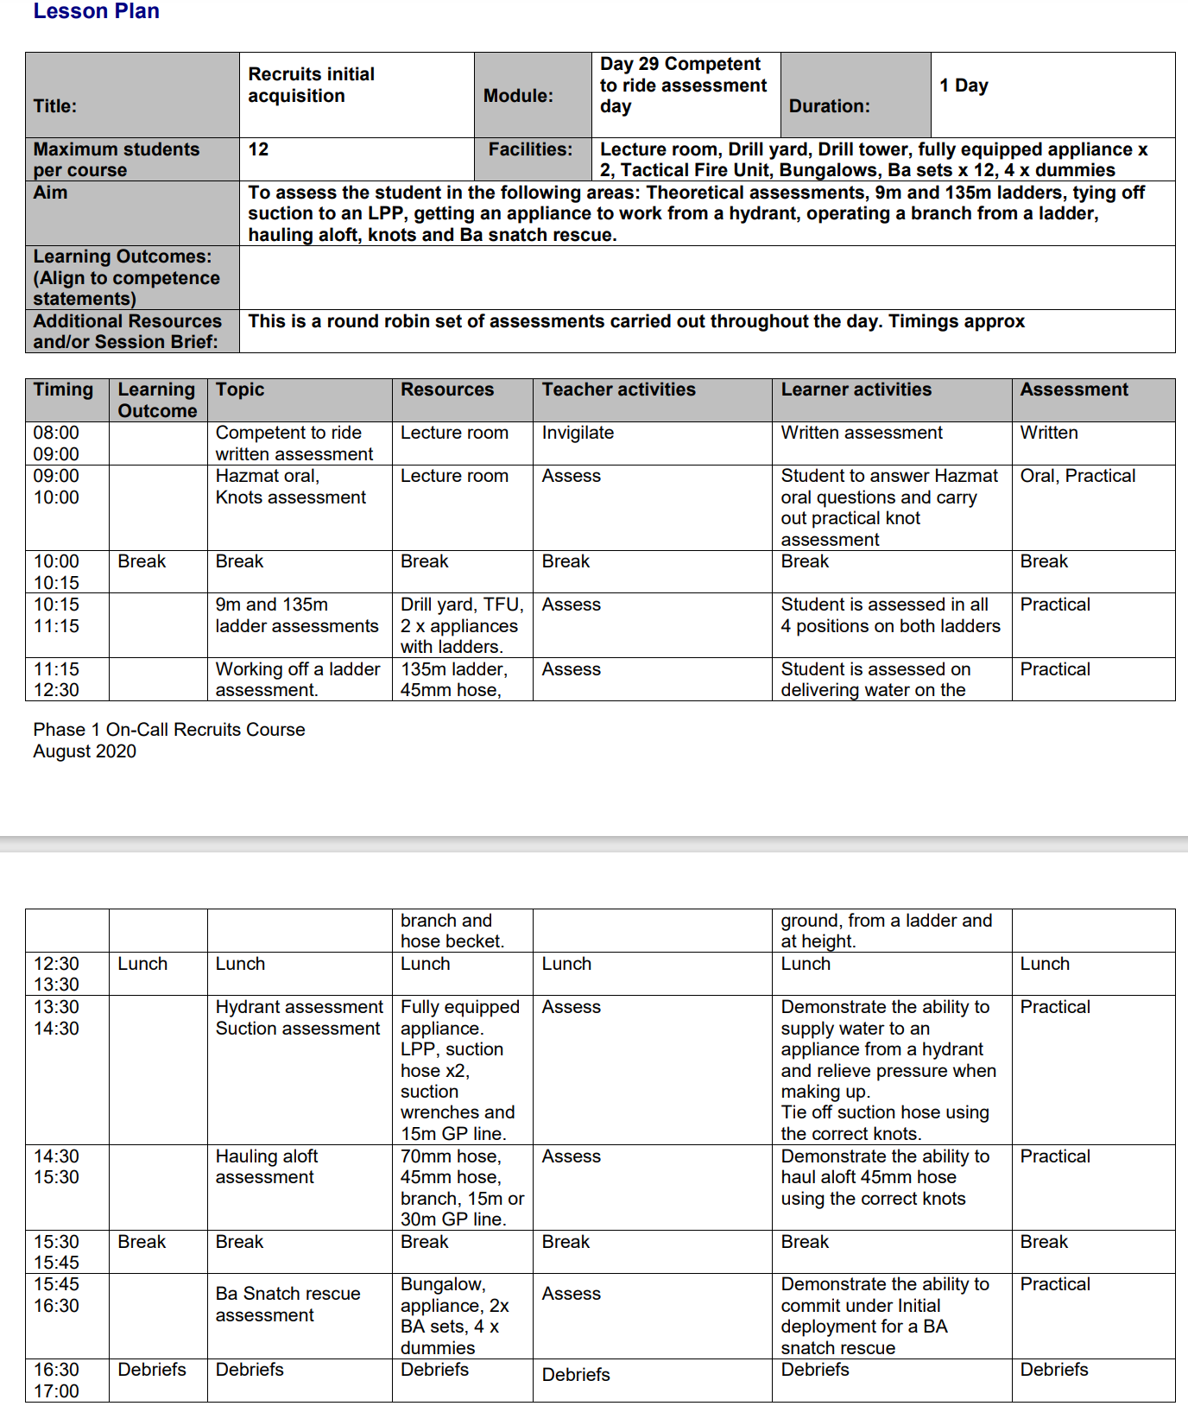

Day 39

