Lot 5 Scenario 1 Internally So
Lot 5 - Sustainability - Evaluated
Scenario 1 - Office Space Refurbishment (Internally Sourced)
Scenario 1 - Total Overall Price |  |  | £-
This Scenario is for products being remanufactured, refurbished or rennovated that currently belong to the Buyer
Pricing of Renovation shalll be a firm priced. 1. General Repair - Prices under the Schedule of Requirement shall incorporate Technical Specifications as detailed in Framework Schedule 1 General Specification; Specific Mandatory Requirements Lot 5. In summary prices are to include all labour, transport, workshop type materials such as fabric, foam, adhesive, stripper, filler, sandpaper, screws, dowels, blocks etc inserts, lacquers, paints and commercial packing.

CCS Product/Service Group Level 1 | CCS Product/Service Group Level 2 | Estimated Annual Volume | Product Description | Image | Service Requirement | Unit Cost (£) | Mark Up (£) | Total Unit Cost (Unit Cost + Mark Up) | Total Service Price (Total Unit Cost x Estimated Annual Volume) | Total Basket Price | Mark Up (%)
Seating | Task Chair Mesh Back | 100 | Fully Ergonomic Task Chair - Mesh Back -Manufacturer fabric band 2, 100,000 rubs (Martindale) -Upholstered seat / black -Mesh back with Lumbar Support – adjustable lumbar pad (100mm of travel) -Horizontal lumbar adjustment (50mm of travel) -Adjustable seat slide -Upholstered Combustion Modified High Resilience (CMHR) foam seat base -Maximum weight 23.5 stone -5 star steel base (60mm) -Adjustable arms with 180 degree pad rotation -Black frame and arms | 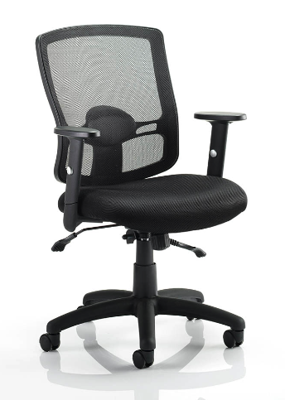 | Re-gassing |  |  | £0.00 | £0.00 | £0.00 | #DIV/0!
 |  | 150 |  |  | Re-upholstered seat and 100,000 rubs (Martindale) manufacturer fabric bands 2 |  |  | £0.00 | £0.00 |  | #DIV/0!
 |  | 75 |  |  | New foam for seat base |  |  | £0.00 | £0.00 |  | #DIV/0!
 |  | 50 |  |  | Castors replaced - brake loaded castors |  |  | £0.00 | £0.00 |  | #DIV/0!
Storage | Tambour Unit End of Desk | 50 | Tambour Unit - End of Desk Depth: 450-500mm / Height: 1800mm (max) / Width: 800 -1000mm -Powder coated steel - white standard matt finish -Side Tambour Doors with key lock -Internal components within the storage units include (but not limited to): plain shelves, combination shelves, pull-out shelves, slotted shelves, lateral rails, lateral shelves, pull-out filing frames, pull-out drawers, drawer dividers | 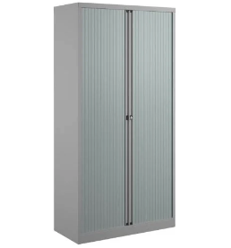 | Re-powder coating (exterior) |  |  | £0.00 | £0.00 | £0.00 | #DIV/0!
 |  | 25 |  |  | Replace locks |  |  | £0.00 | £0.00 |  | #DIV/0!
Desking | Fixed Workstation | 40 | Fixed Workstation Top Material Finish: Light Oak MFC Desking Frame: Powder coated black standard matt finish Width: 1400mm / Depth: 800mm / Height: 730mm with +10mm tolerance (700mm minimum clearance) | 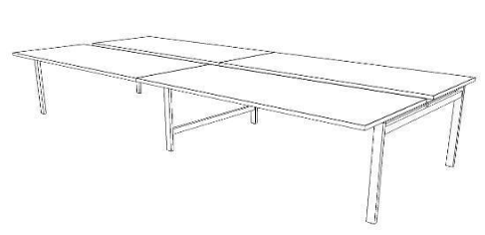 | Refinish desks in standard white and protective edge-banding |  |  | £0.00 | £0.00 | £0.00 | #DIV/0!
 |  | 40 |  |  | Re-powder coating frame to white |  |  | £0.00 | £0.00 |  | #DIV/0!
Desking | Laptop table | 20 | Laptop table Top Material Finish: HPL Base Material Finish: Metal/powder coated / Flat base H600-700mm / Width: 500mm / Depth: 400mm | 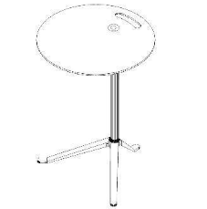 | Re-powder coating frame |  |  | £0.00 | £0.00 | £0.00 | #DIV/0!
 |  | 20 |  |  | New edging applied to table top |  |  | £0.00 | £0.00 |  | #DIV/0!
Seating | Meeting Chair (With Arms) | 20 | Meeting room chair with 5-star Steel castor base Steel Arms Fabric Details: +60,000 rubs (Martindale) manufacturer fabric bands 2 Fully upholstered seat and back with stitch detail Height adjustable seat Seat tilt tension and tilt limiter | 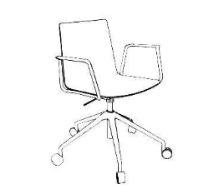 | Re-gassing |  |  | £0.00 | £0.00 | £0.00 | #DIV/0!
 |  | 20 |  |  | Re-upholstered seat and back in +60,000 rubs (Martindale) manufacturer fabric bands 2 with stitch detail |  |  | £0.00 | £0.00 |  | #DIV/0!
 |  | 20 |  |  | Castors replaced - brake loaded castors |  |  | £0.00 | £0.00 |  | #DIV/0!
Desking | Meeting Table | 20 | Meeting table Top Material/ Finish: MFC Light Oak Base Material/ Finish: Legs – metal powder-coated matt black W3000 X D1000X H730- 740 | 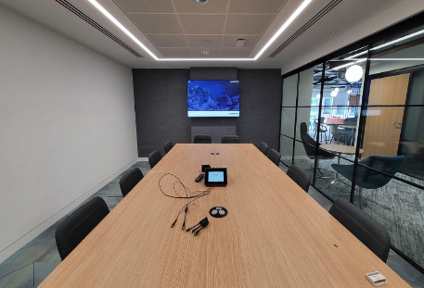 | Refinish desks in standard dark grey |  |  | £0.00 | £0.00 | £0.00 | #DIV/0!
 |  | 20 |  |  | Re-powder coating frame |  |  | £0.00 | £0.00 |  | #DIV/0!
Seating | Soft Seating Sofa | 5 | Soft Seating - Sofa Waiting area upholstered soft seating grouping with integral arms Fabric Details: Manufacturer fabric band 2 3 seat: W2510 x D800 x H640 SH440 -Back support will be provided at a height of at least 300mm from seat level -Seat foam to be converted polyurethane or manufactured nearest equivalent -Power | 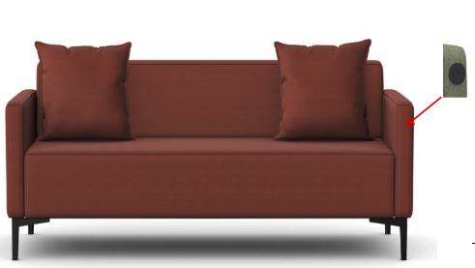 | Re-upholstered in manufacturer fabric bands 2 |  |  | £0.00 | £0.00 | £0.00 | #DIV/0!
Seating | Informal Meeting Chair with Arms | 30 | Informal Meeting Chair (With Arms) Fabric Details: Upholstered Seat manufacturer specific bands 3 Seat Height: 380mm Steel legs |  | Re-upholstered in manufacturer fabric bands 3 |  |  | £0.00 | £0.00 | £0.00 | #DIV/0!
Desking | Circular Café Table | 15 | Circular Café Bistro Table Top Material/Finish: Light Grey MFC Base Material Finish: 4 star base black powder coated with silicon glides -Protective edge-banding | 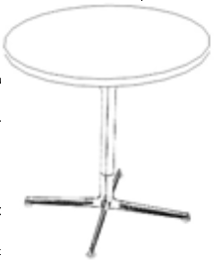 | Refinish tables in standard white |  |  | £0.00 | £0.00 | £0.00 | #DIV/0!

