Lot 2
Appendix E - Pricing Matrix

SO-17143 Provision of Secure IT Disposals - LOT 2 DISPOSAL OF 26 SERVERS AT THE AUTHORITY'S SITE AT SOUTHPORT

Please note:
Prices must exclude VAT.
Prices must remain valid for 90 days after the deadline for return of bids.
Any prices not included within this Appendix E will be deemed to have been waived.

AS INDICATED IN THE TENDER DOCUMENTS, THE AUTHORITY IS PRIMARLY INTERESTED IN A NIL COST DISPOSAL OPTION FOR THIS LOT 2
THE AUTHORITY THEREFORE ONLY EXPECTS TO RECEIVE A COMPLETED PRICING MATRIX FROM POTENTIAL PROVIDERS
WHO HAVE INDICATED THEY CAN'T PROVIDE A NIL COST OPTION AND PROVIDED THEIR REASONS FOR NOT BEING
ABLE TO DO, AS PART OF THEIR TENDER RESPONSE.

Please provide prices for the items indicated in Appendix B - Statement of Requirements, Lot 2. These being:
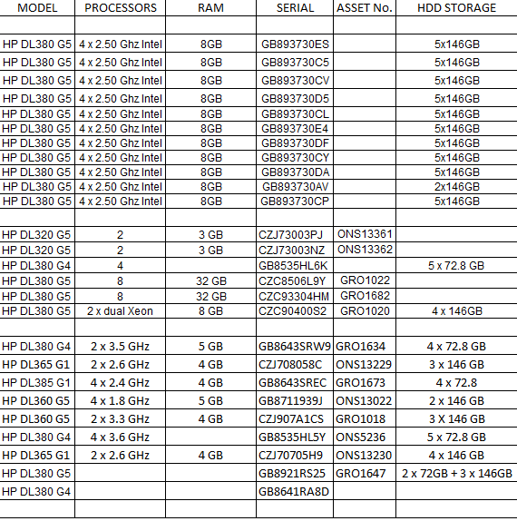
 | Price

GRAND TOTAL FOR EVALUATION - TOTAL OF ALL PRICES ABOVE | £0.00

