Cover
 | SPECIFICATION & PRICING DOCUMENT

 | REFURBISHMENT OF COTTAGE

 | OLD FOLD FARM, CARLTON ( nr HEMSLEY)

 | for

 | THE FORESTRY COMMISSION

 | 30th October 2016

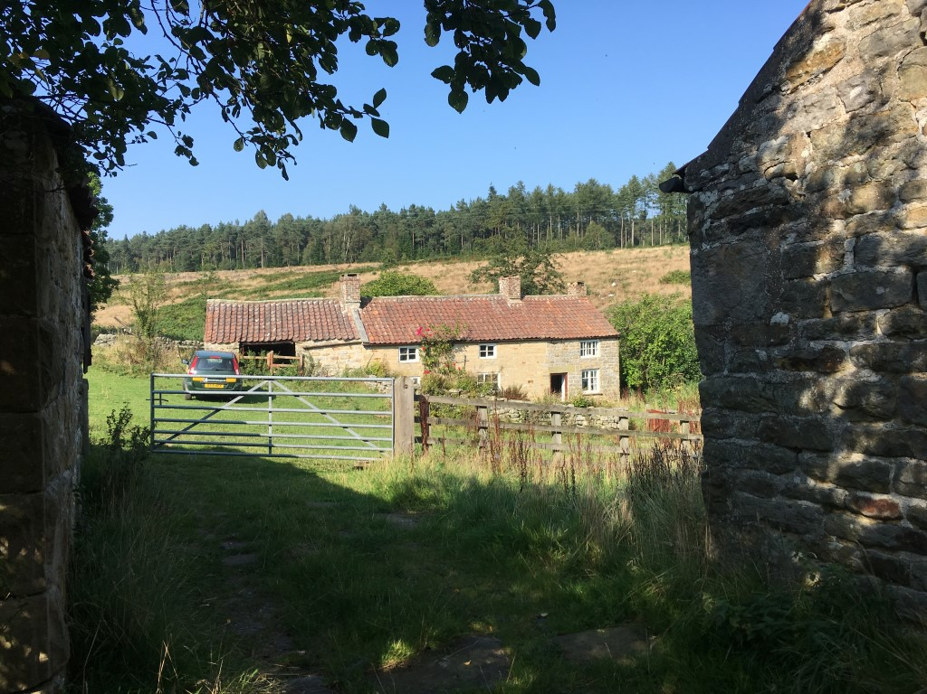

Ref: 16518 Old Fold Farm Carlton Schedule of Works.xlsx

