Supply and install by 1 April
SCHEDULE OF RATES |  |  |  |  |  | Cost (£) |  |  |  | Installation
S/No. | Restriction Type | Ref | Sign face 1 | Sign face 2 | Estimated Quantity Required | Total cost Quantity (x1) | Total Cost Quantity (x10) | Total Cost Quantity (x25) | Total Cost Quantity (x50) | Cost Mount to Existing Post (£) | Unit Cost Provision of Post (£) | Unit Cost Installation of Post (£) | Total Cost Additional x 50 Installation of Post (£) | Total cost
1 | Payment Parking | TSRGD Sign 661.2A | 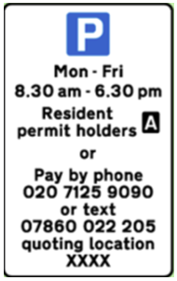 | 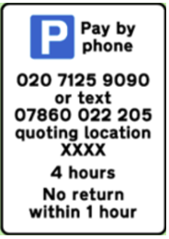 | 120 | £0.00 | £0.00 | £0.00 | £0.00 | £0.00 | £0.00 | £0.00 | £0.00 | £0.00
2 | Parking tariff plate (on-street) - 130mmx450mm | N/A |  |  | 150 | £0.00 | £0.00 | £0.00 | £0.00 | £0.00 | £0.00 | £0.00 | £0.00 | £0.00
3 | Parking tariff plate (car park) - 200mmx500mm | N/A | 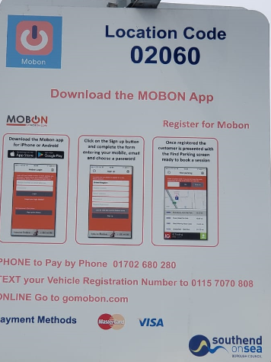 |  | 160 | £0.00 | £0.00 | £0.00 | £0.00 | £0.00 | £0.00 | £0.00 | £0.00 | £0.00
4 | Car Park tariff board – (middle panel highlighted in red) – 300mm x 1200mm | N/A |  |  | 50 | £0.00 | £0.00 | £0.00 | £0.00 | £0.00 | £0.00 | £0.00 | £0.00 | £0.00
5 | Universal Fixing Clips for Post | N/A |  |  | 100 | £0.00 | £0.00 | £0.00 | £0.00 | £0.00 | £0.00 | £0.00 | £0.00 | £0.00
6 | 3 meters PVC coated posts | N/A |  |  | 1 | £0.00 | £0.00 | £0.00 | £0.00 | £0.00 | £0.00 | £0.00 | £0.00 | £0.00
7 | 5 meters PVC coated posts | N/A |  |  | 1 | £0.00 | £0.00 | £0.00 | £0.00 | £0.00 | £0.00 | £0.00 | £0.00 | £0.00
 | Total overall cost (sumarising all prices from column O) |  |  |  |  |  |  |  |  |  |  |  |  | £0.00

