Lots 1-5 Worked Example
1. PCL manufactures 10 passenger vehicle derivatives that would fall within the scope of Lot 1. In order to meet the Framework Specification (paragraph 1.10) they must offer their full range to Framework Buyers. It is understood that the vehicle derivatives offered are subject to change and may not be the same at Framework launch.
Your Organisation's Name: | Passenger Cars Liverpool Ltd

You are required to submit your average "Framework Support Rate Discount (%)" against MRP up to two (2) decimal places, in the cells shaded in yellow below, for each Lot in which you are submitting a bid.
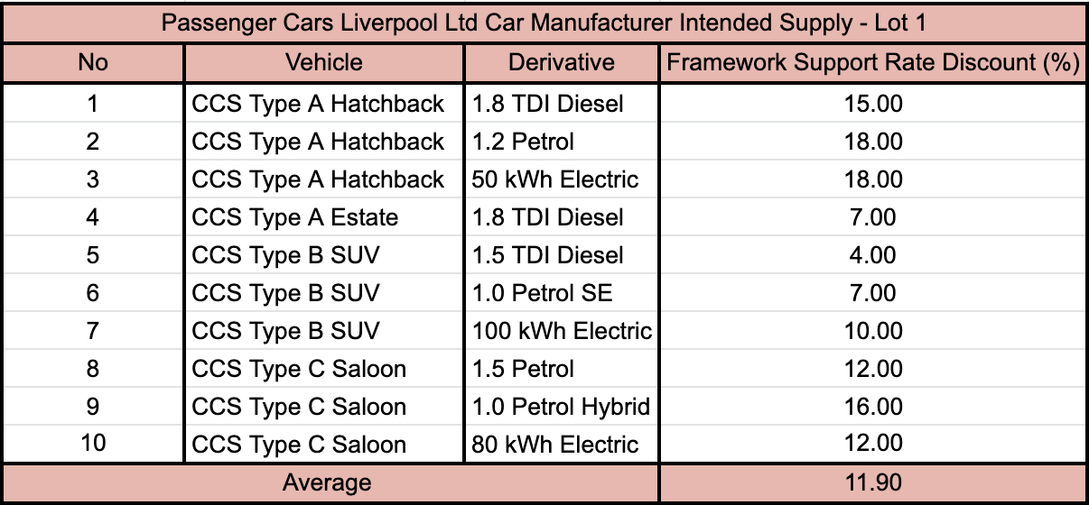
Lot Number | Lot Description | Average Framework Support Rate Discount (%) against MRP offered
Lot 1 | Purchase of Passenger Cars (including 4x4 variants) | 11.90%
Lot 2 | Purchase of Light and Medium Commercial Vehicles up to 7.5T | N/A
Lot 3 | Purchase of Medium to Heavy Commercial Vehicles including Chassis and Cabs | N/A
Lot 4 | Bluelight cars and motorcycles (Emergency Services) | N/A
Lot 5 | Bluelight Light and Medium Commercial Vehicles up to 7.5T (Emergency Services) | N/A

2. In order to work out their Average "Framework Support Rate Discount (%) against MRP" for Lot 1, PCL lists all their vehicle derivatives that fall under the Scope of Lot 1 and the Framework Support Rate that they forecast will be offered to Framework Buyers when the Framework is launched. The "Average Framework Support Rate Discount against MRP" is the average discount across all 10 vehicle derivatives. The background table/calculation to work out the discount is not required to be submitted as part of the tender.
It is understood that Framework Support Rates are subject to change and may not be the same at Framework launch.
3. PCL needs to enter the average value into cell G6.

4. PCL does not have any vehicles that they wish to offer in Lots 2 - 5. They enter Not Applicable (“N/A”) for these lots. Please repeat this process if applying for multiple Lots.

Lots 6-9 Worked Example
1. Inverness Minibuses Ltd manufactures 4 minibus vehicle derivatives that would fall within the scope of Lot 7. In order to meet the Framework Specification (paragraph 1.10) they must offer their full range to Framework Buyers. It is understood that the vehicle derivatives offered are subject to change and may not be the same at Framework launch.
Your Organisation's Name: | Inverness Minibuses Ltd

You are required to submit your average discount (%) against the price for each finished vehicle up to two (2) decimal places, in the cells shaded in yellow below, for each lot in which they are submitting a bid.

Lot Number | Lot Description | Average discount (%) against the price for each finished vehicle
Lot 6 | Purchase and Conversion of Refuse Collection and other Waste Management Vehicles | N/A
Lot 7 | Purchase and Conversion of Minibuses (up to 17 Seats) (including accessible and patient transport) | 16.00%
Lot 8 | Purchase and Conversion of Buses & Coaches (over 17 Seats) | N/A
Lot 9 | Purchase and Conversion of Trailers & Mobile Units (including health screening, events, mobile office units) | N/A

2. In order to work out their average discount (%) against the price for each finished vehicle for Lot 7, Inverness Minibuses Ltd lists all their vehicle derivatives that fall under the Scope of Lot 7 and the discount that they forecast will be offered to Framework Buyers when the Framework is launched. The average discount (%) against the price for each finished vehicle is the average discount across all 4 vehicle derivatives. The background table/calculation to work out the discount is not required to be submitted as part of the tender.
It is understood that the average discount (%) against the price for each finished vehicle is subject to change and may not be the same at Framework launch.
3. Inverness Minibuses Ltd needs to enter the average value into cell G7.

4. Inverness Minibuses Ltd does not have any vehicles that they wish to offer in Lots 6,8 & 9. They enter Not Applicable (“N/A”) for these lots. Please repeat this process if applying for multiple Lots.

