Example Notice
Please complete the price matrix below to provide pricing for the example notice provided.
Prices should be firm for the two years of the contract, inclusive of all expenses and exclusive of VAT

Service | Cost
Providing a list of publications | £0.00
Formatting the notice for the London Gazette | £0.00
Placing notice for 2 weeks in the London Gazette | £0.00
Levy for placing notice in the London Gazette for 2 weeks | £0.00
Formatting for 1 other publication | £0.00
Total | £0.00
Levy for placing notice in the London Gazette (%)
Levy for placing the notice in other publications (%)

Example Notice
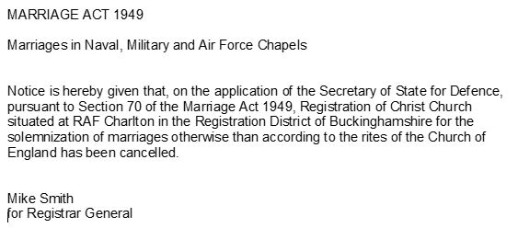

NB. - The price element of the evaluation will be based 50% on the rate card and 50% on the Example Notice

