Introduction
Social Value Baseline Expectations Calculator
Introduction
North Star regularly tenders for new suppliers of goods and services. As part of this process the successful bidders are asked to make commitments to maximise the social value of their contracts by contributing time, money, expertise or a combination of these to North Star’s Community Investment Strategy.
This tool has been designed to quickly and easily show bidders what the North Star's Social Value expectataions are for the contract they are bidding for and how they can fulfil them.
Instructions
Boxes which require a response have been highighted in yellow.
1. On the "Calculator" tab, enter the bidding organisation's name in the first yellow box and the contract value/your proprosed price into the second yellow box headed "Contract Value".
This will populate the three boxes below with your baseline expectation value, value of donations and work in-kind and other social value activities. It will also show the percentage of contract value/price that the values below have been calculated on to right of the contract value box. Please also complete the main contact details section. This should be the person North Star can contact to discuss delivery and progress towards your social commitments.
Please also add the name of the person who will act as the main contact for social value work.
2. On the HACT values tab you can now enter the number of each Social Value element you are prpeared to commit to as well as the value of doantions or in-kind work into the yellow boxes.
The box in the bottom right hand will turn green when you have met the baseline expectation.

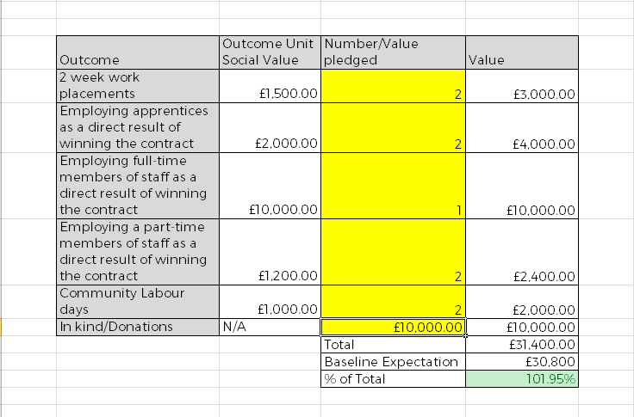

Calculator
Social Value Baseline
Expectations Calculator

Bidder Name

Contract Value | Baseline Expectation (%)
 | #N/A

Baseline expectation | #N/A
Donations/Work in-kind | £0
Other social value | #N/A

Main contact for Social Value
Name
Position
Telephone number
Email

