2. ID & Sub-Lot selection
Lot 1 - P23

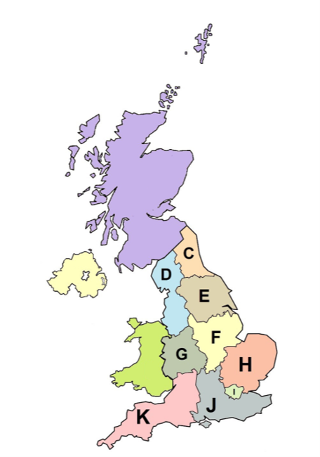
Healthcare Solution Provider (<£20M)

a) Company Name:

b) Selection of Regional Sub-Lots
Which Regional Sub-Lot(s) do you wish to submit a bid for?
Select "Y" or "N" in the green boxes below.

Regional Sub-Lot (ref UK NUTS Codes) | Sub-Lot 1.1 North East (including Yorkshire & Humber) (UKC & UKE) | Sub-Lot 1.2 North West (UKD) | Sub-Lot 1.3 Midlands (East & West) (UKF & UKG) | Sub-Lot 1.4 East of England (UKH) | Sub-Lot 1.5 London (UKI) | Sub-Lot 1.6 South East (UKJ) | Sub-Lot 1.7 South West (UKK)
Do you wish to bid? Y/N?
 | Do not leave any cells blank – you must select “Y” or “N”
 | Please enter either Y or N in all of the green boxes above before continuing.

 |  |  |  |  |  |  |  | source: Dr Greg and Nilfanion. Contains Ordnance Survey data © Crown copyright and database right 2011

