Run-out Footwear
 |  |  |  |  | Garment Description
DVSA Item Reference Number | Your item reference number | Garment Description | Colour | Size Range | Long Description | Your Item Full description
Footwear 1 | FW1 | Unisex Redwood Safety Boot | Black | 3 - 13 | EN ISO 20345: 2011 S3 SRC Comfort collar Anti-static Shock absorbing dual density polyurethane sole Water resistant leather Steel toe cap and midsole | 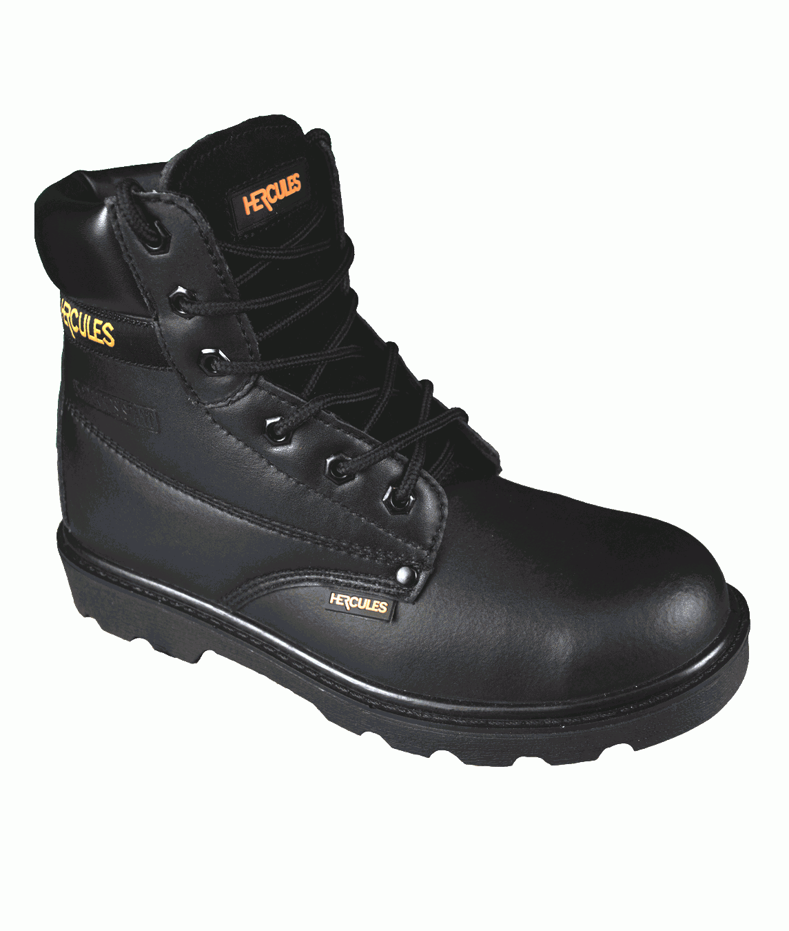
Footwear 2 | FW2 FW103 | Unisex Wide-Fit Safety Shoe | Black | 3 - 13 | EN ISO 20345: 2011 S3 SRC Comfort collar Anti-static Water resistant leather upper Shock absorbing dual density polyurethane sole Steel toe cap and midsole | 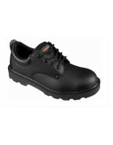
Footwear 4 | FW5 | Unisex Gibson Shoe | Black | 3 – 13 | EN ISO 20345:2011 S3 SRC 100% Non-Metallic, with protective toecap and midsole, Austin is lightweight and developed with premium materials including an Activ-Step® shock absorbing dual density PU outsole and Activ-Step® PU anti-fatigue Comfort footbed. | 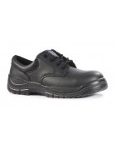
Footwear 5 | FW8 FW102 | Mens Leather Safety Brogue Composite | Black | 6-13 | Smart and safe Gibson brogue safety shoe ideal for uniform use. Cow action smooth leather upper with padded ankle collar and traditional brogue wing tip pattern. Lace up front with four perforated eyelets. 200 Joule impact and compression resistant steel toe cap. A composite midsole provides underfoot protection whilst allowing the foot to flex comfortably. Antistatic construction ideal for shop floor or front of floor surfaces where static can build up. Slip resistant single density PU outsole helps prevent injuries from slips or trips. An energy absorbing heel provides all day comfort to minimise fatigue. Meets European EN ISO 20345:2011 S1P safety footwear standards. | 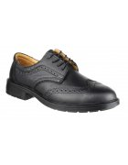
Footwear 6 | FW19 | Black Laces | Black | 100cm | Black Laces – 100cm | 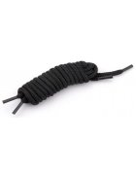
Footwear 7 | FW20 FE104 | Doc Marten-Style Shoe | Black | 3 – 12 | Black Smooth Leather Uniform Safety Shoe Safety Toe Cap Padded Collar Air Cushion PVC Sole EN ISO 20345: SB FO SRA | 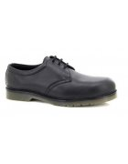
Footwear 8 | FW24 FW105 | Combat-Style Boot With Side Zip | Black | 4 – 14 | Hi-leg safety boot with steel toe cap and midsole protection. High grade water-resistant action leather and mesh upper and dual density PU sole. Moisture wicking breathable mesh lining. Secure fitting lace-up front with quick access side zip. Superb traction passing SRC slip resistance tests. Energy absorbing heel and antistatic protection. EN ISO20345:2011 S3 SRC | 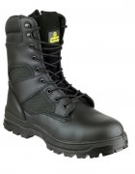
Footwear 9 | FW25 | Stitch-Top Shoe | Black | 5 – 14 | Smart and safe apron-toe Gibson ideal for industrial office use. Formal mono-black lace up style with three subtle perforated eyelets. Steel toe cap protection to 200 joules impact. Single density PU outsole with flexible protective composite midsole allowing feet to move naturally whilst providing underfoot protection. Antistatic construction ideal for shop floor or front of house floor surfaces where static can build up. An energy absorbing heel provides all day comfort to minimise fatigue. EN ISO 20345:2011 S1P SRC | 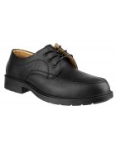
Footwear 10 | FW26 FW106 | Waterproof Rigger Boot | Black | 3 – 13 | CE certified Protective steel toecap Steel midsole Anti-static footwear Energy Absorbing Seat Region 100% Waterproof keeping feet warm and dry SRC - Slip resistant outsole to prevent slips and trips on ceramic and steel surfaces Fuel and oil resistant outsole Cold insulation Protective steel toecap Puncture resistant steel midsole EN ISO 20345:2011 S5 SRC EN 13832-2:2006 | 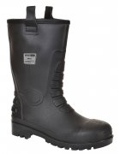
Footwear 11 | FW27 FW114 | Hiker-Style Safety Boot | Black | 4 – 13 | Lightweight safety boots for vegans or vegetarians. Uses a non-leather upper man-made from microfiber, synthetic PU and breathable mesh. Fully protective using an impact compression resistant steel toe cap and underfoot protection is provided through a penetration resistant steel midsole. Padded collar and tongue for extra support and comfort. Lightweight and flexible PU outsole. EN ISO 20345:2011 SBP SRC | 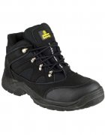
Footwear 12 | FW32 | Magnum Precision Safey Boot | Black | 3 – 13 | Upper: Full grain leather and coated leather, S3 water resistant treatment. Lining: Polyamide Mesh. Insole: Removable preformed - Polyamide on EVA. Outsole: Glued - Rubber Nitrile. Non metallic footwear. EN ISO 20345:2011 S3 SRC | 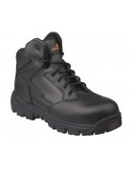
Footwear 14 | FW34 FW110 | Ladies Topaz Slip-On Shoe | Black | 2 – 8 | Protective steel toecap and composite anti-penetration flexi-midsole Full grain black leather Dual density PU outsole Specialist ladies fitting Fully safety compliant and will protect against light showers EN ISO 20345:2011 S3 SRC | 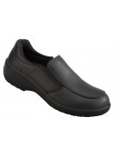
Footwear 15 | FW9 FW112 | Ladies Gibson lace-up Shoe | Black | 3 – 8 | Steel toe cap Protective steel midsole Leather upper with padded collar Double density PU shock absorbent sole Fully moulded and removable insole EN20345 SB-P SRC | 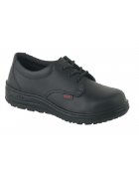
Footwear 16 | FW16 FW107 | Ladies Safety Trainer | Black | 3 - 8 | Exclusively designed by diversity champion, Sophie Lydia Smith. Formal black leather upper with vertical stripe overlays and optional black / pink lacing. Includes steel toe cap and midsole protection. Rubber Sole. Versatile shoe applicable to building surveying management, construction management, stock management, warehouse and a range of distributing industries. EN ISO 20345:2011 S1P SRC | 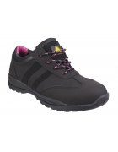
Footwear 17 | FW12 FW113 | Safety Wellington Boot | Black | 3 - 12 | Protective steel toecap and stainless steel anti-penetration midsole Soft PVC with mesh to PVC laminate Fully waterproof Designed with added ankle support Mud resistant outsole EN ISO 20345:2011 S5 SRC | 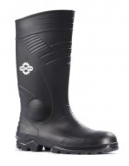
Footwear 18 | FW100 | D.E. Safety Chukka Boot |  |  | Black buffalo grain leather chukka boot. Padded collar for added comfort. Steel toe cap and steel midsole protection. Dual density polyurethane outsole. Anti-static. EN ISO 20345:2011 S1P SRA
Footwear 19 | FW101 | D.E. Waterproof Safety Boot |  |  | Black full grain leather waterproof safety hiker. Padded collar and tongue for added comfort. Steel toe cap and steel midsole protection. Waterproof and breathable inner lining. Dual density polyurethane outsole. Anti-static. A good all round waterproof safety boot for a wide range of outdoor applications. EN ISO 20345:2011 S3 WR SRC
Footwear 20 | STEITZ | Bespoke safety boot/shoe | Black | 3 – 14 | Bespoke. Safety boot, black, should conform to the EN345 standard (preferably S3 Category) and provide protection in the toe area. The boots should be available in both high and low leg and breathable and waterproof. The boots should be available in different width sizes - Narrow, Regular, Wide, Extra Wide. The boots should have a bespoke service i.e. moulds that can be taken of the foot so that a bespoke boot can be made in accordance with the wearers needs. The boots should provide a shock absorption system.
Footwear 21 | NGF35 | Air Cushioned Safety Shoe | Black | 06 – 12 | Classically styled cemented safety shoe with special air cushioned outsole for energy absorption and slip resistance. CE certified Protective steel toecap Energy Absorbing Seat Region Fuel and oil resistant outsole Upper: Buffalo Leather Sole: PVC/ Rubber Standards EN ISO 20345 SB SRA | 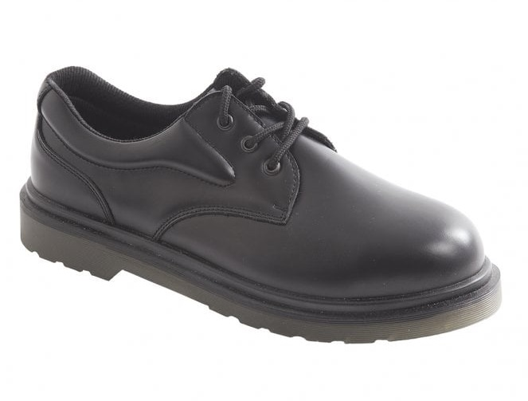
Footwear 22 | NGF36 | Mesh Comp Safety Trainer | Black | 2 – 13 | Flexible & lightweight fully non-metal safety trainer made with breathable mesh & microfibre upper, Light weight with composite toe and composite midsole and rubber outsole Oil resistant sole Conforms to EN ISO 20345:2011 S1P SRC | 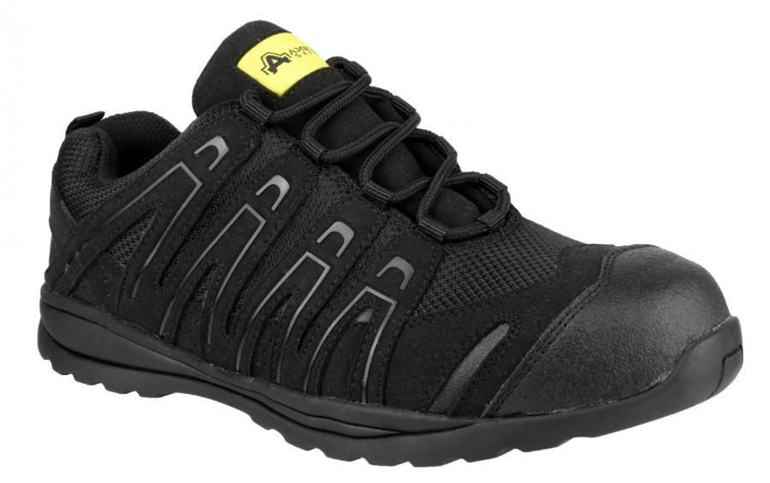
Footwear 23 | NGF37 | Composite Leather Free Safety Trainer – Baton | Black | 4 – 13 | Electrostatic dissipative (ESD) metal-free lightweight Softshell safety trainer with 200J composite safety toe and underfoot midsole protection. Hardwearing rubber outsole with sporty, cushioning EVA midsole. This is a Vegan-friendly safety trainer. Electrostatic dissipative (ESD) safety trainer with lightweight and breathable Soft Shell combined TPU upper Metal free safety trainer with 200J composite safety toe cap Anti-penetration composite midsole - min. 1100N for underfoot protection Non-metallic components Embossed TPU toe for extra durability Comfortable, removable PU foam footbed and moisture-wicking mesh lining Antistatic construction Hardwearing rubber outsole with sporty, cushioning EVA midsole This is a non-leather product that is suitable for the wear by vegetarians and vegans EN ISO 20345:2011 S1P ESD SRC | 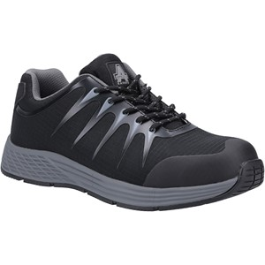
Footwear 24 |  | Composite Hartford Boot | Black | 3-15 | 100% non-metallic, with protective toecap and midsole, Hartford is lightweight and developed with premium materials including a shock absorbing dual density PU outsole. EN ISO 20345:2011 S3 SRC | 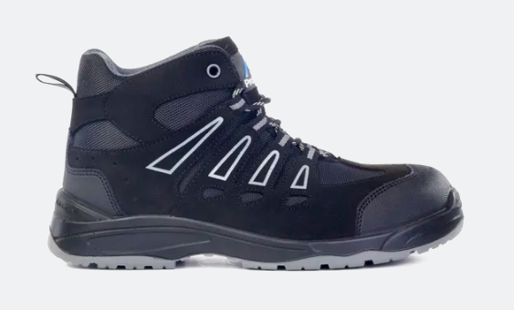
Footwear 25 |  | Bridgeport Safety Trainers | Black | 3-15 | The PM4040 Bridgeport is a wide fitting lightweight all-purpose safety trainer. It has a 100% non metallic construction and features a roomy, fibreglass toecap and composite midsole which allows the foot the flex and move freely. Bridgeport is widely specified on contracts due to the vast, UK 3-15 size range and uniform styling enabling it to be ‘the one for everyone’. The outsole complex is a dual density PU outsole which gives abrasion resistance whilst providing exceptional shock absorption and weight reduction. All day comfort comes from a lightweight EVA comfort footbed. EN ISO 20345:2011 S3 SRC | 