Instructions
 | 6: Quality Response Template - Response Instructions (for information only)

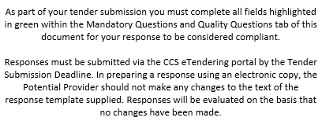

6.1 | With reference to the Statement of Requirement document and other information in this Further Competition Invitation please complete and submit as part of the response using the response template document as enclosed:
6.2 | The Potential Provider should cross reference any other documents included in this Invitation to Participate to the applicable section in the Quality Response document so that the evaluation team can identify the Potential Provider’s full response to each requirement. To facilitate evaluation, please keep additional documentation to a minimum and enter as much information as possible into the response section.
6.3 | Potential Providers should ensure that each question is answered fully in the response section; statements given in other areas of the document that could support another question will not be considered unless it has been clearly cross referenced.
6.4 | The Potential Provider is advised to read this Further Competition Invitation and the full Statement of Requirement to aid their understanding of all our requirements before providing their answers in the response section. Some of the context and information, which relates to questions, may be further explained in the other parts of this invitation pack.
6.5 | All responses must be submitted in the English (UK) language.

