Door schedule
The following door schedule is intended to enable door manufacturers to provide costings.
It must be noted the sizes given are approximate and represent internal door opening sizes only i.e. they include any fanlight or sidelights. X door types indicate a standard choice door in a non standard frame. All front doors to include one letter box, additional letter boxes are noted as an extra. All standard front doors to include numbers, security chain, viewer, door knocker.
This section should be read in conjunction Door type Photographs provided below and External Door Address list TAB
Schedule
Door types
Item |  |  |  | no | Unit cost | Total cost | Notes
1 | SB | 2067 x 930mm Standard back door set complete as per North Star choice sheet. |  | 30 | £- | £- | See attached address List
2 | SF | 2067x930mm Standard front door set complete as per North Star choice sheet. |  | 49 | £- | £- | See attached address List
3 | X1 | 2500 x 1500mm Standard front door with fanlight and two sidelights- see photo |  | 1 | £- | £- | For pricing purposes only. This will be a common door type in the lifetime of the contract.
4 | X1A | 2500 x 1200mm Standard front door with fanlight and one sidelight |  | 1 | £- | £- | For pricing purposes only. This will be a common door type in the lifetime of the contract.
5 | X2 | 2067 x 930mm Standard front door with frame built into existing timber panelling- see photo |  | 1 | £- | £- | For pricing purposes only. This will be a common door type in the lifetime of the contract.
6 | X3 | 2500 x 930 Standard front door with arched fanlight- see photo |  | 2 | £- | £- | For pricing purposes only. This will be a common door type in the lifetime of the contract.
7 | SPD | Sliding patio door 1800mm x 2100mm |  | 5 | £- | £- | For pricing purposes only. This will be a common door type in the lifetime of the contract.
8 | FD | French door 1800mm x 2100mm |  | 3 | £- | £- | See attached address List
 |  | Variations
9 | X4 | 2500 x 930 Standard front door with rectangular fanlight- see photo |  | 1 | £- | £- | For pricing purposes only. This will be a common door type in the lifetime of the contract.
10 | V1 | Extra over cost for additional letter box |  | 1 | £- | £- | For pricing purposes only. This will be a common variation on Flats throughout the lifetime of the contract
11 | V2 | Extra over cost for engagement of local electricity body to temporarily move and replace existing incoming mains cable to allow removal of existing door frame and fitting of new.Where required. |  | 1 | £- | £- | For pricing purposes only, this will be a common variation on pre 1919 terraced properties.
12 | V3 | Extra over for the removal and refitting of existing electronic access system, keep or lock. Check original is functioning. |  | 1 | £- | £- | For pricing purposes only. This will be a common variation on Flats throughout the lifetime of the contract
13 | V4 | Extra over for the removal and refitting of existing door bell. Check original is functioning |  | 1 | £- | £- | For pricing purposes only, this will be a common variation throughout the lifetime of the contract
14 | V4 | Extra over for the fitting of an internal door stop to prevent new door handle hitting wall if necessary. |  | 1 | £- | £- | For pricing purposes only, this will be a common variation throughout the lifetime of the contract
15 | V4 | Extra over for removal and refitting of burglar alarm cables and contacts and refitting, test for functionality before and after installation. |  | 1 | £- | £- | For pricing purposes only, this will be a common variation throughout the lifetime of the contract
 |  |  | Total |  |  | £- | To collection

 | Style X1 (X1A with one sidelight) |  |  | Style X2 (Frame within external panelling)

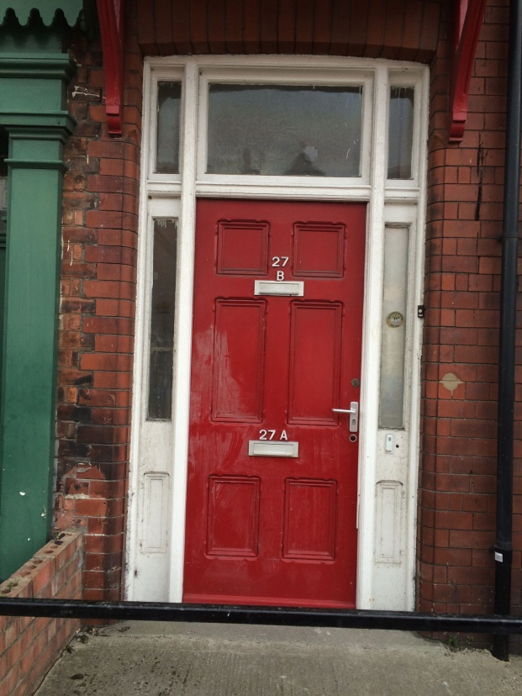
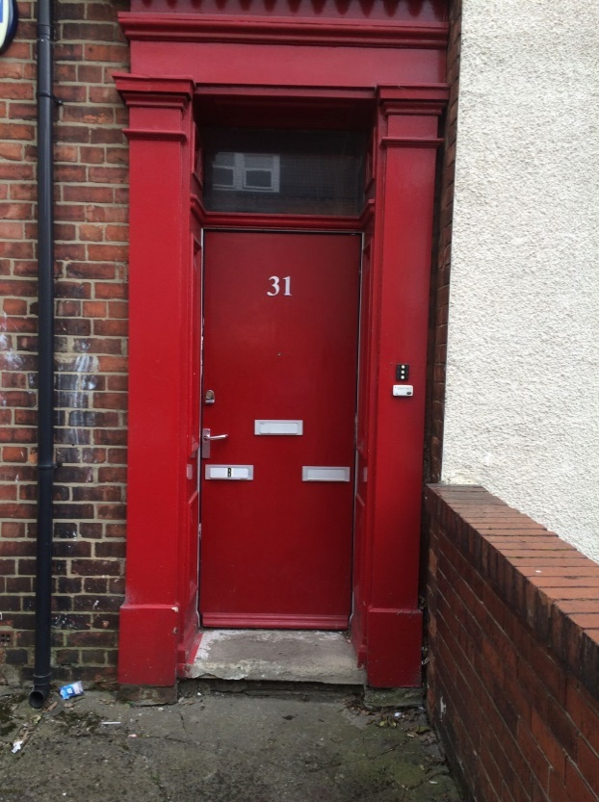

 | Style X3 (Arched fanlight) |  |  | Style X4 (rectangular fanlight)

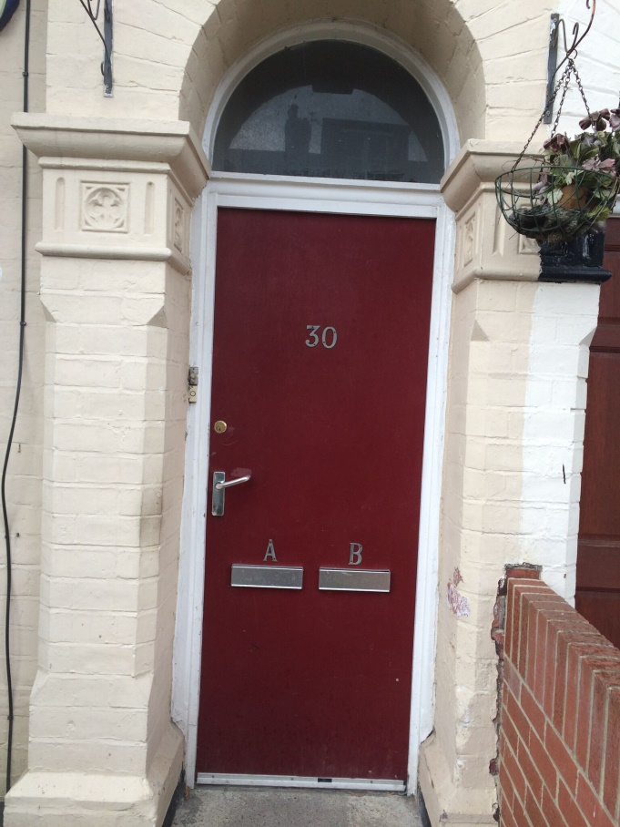
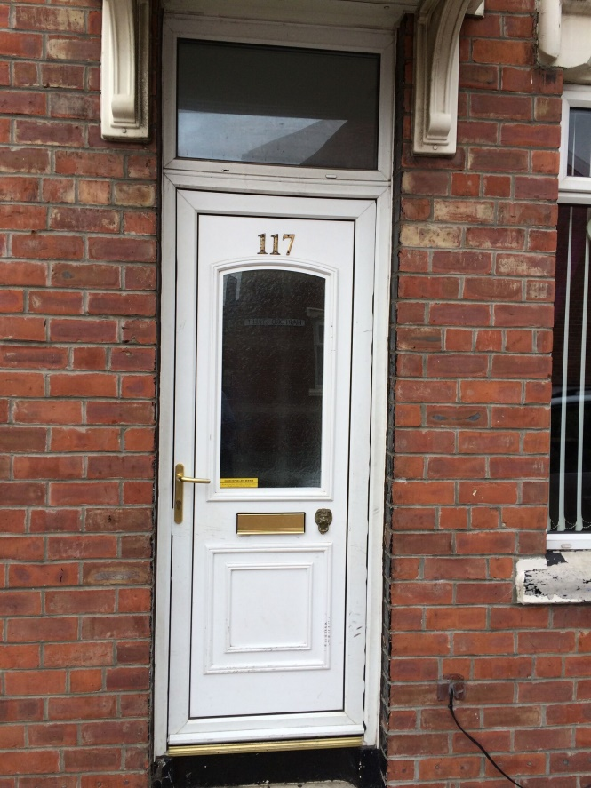

 | X7 (Frame with larger sidelights)

