2. ID
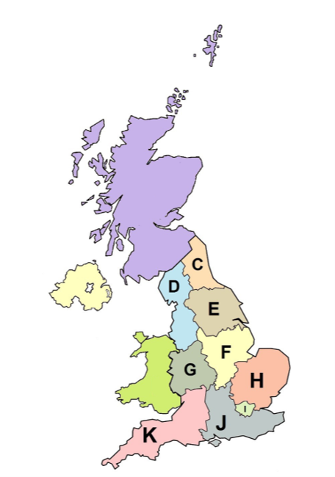
Lot 2 - P23

Healthcare Solution Provider (£20m to £70m)

a) Company Name:

Note: this Lot applies to all England regions: NUTS codes UKC - UKK

 | source: Dr Greg and Nilfanion. Contains Ordnance Survey data © Crown copyright and database right 2011

