Existing CMC Configuration
Existing CMC Configuration

Both SutMbi01 and SutMbi02 are physical servers located in the Sutton data centre.

There is no current disaster recovery plan in place. The ETL databases are backed up on a nightly basis using SQL Server backups.

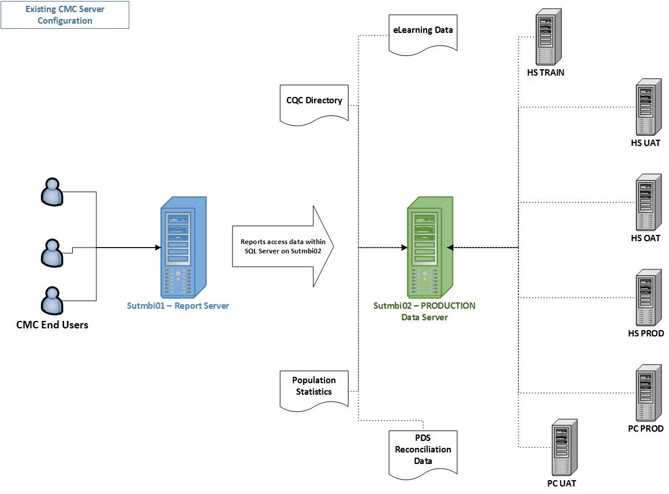

Proposed PROD DEV TEST Config
Proposed CMC Configuration

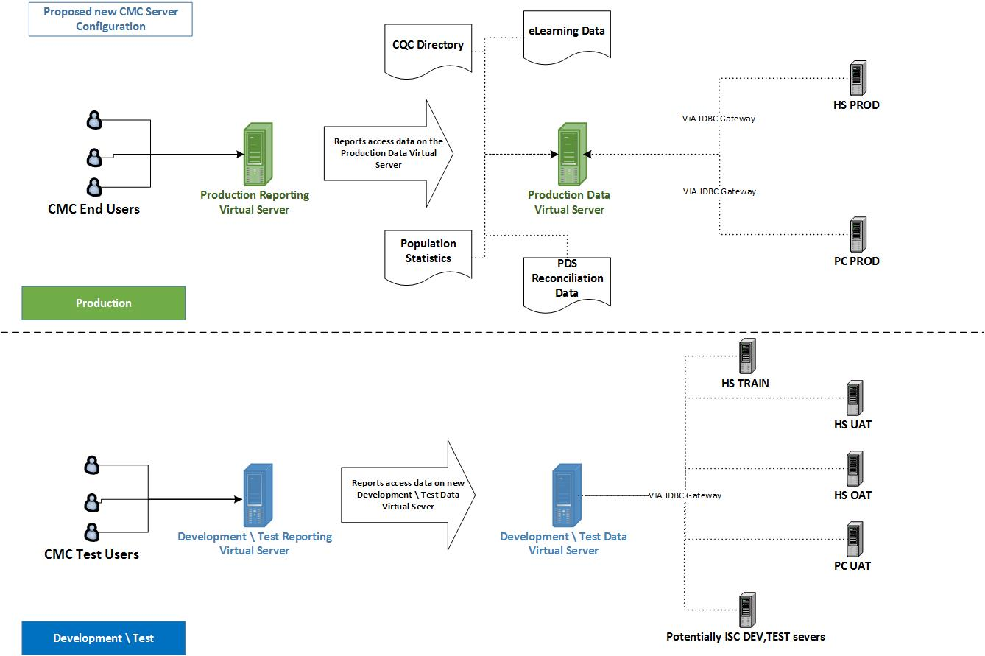

High Availability Overview
Outages illustrated below.

