Sheet1
IMAGES | Add if the information needs updating to an exisiting conservation report e.g. treatment proposal | To be filled in by NAM |  |  |  |  |  |  | Describe condiditon prior to tratment including any watch areas for the future. | Describe the treatment proposed to the object fully.
 | Conservation report | System ID No. |  | Reason | Accession no. |  |  |  | Condition assessment and recommendations
 | Report ID | Object | Description | Reason for Work | Year | Month | No. | Book Accession No. | Condition | Treatment_Recommendations | Estimated time min | Estimated time Max | Examined_by | Date | Estimated cost (lower) | Estimated cost (higher) | Materials
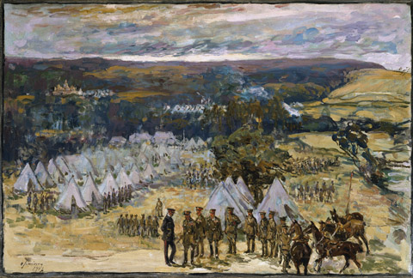 |  | 149 | Field Marshal Lord Kitchener inspecting the 10th Bn, York and Lancaster Regiment in camp at Halton, 1914 Framed and glazed |  | 1983 | 3 | 34 |  | F H610 x 865mm Oil on tabbby canvas. Unseen back under backboard. No craquelure visible. Very shiny varnish, appears non-original as very brown yellow natural resin remnants in impasto, particularly noticable in the sky. Frame stable, mitres closed slightly cracked. Painted finish. Number of chips to the gesso. Decoration intact MDF backboard fixed with brass screw cups. Conservation framing with low reflect glass-notably heavy artwork. | revarnish to reduce sheen Deframe 0.5 Vacuum 0.5 Spray 0.5 Reframe 0.5 FRAME Retouch the white gesso chips 2 Doc 2 | 4 | 6 | AMJ | 23-Mar-23

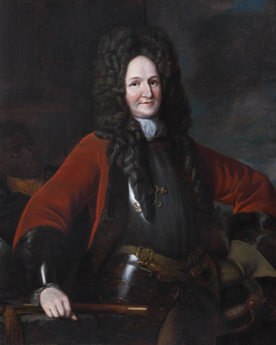 |  | 230 | General Hugh Mackay (1640?-1692), 1690 © Framed | Requires glazing | 1961 | 6 | 9 |  | F H1505 x 1255mm Oil on twill canvas. Appears lined on canvas, just visible lower left corner, unable to assess back as covered with linen backing stapled to frame. Turnover edges exposed left and right and slightly along base, may not be fully supported in frame. Paint appears in good condition. Previous campaigns of restorative treatment. No sign of flaking. Very fine craquelure. Selectively cleaned varnish over skin and highlights leaving natural resin varnish intact. Current surface varnish appears synthetic and evenly applied, good appearance. Surface dust present. White accretions across centre of jacket. Frame: applied decorative moulding, all appears intact. OIl gilded with inner water gilded slip- displaying multiple water damage drips. Surface dirt particularly accumulated on upwards facing members. Plaque blank. No backboard (linen backing) Unglazed | PAINTING Deframe and check back 2 Vacuum painting and frame 1 Aqueous surface clean painting and remove accretions 10 |  | 13 | AMJ | 23-Mar-23
 |  |  |  |  |  |  |  |  |  | FRAME Add an additional gilt slip frame to support the painting edges and house acrylic 2 Measure and order glazing 0.5 Build up back edge, tone to match 8 Reframe lining rebate and add backboard 4 Option:Surface clean frame, particularly upward facing 16 Doc 2 | 14 | 30 |  | FRAME

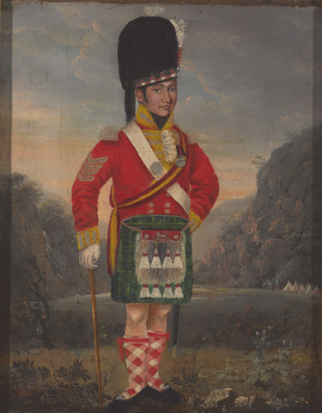 |  | 389 | Unidentified sergeant, 92nd Highlanders, 1816 © Framed | Going in display case does not need glazing | 1967 | 10 | 77 |  | F H418 x W343mm Oil on tabby canvas.Unlined. Strainer has been extended wooden fillets top and base and restretched. Tacks corroded. Unable to key out to resolve poor canvas tension. Degraded tacking margins and turnover edge visible from front. Canvas acidic and aged. Inscriptions on reverse of strainer. Vertical strainer marks prominent. Age craquelure. Very shiny, slightly yellowing varnish. A few micro losses and thinning of dark glazes lower left. Attached in frame with mirrorplates. Frame stable, bronze painted. Few scuffs. Minor piece compo missing lower left corner. No glazing or backboard. | PAINTING Deframe 0.5 Vacuum 0.5 Remove from strainer and replace with new stretcher 2 Strip line and restretch 6 Surface clean 2 Removal of varnish 5 Isolation varnish 0.5 Fill micro loss and retouching 4 Spray varnish 0.5 | 21 |  | AMJ | 23-Mar-23
 |  |  |  |  |  |  |  |  |  | FRAME light surface clean 1 Restore missing decoration 1 Retouch scuffs to bronze paint 2 Preventative reframing including backboard 2 does not require glazing DOC2 |  | 6

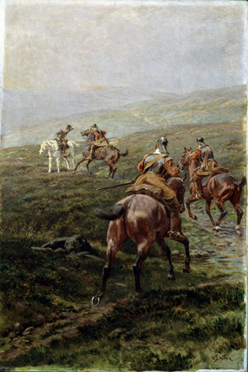 |  | 424 | News Oil on canvas by William Barns Wollen (1857-1936), 1910 (c). Framed | Requires glazing | 1965 | 5 | 46 |  | F H900 x W647 mm unlined commercially primed oil on medium tabby canvas. Good tension. Back top edge exposed/loose. Tacks appear sound. Unseen back as protected with breathable backboard (acidic) Secured in frame with mirrorplates. Minimal surface dirt. Very shiny, yellowing natural resin varnish evenly applied. Sinking in places. Historic retouching evident remains well colour matched. No craquelure FRAME Composite applied gilt frame. Well worn lower gilded flat revealing red bole layer. Compo decorations complete. Old discoloured restorations. Chips to frame revealing white gesso, particularly corners. Loose sections of gesso along left vertical, looks prone to loss. Fingerprints visible. Accumulated surface dust . Unglazed. MDF acidic backing. Painting protrudes 20mm from frame rebate. | PAINTING Deframe and reassess back 1 Vacuum 0.5 Secure expansion keys if required 0.5 Adjust varnish to semi-shiny satin 0.5 OPTION Surface clean 4 Removal of varnish 8 Isolation varnish 0.5 Adjust retouchings where necessary 8 Satin spray varnish | 2.5 | 22.5 | AMJ | 23-Mar-23
 |  |  |  |  |  |  |  |  |  | FRAME light surface clean 2 Consolidate loose and flaking gesso 2 fill gesso losses 2 Retouch chips to match 4 Build up back edge to accommodate new glazing 2 Tone to match 1 Insert new slip frame cut and tone 1. Preventative reframing including new backboard and TruVue acrylic glazing 4 DOC2 |  | 18

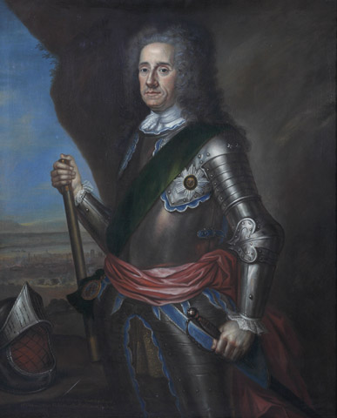 |  | 456 | ‘Lord George Hamilton, Earle of Orkney, Field Marshall of Great Britain’, 1736 © Framed and glazed |  | 1961 | 8 | 27 |  | F H1475 x 1245mm PAINTING Oil on tabby canvas, tacking margins cut and paste? lined on canvas, very yellow excess adhesive on lining canvas. Turnover edges exposed top and right, may not be fully supported within frame/shunted to left. Wooden bead attached and visible. Stretcher not quite visible in the rack. Expansion keys tied with monofilament. Historic labels, acidic. Paint appears in good condition for age. Previous campaigns of restorative treatment visible. No sign of flaking. Very fine craquelure throughout, rather disfiguring on the face and paler areas. Dark glazes likely solvent sensitive. Natural resin varnish present, dark and yellowing, evenly applied, possibly previously selectively cleaned over paler areas. Surface dust present. FRAME Ornate gilt carved foliate frame, c 20 damages to the gesso throughout, and corners. Surface dirt particularly accumulated on upwards facing decorative relief. No backboard Glazed with low reflect (acrylic?) | PAINTING Deframe and check back 2 Vacuum painting and frame 1 OPTION Aqueous surface clean painting 10 and remove yellowing varnish 21 Isolation varnish 1 Retouch most disfiguring craquelure 21 Fresh varnish 1 | 3 | 60 | AMJ
 |  |  |  |  |  |  |  |  |  | FRAME Deframe 2 Adjust slip frame to support the painting more adequately or retouch so less visible 2 Clean glazing 0.5 add backboard 1 Option:Surface clean frame, particularly upward facing 21 Option conserve historic labels 1 Fill and retouch the damaged gesso 21 Doc 2 | 6 | 50

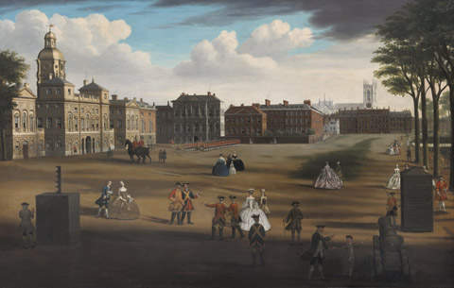 |  | 513 | A View of the west front Horse Guards, with the Treasury and Downing Street beyond, 1758 © Framed and glazed |  | 1993 | 11 | 43 |  | F H1160 x W1623 mm Cut and lined oil on medium tabby canvas. unseen back under the backboard. Good tension. Is there slight concave buldging centre vertical? cut edges exposed on the front. Unseen how fixed in frame due to backboard. Surface appears matt particularly lower quadrant, with blanching along very base left. Possible water damage/staining. Satin resin varnish towards the top of the painting. Surface uneven. UV indicates natural resin varnish. Glaze drying craquelure present. Small paint losses around the edges. Wide expanses of retouching, and on the whole well colour matched. Darkest glazes selectively remain likely very resinous and solvent sensitive. FRAME Solid gilt frame with water gilded carved decoration and textured flats. Squared corners. Mitres closed, and secured with buildup. Back edges toned surface dust and smears to glazing. Low reflect acrylic? 3mm hardboard backboard attached with screw cups. surface dust present | OPTION De-frame 2 check back and tacking margins 1 Fill and retouch small paint losses 3. Fresh varnish to saturate the unevenness 2 Adjustments to lower left corner blooming 4 OPTION Full conservation including surface dirt14 varnish removal 28 and addressing the retouching 42 Varnishing 2 | 12 | 98 | AMJ | 23-Mar-23
 |  |  |  |  |  |  |  |  |  | FRAME Vacuum & surface dust 4 Reframe 2 Could change hardboard backing for lighterweight options 1 Clean glazing 1 insert slightly wider shadow slip frame to hide the visible turnover edges 3 Doc2 | 11

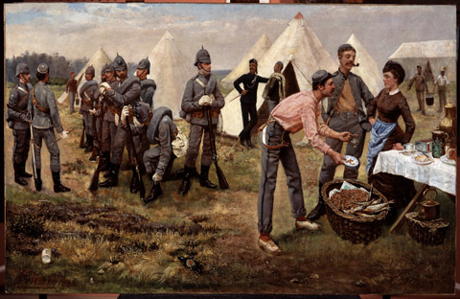 |  | 609 | The Artists' Rifles in Camp, 1884 Framed | Requires glazing | 1972 | 10 | 43 |  | F H900 x 1378mm Oil on tabbby canvas with a prominent weave. Five member stretcher with all keys present and secured. Artist's prepared canvas with fairly thickly applied paint. No craquelure visible. No recent holes or tears or flaking. Very shiny varnish, appears non-original synthetic resin with retouching evident, which remains fairly well colour matched. Pine varnished wooden frame, crudely adhered at corners. stable, mitres closed . Melinex backing sealed with brown paper tape. Conservation framing- velvet (no rebate paper lining) with brass plate fixtures- which extend out of the frame at the sides. No glazing. | PAINTING could be displayed as is. OR option to revarnish to reduce sheen Deframe 0.5 Vacuum 0.5 Spray 0.5 Reframe 0.5 | 0 | 2 | AMJ | 23-Mar-23
 |  |  |  |  |  |  |  |  |  | FRAME Softwood build up back edge to accommodate new glazing 2 Stain to match 1 Insert new slip frame cut and tone 1. Preventative reframing re-use the Melinex. Add TruVue acrylic glazing 4 Adjust the brass strips so not protruding DOC2 | 8

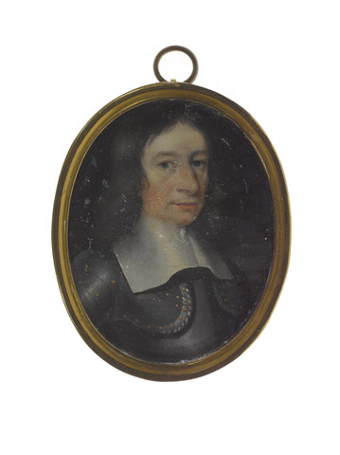 |  | 126507 | Sir John Gell (1593-1671), 1645 (c) |  | 1994 | 7 | 194 |  | 70 x 60 mm oil on copper? With cardboard and paper backing encased in brass frame. Tooth edged fastening around back. Iron gall? ink inscription on reverse paper. Displays historic flaking, possibly previously attached to glass. Natural resin varnish, slightly yellowing. Since retouched without fills leaving matt areas, quite disfiguring. No protective backing. Glass glazing. | Deframe 2 Reassess out of frame under microscope 1 Surface clean and remove yellowing varnish 5 Fill and retouch 16 .Varnish 1 | 25 |  | AMJ | 23-Mar-23
 |  |  |  |  |  |  |  |  |  | FRAME Line rebate 2 and return to frame Potenitally add interleaf so not in direct contact with glass 2 And melinex backing to protect inscription 1 Reframe 2 | 9 |  |  | 24-Mar-23
 |  |  |  |  |  |  |  |  |  |  |  |  |  | 25-Mar-23
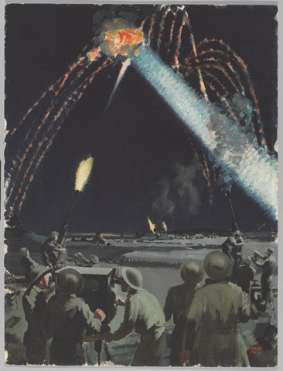 |  | 195320 | “CAT. A”/ NIGHT ENGAGEMENT/ SUSSEX COAST | Frmaing and glazing required | 2006 | 3 | 19 |  | UF H505 x W381mm Unframed oil on board. Ink inscriptions on reverse. Signed and dated in red paint lower right . Slight mottling to the paint surface, possible remnants of mould? No flaking. No craquelure. Painted over charcoal? underdrawing. Some dents to the board. Slight dog eared lower right corner and handling marks. A thin natural resin varnish layer appears applied whilst framed. Whites display surface dirt. 60mm diagonal scratch into paint, located centre right. Requires frame | PAINTING Tests for dirt and varnish removal to determine whether feasible. Dirt 4 Varnish 6 Isolation varnish 0.5 Retouch scratch 2 Final varnish 0.5 COST | 15 |  | AMJ | 26-Mar-23
 |  |  |  |  |  |  |  |  |  | FRAME New frame plain black square edge moulding & spacer with low reflect glass/TruVue acrylic and backboard 4 Conservation framing 2 Doc 2 | 8 |  |  | 27-Mar-23
 |  |  |  |  |  |  |  |  |  |  |  |  |  | 28-Mar-23
 |  | 577788 | Trooper of the 1st (Royal) Dragoons, 1767 (c) | Requires glazing | 2022 | 1 | 3 |  | F H661 x W548 mm Paste lined oil on tabby canvas. Good tension. Glued back edges. Cobwebs on reverse. 5 member stretcher 10/10 keys unsecured. Historic labels, acidic and damaged. Secured in frame with nails, some damaging/dented canvas. Minimal surface dirt, discoloured natural resin varnish evenly applied. Historic restorative campaign- visibly aged discoloured retouching drying cracks Historic damages include central 10mm shot-type damage and horizontal tear in trees. Smooth untextured fill. General age craquelure & drying cracks in foreground. Some raised paint flakes located in trees and slightly raised craquelure lower left corner. FRAME Carved and gilded with inscription on lower central flat. Gilded flats abraded revealing red bole layer. Old restoration to lower outer right corner. Number of chips to frame revealing white gesso, particularly corners. Accumulated surface dust . Cork spacers. Unglazed and no backing. Painting protrudes 10mm from frame | PAINTING Deframe 0.5 Remove historic label to deframe, conserve 2 Vacuum 0.5 Secure expansion keys 0.5 Consolidate flaking paint 2.5 OPTION Surface clean 4 Removal of varnish 8 Isolation varnish 0.5 Adjust texture to fill and colour match retouching 14 Spray varnish 0.5 | 6 | 31 | AMJ | 29-Mar-23
 |  |  |  |  |  |  |  |  |  | FRAME light surface clean 2 Restore missing decoration and fill chips 2 Retouch chips to match 4 Build up back edge to accommodate new glazing 2 Tone to match 1 Slip is usable. Preventative reframing including backboard and glazing 4 DOC2 | 17 |  |  | 30-Mar-23
 |  |  |  |  |  |  |  |  |  |  | HOUR MINIMUM | HOURS MAX |  |  | COST MINIMUM | COST MAX | Materials
 |  |  |  |  |  |  |  |  |  | TOTAL | 161.5 | 336.5 |  |  | £0.00 | £0.00 | £0.00

 |  |  |  |  |  |  |  |  |  |  |  |  |  | Plus materials | £0.00 | £0.00

