Frontsheet
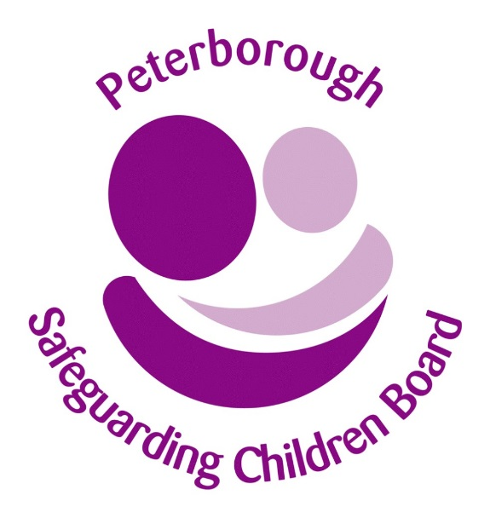

Peterborough Safeguarding Children Board

Arrangements for Safeguarding and Promoting the Welfafe
of Children and Young People

Strategic and Organisational Self Assessment Tool 2015/17

Score Summary
 |  |  | Back to INTRODUCTION
Section 11 Audit Tool - Score Summary

Totals for each area

Standard | No of questions | Not met | Partly met | Fully met | N/A | Unanswered
1. Senior management commitment to the importance of safeguarding and promoting children’s welfare | 7 | 0 | 0 | 0 | 0 | 7

2. A clear statement of the agency’s responsibility towards children is available to all staff | 6 | 0 | 0 | 0 | 0 | 6

3. A clear line of accountability within the organisation for work on safeguarding and promoting the welfare of children | 5 | 0 | 0 | 0 | 0 | 5

4. Service development takes account of the need to safeguard and promote welfare and is informed by the views of children and families | 6 | 0 | 0 | 0 | 0 | 6

5. Staff training on safeguarding and promoting the welfare of children for all staff working with or in contact with children and families | 10 | 0 | 0 | 0 | 0 | 10

6. Recruitment, vetting procedures and allegations against staff | 10 | 0 | 0 | 0 | 0 | 10

7. Information sharing | 2 | 0 | 0 | 0 | 0 | 2

Total All Areas | 46 | 0 | 0 | 0 | 0 | 46

