Instructions
RM6221 DIGITAL CAPABILITY FOR HEALTH - ATTACHMENT 3 PRICING MATRIX
You are required to insert prices into every cell highlighted Yellow on the 'Rate Card' tab. Optionally we have provided three colums for non-UK locations, if required, please insert the appropriate prices into the cells highlighted Green and amend the [Locx] headings to include the geographic location from which the prices refer too. You must then upload your completed Pricing Matrix into the eSourcing tool at question PQ1 in the commercial envelope
The pricing matrix is designed to allow bidders to enter prices for: AQC1 - DAY RATES - NATIONAL (outside Greater and Central London) AQC2 - DAY RATES - LONDON (within Greater and Central London) AQC3 - DAY RATES - LEEDS AQC4 - DAY RATES - NATIONAL HOME This question is scored as PASS/FAIL. If you fail to complete prices for ALL rates, your response will (following a CCS compliance check) be deemed non-compliant and you will fail this question and be excluded from the whole procurement. Please note that submitted prices must: * Exclude VAT * Exclusive of Travel and Subsistence * Compare with the quality of your offer * Be sustainable and include your operating overhead costs and profit * Take into account our management charge of 1% * Be in British pound sterling, up to two decimal places * Based on a seven and a half (7.5) hour Working Day * Zero or negative bids are NOT allowed * Not exceed a day rate cap of one thousand pounds (£1000) for any figure entered. The only exception being London where a day rate cap of one thousand two hundred pounds (£1200) applies. Any figures which exceed this amount will not be considered and will be deemed non-compliant and your bid will be excluded from the competition CCS will, as stated in paragraph 11.3, Attachment 2, How to Bid, also review any prices that appear to be abnormally low. Price evaluation is based on the Total Combined Score; the addition of all the combined prices that are generated by your completion of the day rates in this attachment divided by the total number of quantities for evaluation weighting in column H. Pricing evaluation for this Framework is explained further in paragraph 11.2 of Attachment 2, How to Bid.
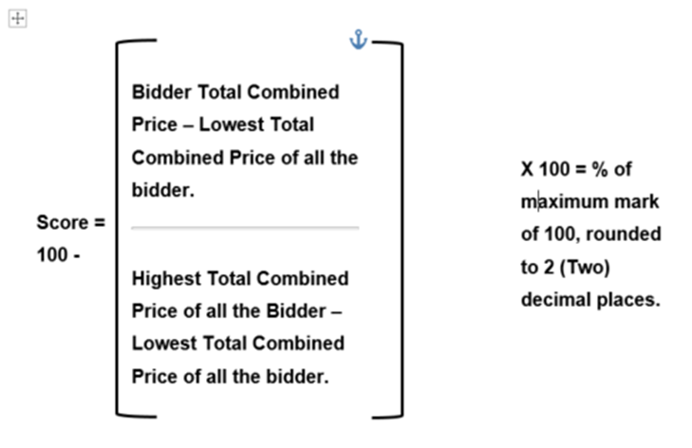 The lowest total combined price will be awarded the full score 100 (30%), the highest will receive 0 (0%) and the rest will be prorated between. The calculation to be used is the following:

