T2.SMP
Soil Moisture Probes - Background The requirement is to measure a profile of soil moisture measurements at various depths within the soil profile at 2 locations (see maps of Figure 1: Holy Brook and Figure 2: Horsley). There are a total of 6 sites (black filled rectangles on the maps) at the 2 locations where soil moisture measurements are required. At each site multiple soil moisture probes will be installed close to eachother but at different depths. Table A indicates the number of probes per sites and probe depths. The most cost-effective method for storing the data and powering the loggers is sought. Long cables that allow several sites to be attached to a single data logger and power source can be considered. Alternatively, the 6 sites can each have an independent data logger and power source. The scaled maps below (Figures 1 and 2) will enable distances to be determined. Data loggers should be inclosed in tamper proof waterproof box.

Table A. Details of required soil moisture probe set up.
 | Sites | Number of soil moisture probes per site | Total probes | Soil moisture probe depths (m)
Horsely | 2 | 7 | 14 | 0.25, 0.5,1.0,1.5,2.0,2.5,3.0
Holy Brook | 4 | 6 | 24 | 0.2,0.4,0.6,0.8,1.0,1.2
 |  | Overall total | 38

Figure 1. Holy Brook Installations. Note that only "soil moisture probe" locations are relevant to this tender.
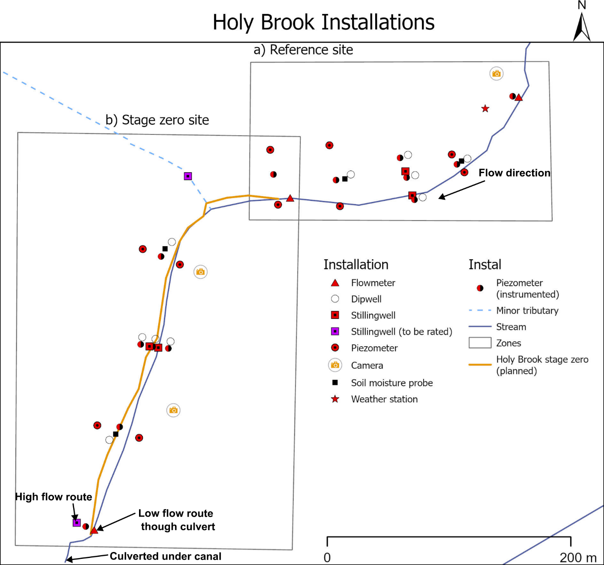

Figure 2. Horsley Installations. Note that only "soil moisture probe" locations are relevant to this tender.
