Comparative Pricing
 | Cust Name: | REDACTED
 | Company: | FCDO
 | Address:
 |  |  |  |  |  |  |  |  | PRJ15889
 |  |  |  |  |  |  | Project Reference :
 |  |  |  |  |  |  | Pricing Version : |  | vC
 | Post Code: |  |  |  |  |  | Pricing Date : |  | REDACTED
 | Drawing No. : |  |  |  |  |  | Prepared by : |  | REDACTED
 | Project for: | Bamako, Mali |  |  |  |  | Valid Until : |  | REDACTED

 | Item Code | Description | Fabric/ Finish | Image | Phs I | Phs II | Qty | Unit Price | Total Price
\\emergent-dc\Company Share\Project\PRJ 15800-15899\PRJ15880-89\PRJ15889 - FCDO Bamako Mali\Images\1.jpg | \SCB442/P | Task chair Black mesh back Synchro mechanism Height adjustable arms, Seat slide Height adjustable lumbar support Chrome 5 star base and twin wheeled castors. Seat upholstered in Camira Era Measure CSE27 W680 x D480 X H450-580mm | Era Measure |  | 37 | 16 | 53 | REDACTED | REDACTED
\\emergent-dc\Company Share\Project\PRJ 15800-15899\PRJ15880-89\PRJ15889 - FCDO Bamako Mali\Images\2.jpg | \BCM031 | Meeting chair -cantilever Large mesh back mesh - black Black tubular frame. Stackable to 3 high. Upholstered seat pad in Camira Sumi Tono SUR23 and black mesh back support. W555 x D480 x H900mm. Seat height 460mm | Sumi Tono |  | 26 | 6 | 32 | REDACTED | REDACTED
\\emergent-dc\Company Share\Project\PRJ 15800-15899\PRJ15880-89\PRJ15889 - FCDO Bamako Mali\Images\3.jpg | \PE2-B75 | Prime meeting chair- swivel Large upholstered chair with fully upholstered arms 4 star polished metal base Height adjustable - gas lift Camira Sumi Tono SUR23 W570 x D540 x H 800-920mm. Seat height 420 - 540mm | Sumi Tono |  | 4 | 8 | 12 | REDACTED | REDACTED
\\emergent-dc\Company Share\Project\PRJ 15800-15899\PRJ15880-89\PRJ15889 - FCDO Bamako Mali\Images\4.jpg | \RM2-B22 | Remi lounge chair 4 star polished aluminium base - swivel Camira Sumi Tamura SUR22 W580 x D630 x H710mm. Seat height 420mm | Sumi Tamura |  | 9 | - | 9 | REDACTED | REDACTED
\\emergent-dc\Company Share\Project\PRJ 15800-15899\PRJ15880-89\PRJ15889 - FCDO Bamako Mali\Images\5.jpg | \RM3-B22 | Remi lounge chair Headrest 4 star polished aluminium base - swivel. Camira Sumi Tono SUR23 W580 x D675 x H940mm. Seat height 420mm | Sumi Tono |  | 8 | - | 8 | REDACTED | REDACTED
\\emergent-dc\Company Share\Marketing\Images\PC\9912-091.jpg | \HR1 | Harris Range Single Armchair Solid Angular shaped design W930 x D750 x H810mm. Seat height 450mm Fully upholstered - Camira Sumi Tamura SUR22 Black metal frame | Sumi Tamura |  | 1 | - | 1 | REDACTED | REDACTED
\\emergent-dc\Company Share\Marketing\Images\PC\9912-092.jpg | \HR2 | Harris Range Two Seat Sofa with arms Solid Angular shaped design W1530 x D750 x H810mm. Seat height 450mm Fully upholstered - Camira Sumi Tamura SUR22 Black metal frame | Sumi Tamura |  | 1 | 2 | 3 | REDACTED | REDACTED
\\emergent-dc\Company Share\Marketing\Images\PC\9911-376.jpg | \MY01 | Maya Chair, Moulded Polypropylene, Four legged Available in Black and Orange Orange and black | Black/ Orange | 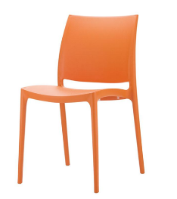 | 16 | 30 | 46 | REDACTED | REDACTED
\\emergent-dc\Company Share\Project\PRJ 15800-15899\PRJ15880-89\PRJ15889 - FCDO Bamako Mali\Images\9.jpg | \PICNIC14 | Picnic range bench W1400 x D350 x H410mm Loop leg powder coated in silver MFC seat 25mm - grey | Grey Top/ Black Frame |  | - | 1 | 1 | REDACTED | REDACTED
\\emergent-dc\Company Share\Project\PRJ 15800-15899\PRJ15880-89\PRJ15889 - FCDO Bamako Mali\Images\10.jpg | \PICNIC10 | Picnic range bench W1000 x D350 x H410mm Loop leg powder coated in silver MFC seat 25mm - grey | Grey Top/ Black Frame |  | - | 1 | 1 | REDACTED | REDACTED
\\emergent-dc\Company Share\Marketing\Images\PC\SCP140208S.jpg | SCP140208S | Scape Lite Range Double Sided Starter Desk Goal post legs 1400mmW x 1600mmD Sliding desktop 60x40mm Tubular Bench Style Underframe - black Complete with cable management trunking White 25mm MFC top with matching 2mm ABS edging and 2 x 80mm dia cable exit pods | Grey Top/ Black Frame |  | 7 | 1 | 8 | REDACTED | REDACTED
\\emergent-dc\Company Share\Marketing\Images\PC\SCP140208X.jpg | SCP140208X | Scape Lite Range Double Sided Extension Desk Goal post legs 1400mmW x 1600mmD Sliding desktop 60x40mm Tubular Bench Style Underframe - black Complete with cable management trunking White 25mm MFC top with matching 2mm ABS edging and 2 x 80mm dia cable exit pods | Grey Top/ Black Frame |  | 6 | 1 | 7 | REDACTED | REDACTED
\\emergent-dc\Company Share\Marketing\Images\PC\SCP140108S.jpg | SCP140108S | Scape Lite Range Single Sided Starter Desk Goal post legs 1400mmW x 800mmD Sliding desktop 60x40mm Tubular Bench Style Underframe - black Complete with cable management trunking White 25mm MFC top with matching 2mm ABS edging and 2 x 80mm dia cable exit pods | Grey Top/ Black Frame |  | 3 | 1 | 4 | REDACTED | REDACTED
\\emergent-dc\Company Share\Marketing\Images\PC\SCP140108X.jpg | SCP140108X | Scape Lite Range Single Sided Extension Desk Goal post legs 1400mmW x 800mmD 60x40mm Tubular Bench Style Underframe - black Complete with cable management trunking White 25mm MFC top with matching 2mm ABS edging and 2 x 80mm dia cable exit pods | Grey Top/ Black Frame |  | 3 | 1 | 4 | REDACTED | REDACTED
\\emergent-dc\Company Share\Marketing\Images\PC\SCP160108S.jpg | SCP160108S | Scape Lite Range Single Sided Starter Desk Modesty panel Goal post legs 1600mmW x 800mmD 60x40mm Tubular Bench Style Underframe - black Complete with cable management trunking White 25mm MFC top with matching 2mm ABS edging and 2 x 80mm dia cable exit pods | Grey Top/ Black Frame |  | 3 | - | 3 | REDACTED | REDACTED
\\emergent-dc\Company Share\Marketing\Images\PC\SCP140108S.jpg | SCP140108S | Scape Lite Range Single Sided Starter Desk Modesty panel Goal post legs 1400mmW x 800mmD 60x40mm Tubular Bench Style Underframe - black Complete with cable management trunking White 25mm MFC top with matching 2mm ABS edging and 2 x 80mm dia cable exit pods | Grey Top/ Black Frame |  | - | 6 | 6 | REDACTED | REDACTED
\\emergent-dc\Company Share\Project\PRJ 15800-15899\PRJ15880-89\PRJ15889 - FCDO Bamako Mali\Images\17.jpg | \TRIO-T1-1438 | Trio desk mounted screen H380 x W1400mm Robust aluminium extruded frame Upholstered in Camira Cara fabric - Lomond EJ192 Complete with brackets | Lomond/ Anthracite |  | 19 | 6 | 25 | REDACTED | REDACTED
\\emergent-dc\Company Share\Project\PRJ 15800-15899\PRJ15880-89\PRJ15889 - FCDO Bamako Mali\Images\18.jpg | \TRIO-T1-1638 | Trio desk mounted screen H380 x W1600mm Robust aluminium extruded frame Upholstered in Camira Cara fabric - Lomond EJ192 Complete with brackets | Lomond/ Anthracite |  | 2 | - | 2 | REDACTED | REDACTED
\\emergent-dc\Company Share\Project\PRJ 15800-15899\PRJ15880-89\PRJ15889 - FCDO Bamako Mali\Images\19.jpg | \720001W | 72 series Capsule desk top module. 2 x 13A UK BS1363 power sockets 3A individual (tool) resettable circuit breaker 2x illuminated switches 1 x twin USB Type A+C (18W) charging point C clamp suitable for desk thickness 11-30mm. 2.0m starter mains cable (GST Wieland to 13A UK plug) White | White |  | 35 | 12 | 47 | REDACTED | REDACTED
\\emergent-dc\Company Share\Project\PRJ 15800-15899\PRJ15880-89\PRJ15889 - FCDO Bamako Mali\Images\20.jpg | \TABLE 1808R | Rectangular meeting table 1800 x 800 x 740mm Four legged metal frame - black MFC top - white | Grey Top/ Black Frame |  | - | 1 | 1 | REDACTED | REDACTED
\\emergent-dc\Company Share\Project\PRJ 15800-15899\PRJ15880-89\PRJ15889 - FCDO Bamako Mali\Images\21.jpg | \TABLE 2412 R | Rectangular meeting table 2400 x 1200 x 740mm Four legged metal frame - black MFC top - white | Grey Top/ Black Frame |  | 2 | - | 2 | REDACTED | REDACTED
\\emergent-dc\Company Share\Project\PRJ 15800-15899\PRJ15880-89\PRJ15889 - FCDO Bamako Mali\Images\22.jpg | \REVEAL01 | 78 series Reveal through desk module White painted box & lid, black plastic fascias 3 x 13A UK BS1363 power sockets 3.15A individually fused 1 x twin USB type A+C charging points 3.0m starter mainscable (GST Wieland to 13A UK plug) Fusion cable management basket Black fabric cable spine | Grey |  | 2 | - | 2 | REDACTED | REDACTED
\\emergent-dc\Company Share\Project\PRJ 15800-15899\PRJ15880-89\PRJ15889 - FCDO Bamako Mali\Images\23.jpg | \TABLE 3212 R | Rectangular meeting table 3200 x 1200 x 740mm Six legged metal frame - black MFC top - white | Grey Top/ Black Frame |  | 1 | - | 1 | REDACTED | REDACTED
\\emergent-dc\Company Share\Project\PRJ 15800-15899\PRJ15880-89\PRJ15889 - FCDO Bamako Mali\Images\24.jpg | \REVEAL02 | 78 series Reveal through desk module White painted box & lid, black plastic fascias 3 x 13A UK BS1363 power sockets 3.15A individually fused 1 x twin USB type A+C charging points 3.0m starter mainscable (GST Wieland to 13A UK plug) & mains splitter. Fusion cable management basket 1000mm Black fabric cable spine | Grey |  | 1 | - | 1 | REDACTED | REDACTED
\\emergent-dc\Company Share\Project\PRJ 15800-15899\PRJ15880-89\PRJ15889 - FCDO Bamako Mali\Images\25.jpg | \TABLE10C | Meeting table 1000mm dia x H755mm 5 star polished chrome base and column MFC top - Grey | Grey Top/ Chrome Frame | 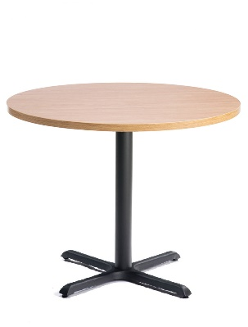 | 1 | 2 | 3 | REDACTED | REDACTED
\\emergent-dc\Company Share\Project\PRJ 15800-15899\PRJ15880-89\PRJ15889 - FCDO Bamako Mali\Images\26.jpg | \TABLE8C | Meeting table 800mm dia x H575mm 4 star polished chrome base and column MFC top - Grey | Grey Top/ Chrome Frame |  | 2 | - | 2 | REDACTED | REDACTED
\\emergent-dc\Company Share\Project\PRJ 15800-15899\PRJ15880-89\PRJ15889 - FCDO Bamako Mali\Images\27.jpg | \TABLE6C | Meeting table 600mm dia x H575mm 4 star polished chrome base and column MFC top - Grey | Grey Top/ Chrome Frame |  | 4 | 1 | 5 | REDACTED | REDACTED
\\emergent-dc\Company Share\Project\PRJ 15800-15899\PRJ15880-89\PRJ15889 - FCDO Bamako Mali\Images\28.jpg | \LOCKER82 | Locker unit, metal 8 personal spaces Comprising: 6 personal lockers & 2 personal drawers H1772 x W1000 x D470mm Carcase & doors - Traffic white RAL 9016 Lehman mech combi lock 59. Label holders | White |  | 5 | 7 | 12 | REDACTED | REDACTED
\\emergent-dc\Company Share\Project\PRJ 15800-15899\PRJ15880-89\PRJ15889 - FCDO Bamako Mali\Images\29.jpg | 8621-WW6r33 | Metal Side Opening Tambour Cupboard 1981mmH x 486mmD x 1000mmW,White. Complete with White PVC Tambour doors and inset D Handles and lock with two keys With full height internal skins to accept a variety of system fittings 5 plain shelves Metal top | White |  | 10 | 2 | 12 | REDACTED | REDACTED
\\emergent-dc\Company Share\Project\PRJ 15800-15899\PRJ15880-89\PRJ15889 - FCDO Bamako Mali\Images\30.jpg | \SCST2EOW/LF | Metal Side Opening Tambour Cupboard 720mmH x 486mmD x 800mmW, Black Carcase/Black Tambour. Complete with White PVC Tambour doors and inset D Handles and lock with two keys With full height internal skins to accept a variety of system fittings 1 plain shelf Grey Wooden top to match worksurface | Black Carcase/ Black Tambour | 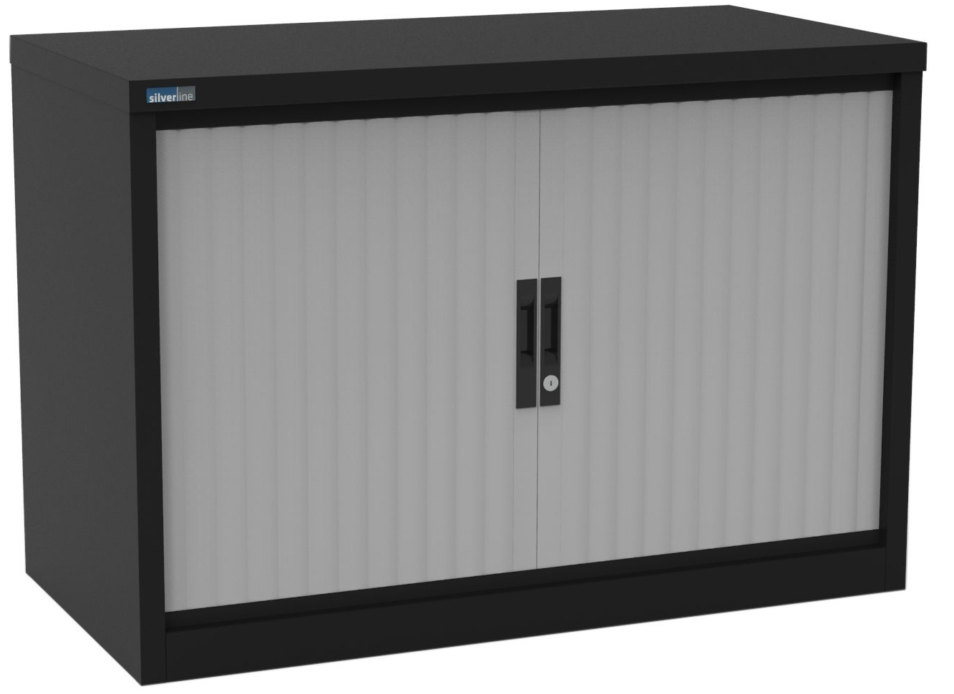 | 9 | 10 | 19 | REDACTED | REDACTED
\\emergent-dc\Company Share\Project\PRJ 15800-15899\PRJ15880-89\PRJ15889 - FCDO Bamako Mali\Images\31.jpg | \GRID10 | Modular grid storage W1220 x D420 x H2055mm 2 x double height cupboards Black | Black |  | 1 | - | 1 | REDACTED | REDACTED
\\emergent-dc\Company Share\Project\PRJ 15800-15899\PRJ15880-89\PRJ15889 - FCDO Bamako Mali\Images\32.jpg | \8339-003K | Eye Range Three Drawer Mobile Pedestal 390mmW x 500mmD x 600mmH One Filing Drawer and Two Personal Drawers Fully Centrally Locking with two keys Anti-Tilt Device and Pencil Tray Black | Black |  | 1 | - | 1 | REDACTED | REDACTED
\\emergent-dc\Company Share\Project\PRJ 15800-15899\PRJ15880-89\PRJ15889 - FCDO Bamako Mali\Images\33.jpg | \TABLE168 | Garden table - steel W1650 x D800 x H710mm Colour; anthracite (powder coated) Slatted design Supplied ready to assemble | Anthracite |  | - | 3 | 3 | REDACTED | REDACTED
\\emergent-dc\Company Share\Project\PRJ 15800-15899\PRJ15880-89\PRJ15889 - FCDO Bamako Mali\Images\34.jpg | \TABLE88 | Garden table - steel W800 x D800 x H710mm Colour; anthracite (powder coated) Slatted design Supplied ready to assemble | Anthracite |  | 4 | 8 | 12 | REDACTED | REDACTED
\\emergent-dc\Company Share\Project\PRJ 15800-15899\PRJ15880-89\PRJ15889 - FCDO Bamako Mali\Images\35.jpg | \BCQ_60WHT | Wybone Recycling Bin, Set of Four 4 stream -landfill, paper, plastic & organic Intuitive lid openings - helps recyclables sorting Hinged lid inserts - colour coded Capacity 60L per bin Each unit: 320mmW x 320mmD x 700mmH Fabricated steel carcase, in white Epoxy Powder coated | White | 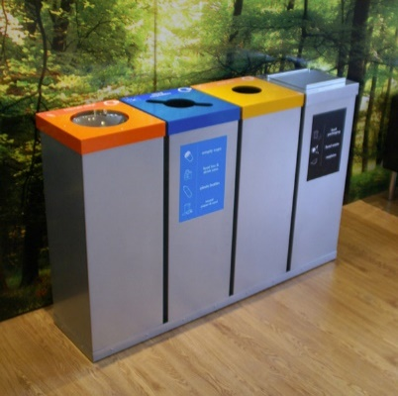 | 2 | 2 | 4 | REDACTED | REDACTED
\\emergent-dc\Company Share\Project\PRJ 15800-15899\PRJ15880-89\PRJ15889 - FCDO Bamako Mali\Images\36.jpg | \BIN001 | Waste basket Mesh - black W235 x D190 x H270mm | Black |  | 27 | 13 | 40 | REDACTED | REDACTED
\\emergent-dc\Company Share\Project\PRJ 15800-15899\PRJ15880-89\PRJ15889 - FCDO Bamako Mali\Images\37.jpg | \BRUSH001 | Toilet brush & holder Satin stainless steel Silicone brush head Non slip & rust proof black plastic base H380 x Dia 105mm | Stainless Steel |  | 6 | 6 | 12 | REDACTED | REDACTED
\\emergent-dc\Company Share\Project\PRJ 15800-15899\PRJ15880-89\PRJ15889 - FCDO Bamako Mali\Images\38.jpg | \BIN002 | Pedal bin Stainless steel 3 litre W167 x D170 x H240mm | Stainless Steel |  | 6 | 6 | 12 | REDACTED | REDACTED
 |  |  |  |  | 264 | 153 | 417 | Total | £-

