Hi-Vis
Category A: Hi Vis Clothing
Role | Spec No | Proposed #s | Colour | Type | LB | LB COST | RB | RB COST | Back wording Top | Back w Cost | Back Logo | BLogo Cost | Back Number | cost | H.F.S Cost | ID Card Pocket | Product Code | Item Price | Total | Link to product | Numbering | Life Cycle Years | LB | Logo
Safety Manager | 2 | 10 | Orange/Grey | Executive Hi-Vis | Logo |  | Number |  | Senior Crowd Safety Manager |  | Small |  | yes |  |  | Yes |  |  | £0 |  | SM01 - SM10 | 3 | Back | Logo + Numbering
Safety Officer | 5 | 5 | Navy / Yellow | Executive Hi-Vis | Logo |  | Initial |  | Safety |  | Small |  | No |  |  | Yes |  |  | £0 |  | SO1-SO5 | 3
Manager | 6 | 8 | White | Executive Hi-Vis | Logo |  | Number |  | Manager |  | Small |  | yes |  |  | Yes |  |  | £0 |  | M33 - M40 | 3
Logistics | 8 | 15 | Navy | Executive Hi-Vis | Logo |  | Number |  | Logistics |  | Small |  | yes |  |  | Yes |  |  | £0 |  | L01-L15 | 3
Steward | 10 | 570 | Orange | Standard Hi-Vis | Logo |  | Number |  | Steward |  | Small |  | yes |  |  | Yes |  |  | £0 |  | LS030-LS600 | 3
Senior Supervisor | 20 | 27 | Yellow/Grey | Executive Hi-Vis | Logo |  | Number |  | Senior Supervisor |  | Small |  | yes |  |  | Yes |  |  | £0 |  | SS022 - SS59 | 3
Supervisor | 11 | 80 | Orange/Yellow | Executive Hi-Vis | Logo |  | Number |  | Supervisor |  | Small |  | yes |  |  | Yes |  |  | £0 |  | S071 - S0150 | 3
SIA General | 17 | 500 | Yellow | Standard Hi-Vis | Logo |  | Number |  | Safety |  | Small |  | yes |  |  | Yes |  |  | £0 |  | SI323 - SI822 | 3
Segregation Line SIA | 18 | 250 | Yellow/Black | Standard Hi-Vis | Logo |  | Number |  |  |  | Large |  | yes |  |  | Yes |  |  | £0 |  | SEG1 - SEG200 | 3
Observer | 24 | 20 | Lime Green | Executive Hi-Vis | Logo |  | Number |  | Observer |  | Small |  | yes |  |  | Yes |  |  | £0 |  | OB01-OB20 | 3
IT | 25 | 10 | Black | Executive Hi-Vis | Logo |  | Number |  |  |  | Large |  | yes |  |  | Yes |  |  | £0 |  | IT01-IT10 | 3
Taxi Marshal | 26 | 10 | Yellow/ with Orange Stripe | Standard Hi-Vis | Logo |  | Number |  | Taxi Marshal |  | Small |  | yes |  |  | Yes |  |  | £0 |  | TM01-TM10 | 3
Response Team Leader | 14 | 23 | Yellow/ Royal Blue | Executive Hi-Vis | Logo |  | Number |  | Response Team Leader |  |  |  |  |  |  | Yes |  |  | £0 |  | RS28 -RS50 | 3
Response | 14 | 50 | Yellow/ Royal Blue | Executive Hi-Vis | Logo |  | Number |  | Response |  |  |  |  |  |  | Yes |  |  | £0 |  | R120 -R170 | 3

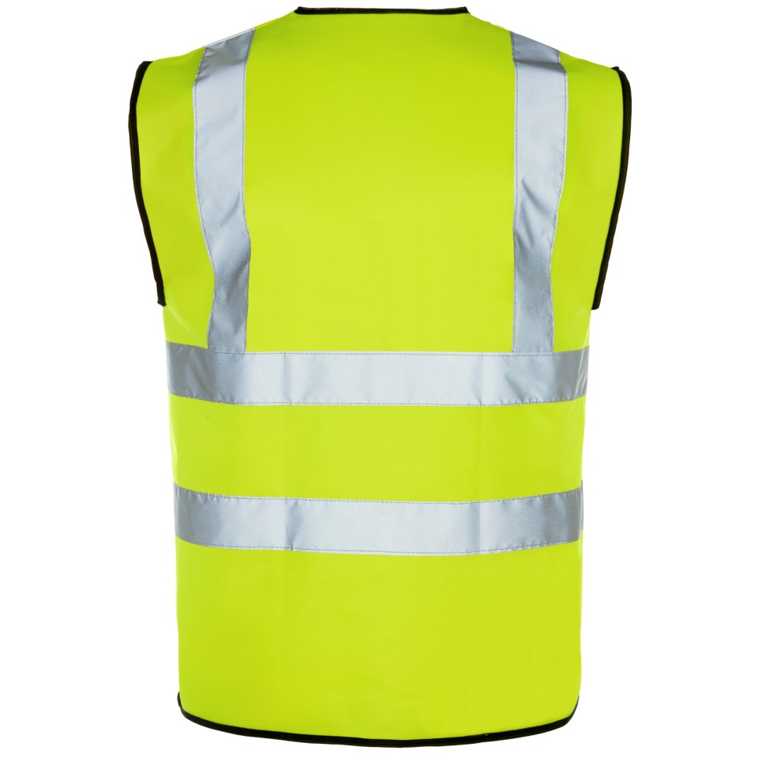
 |  | 1578
 |  |  |  |  |  |  |  |  |  |  |  |  |  |  |  |  |  | Total | £0
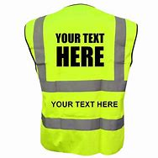
TOP

SAFETY

S001
S001
Middle
Bottom

 |  |  | Small Logo |  |  | Large Logo

Ordered
Role | Spec No | Proposed #s
Assistant Safety Manager | 1 | 0
Safety Manager | 2 | 0
Deputy Safety Manager | 3 | 0
Safety Officer | 5 | 0
Manager | 6 | 32
Logistics | 8 | 0
Steward | 10 | 30
Senior Supervisor | 20 | 22
Supervisor | 19 | 70
SIA General | 17 | 322
QA Team | 16 | 18
Observer | 24 | 0
IT | 25 | 0
Taxi Marshal | 26 | 0
 |  | 494

